Model
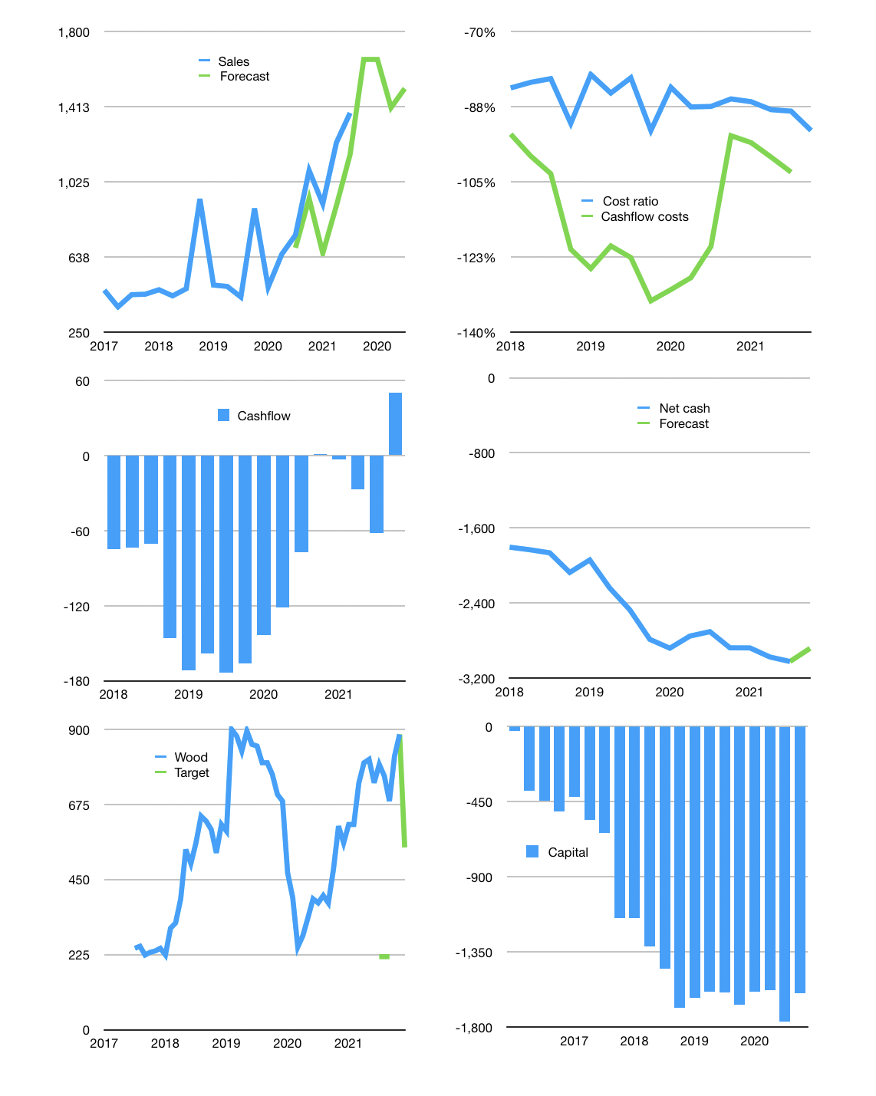
Financial model
Rp bn | 4Q 2021
Cashflow | 19% |  |  | 6%
Growth | 20% | -15% | 7% | 10%
Sales | 1,657 | 1,408 | 1,507 | 1,658
Cost ratio | -93% | -93% | -93% | -93%
Cash costs | -1,541 | -1,310 | -1,402 | -1,542
Operating | 116 | 98 | 105 | 116
Investment | -65 | -65 | -65 | -65
Finance | -50 | -33 | -40 | -50
Liabilities | -762 | -572 | -429 | -321
Equity | -9 | -7 | -8 | -9
Before revolver | -721 | -546 | -397 | -280
Revolver | 721 | 546 | 397 | 280
Beginning | 25 | 25 | 25 | 25
Change | 0 | 0 | 0 | 0
Ending | 25 | 25 | 25 | 25
Profit
Non cash costs | -25 | -25 | -25 | -25
Net profit | 91 | 74 | 81 | 91
Balance sheet
Other assets | 7,157 | 7,223 | 7,288 | 7,353
Depreciation | 654 | 678 | 703 | 727
Net other assets | 6,504 | 6,545 | 6,585 | 6,626
Liabilities | 2,286 | 1,715 | 1,286 | 964
Revolver | 721 | 1,267 | 1,663 | 1,944
Equity | 3,522 | 3,589 | 3,661 | 3,743
Check | 0 | 0 | 0 | 0
Net cash | -2,982 | -2,956 | -2,924 | -2,883
Valuation
Capital | -1,720 | -1,686 | -1,647 | -1,596
Current value |  |  |  | 5,631
P/assets |  |  |  | 0.85
Yield |  |  |  | 1%
Cashflow |  |  |  | 174
Payback |  |  |  | 37
Valuation |  |  |  | 32
Forecast |  |  |  | 20
Value |  |  |  | 3,476
Shares |  |  |  | 6
Target |  |  |  | 546
Current |  |  |  | 885
V target |  |  |  | -38%
12 month growth |  |  |  | 84%
Sales v forecast |  |  |  | -19%

