Model
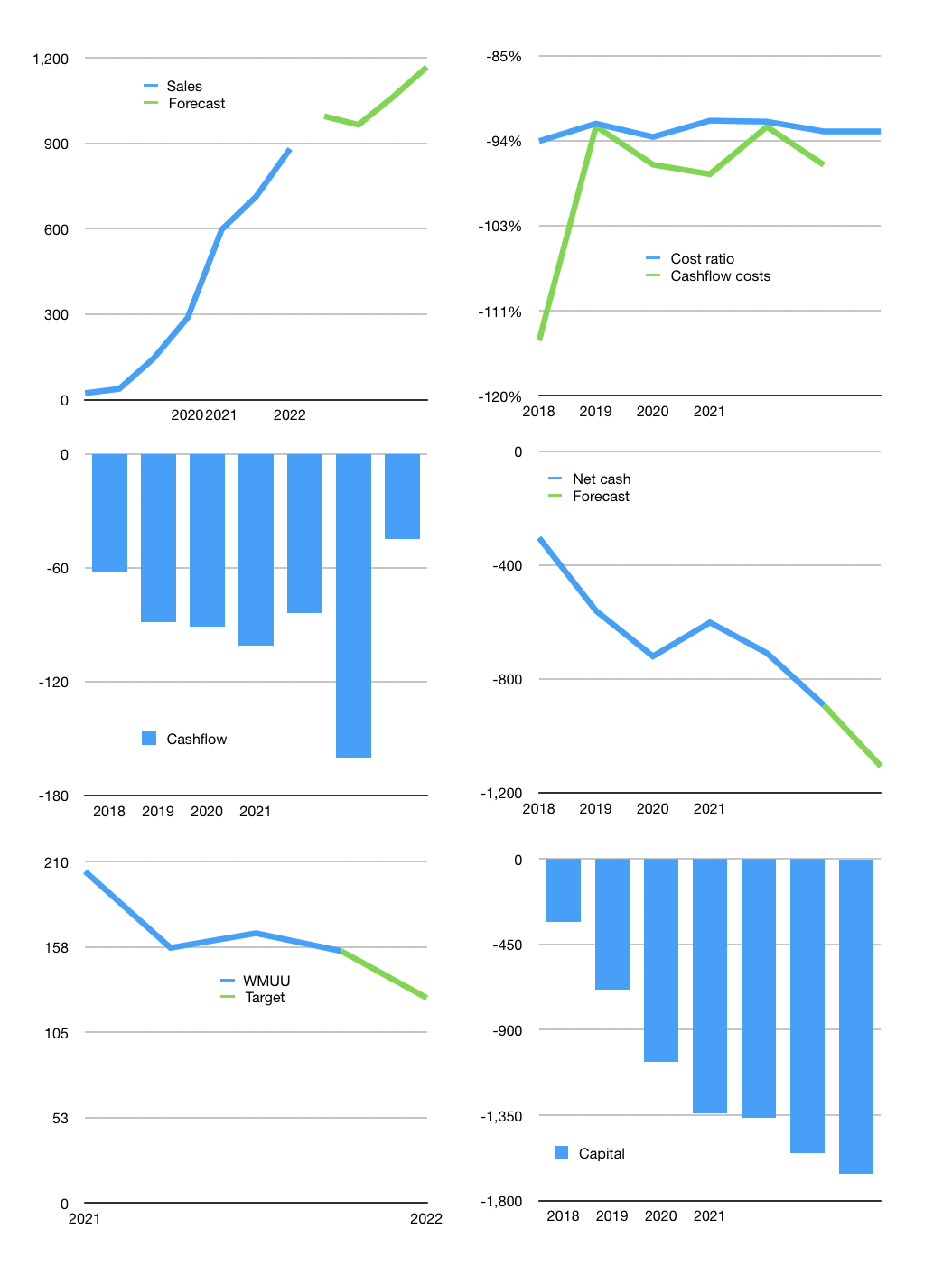
Model
Rpbn | 4Q 2021
Cashflow | 24% |  |  | 8%
Growth | 13% | -3% | 10.0% | 10.0%
Sales | 995 | 966 | 1,062 | 1,168
Cost ratio | -93% | -93% | -93% | -93%
Cash costs | -924 | -896 | -986 | -1084
Non cash costs | -8 | -8 | -8 | -8
Profit | 64 | 62 | 69 | 77
Operating | 72 | 69 | 76 | 84
Investment | -129 | -129 | -129 | -129
Liabilities | -47.3236 | -45 | -43 | -41
Equity | 0 | 0 | 0 | 0
Before revolver | -104.7156 | -104 | -95 | -86
Revolver | 104.7156 | 104 | 95 | 86
Beginning | 54 | 54 | 54 | 54
Change | 0 | 0 | 0 | 0
Ending | 54 | 54 | 54 | 54
Balance sheet
Other assets | 2250.617 | 2,380 | 2,509 | 2,638
Depreciation | 73.9 | 81 | 89 | 96
Liabilities | 899.1484 | 854 | 811 | 771
Revolver | 104.7156 | 209 | 305 | 390
Equity | 1,227 | 1,289 | 1,358 | 1,435
Check | 0.038 | 0 | 0 | 0
Net cash | -949.513 | -1009 | -1062 | -1107
Valuation
Capital | -1,503 | -1,562 | -1,615 | -1,660
Current value |  |  |  | 9,263
P/assets |  |  |  | 3.57
Yield |  |  |  | 0%
Cashflow |  |  |  | 302
Payback |  |  |  | 6.8
Valuation |  |  |  | 31
Forecast |  |  |  | 25
Value |  |  |  | 7542
Shares |  |  |  | 60
Current |  |  |  | 155
Target |  |  |  | 126
V target |  |  |  | -19%
12 month growth |  |  |  | 184%

