Model
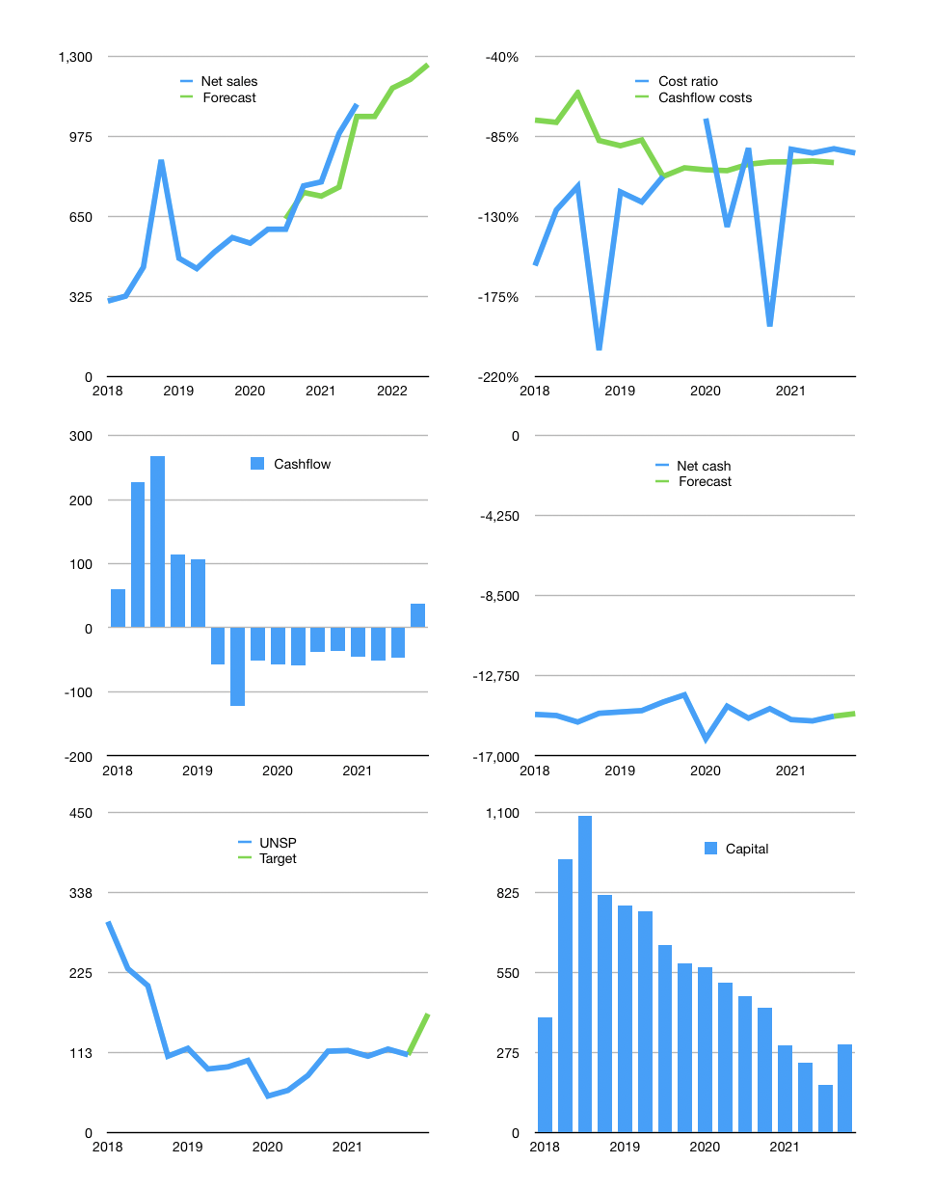
Financial model
Rpbn | 4Q 2021
Cashflow | 17% |  |  | 4%
Growth | 7% | -1% | 3% | 5%
Sales | 1,181 | 1,170 | 1,205 | 1,265
Cost ratio | -95% | -95% | -95% | -95%
Cash costs | -1,117 | -1,106 | -1,139 | -1,196
Operating | 65 | 64 | 66 | 69
Investment | -31 | -31 | -31 | -31
Finance | -33 | -33 | -35 | -38
Liabilities | -755 | -717 | -681 | -647
Equity | 0 | 0 | 0 | -1
Revolver | 722 | 685 | 647 | 610
Before revolver | -722 | -685 | -647 | -610
Beginning | 201 | 201 | 201 | 201
Change | 0 | 0 | 0 | 0
Ending | 201 | 201 | 201 | 201
Profit
Non cash costs | -66 | -66 | -66 | -66
Net profit | -2 | -2 | 0 | 3
Balance sheet
Other assets | 11,304 | 11,335 | 11,366 | 11,398
Depreciation | 3,532 | 3,598 | 3,665 | 3,731
Net other assets | 7,772 | 7,737 | 7,702 | 7,667
Liabilities | 14,345 | 13,627 | 12,946 | 12,299
Revolver | 722 | 1,406 | 2,053 | 2,663
Equity | -7,094 | -7,096 | -7,096 | -7,094
Check | 0 | 0 | 0 | 0
Net cash | -14,865 | -14,833 | -14,798 | -14,761
Valuation
Capital | 197 | 230 | 265 | 303
Current value |  |  |  | 273
P/assets |  |  |  | 0.03
Yield |  |  |  | 0%
Cashflow |  |  |  | 139
Payback |  |  |  | 56
Valuation |  |  |  | 2
Forecast |  |  |  | 3
Value |  |  |  | 416
Shares |  |  |  | 3
Target |  |  |  | 166
Current |  |  |  | 109
V target |  |  |  | 53%
12 month growth |  |  |  | 85%
Sales forecasts |  |  |  | -8%

