Model
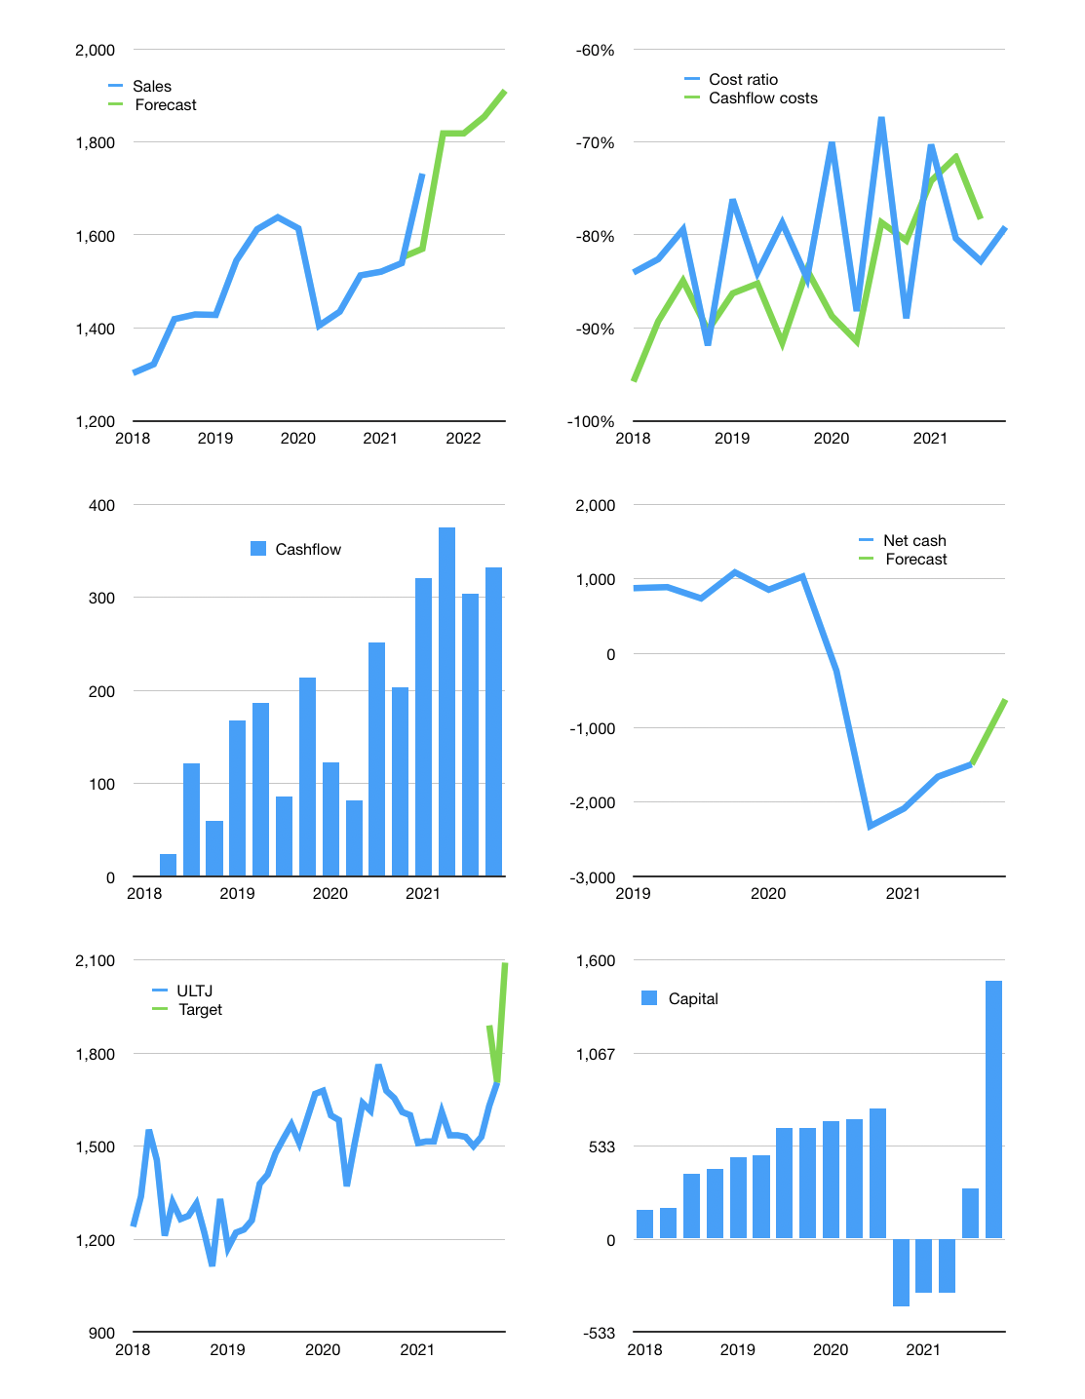
Financial model
Rpbn | 4Q 2021
Cashflow | 5% |  |  | 3%
Growth | 5% | 0% | 2% | 3%
Sales | 1,818 | 1,818 | 1,855 | 1,910
Cost ratio | -79% | -79% | -79% | -79%
Cash costs | -1,439 | -1,439 | -1,468 | -1,512
Operating | 379 | 379 | 387 | 398
Investment | -66 | -66 | -66 | -66
Finance | -311 | -301 | -293 | -287
Liabilities | -211 | -201 | -191 | -181
Equity | -100 | -100 | -102 | -106
Before revolver | 2 | 12 | 28 | 45
Revolver | 0 | 0 | 0 | 0
Beginning | 2,736 | 2,738 | 2,750 | 2,778
Change | 2 | 12 | 28 | 45
Ending | 2,738 | 2,750 | 2,778 | 2,823
Profit
Non cash costs | -46 | -46 | -46 | -46
Profit | 333 | 333 | 341 | 352
Balance sheet
Other assets | 8,340 | 8,406 | 8,472 | 8,538
Depreciation | 2,042 | 2,088 | 2,134 | 2,180
Net other assets | 6,298 | 6,318 | 6,338 | 6,358
Liabilities | 4,017 | 3,816 | 3,625 | 3,444
Revolver | 0 | 0 | 0 | 0
Equity | 5,019 | 5,252 | 5,491 | 5,738
Check | 0 | 0 | 0 | 0
Net cash | -1,279 | -1,066 | -847 | -620
Valuation
Capital | 602 | 903 | 1,196 | 1,483
Current value |  |  |  | 17,730
P/assets |  |  |  | 1.93
Yield |  |  |  | 2%
Cashflow |  |  |  | 1,279
Payback |  |  |  | 5
Valuation |  |  |  | 14
Forecast |  |  |  | 17
Value |  |  |  | 21,751
Shares |  |  |  | 10
Target |  |  |  | 2,092
Current |  |  |  | 1,705
V target |  |  |  | 23%
12 month growth |  |  |  | 21%
Sales forecasts |  |  |  | -5%

