Model
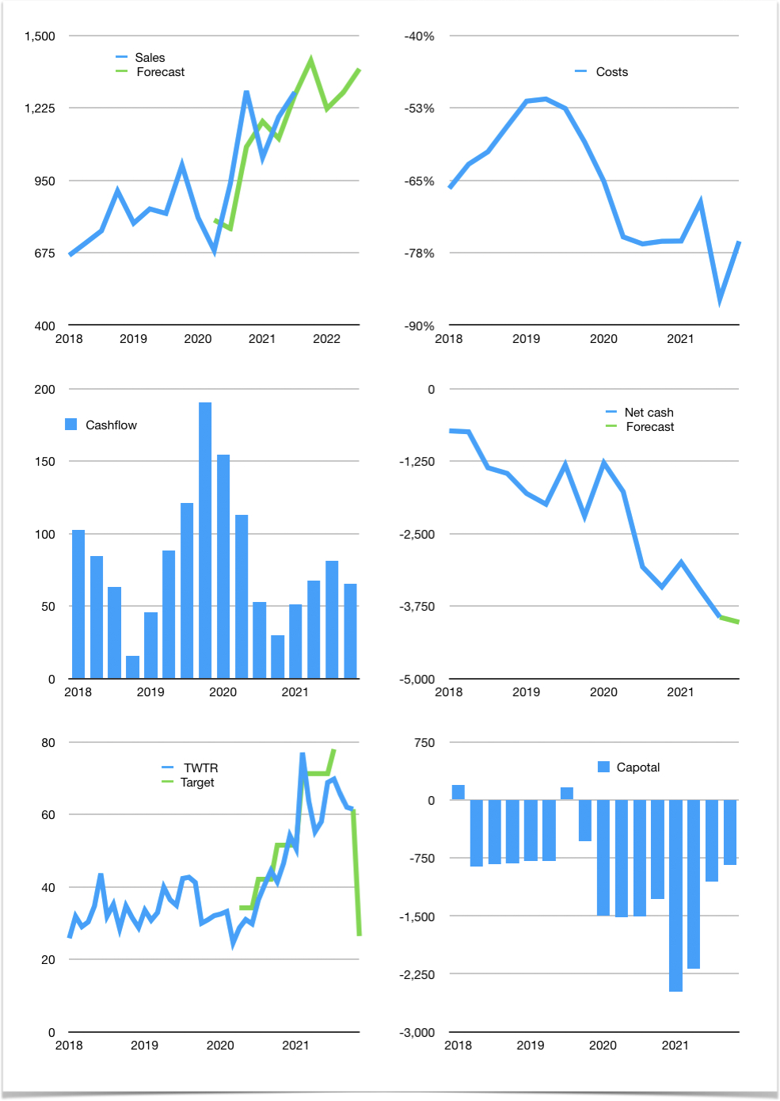
Financial model
$m | 4Q 2021
Cashflow | 10% |  |  | 4%
Growth | 18% | -13% | 5% | 7%
Sales | 1,404 | 1,222 | 1,283 | 1,373
Cost ratio | -76% | -76% | -76% | -76%
Cash costs | -1061 | -923 | -969 | -1037
Operating | 344 | 299 | 314 | 336
Investment | -270 | -270 | -270 | -270
Finance | -73 | -29 | -44 | -65
Liabilities | -371 | -352 | -335 | -318
Equity | -81 | -67 | -72 | -79
Before revolver | -378 | -391 | -363 | -331
Revolver | 378 | 391 | 363 | 331
Beginning | 3,474 | 3,474 | 3,474 | 3,474
Change | 0 | 0 | 0 | 0
Ending | 3,474 | 3,474 | 3,474 | 3,474
Profit
Non cash costs | -74 | -74 | -74 | -74
Net profit | 270 | 225 | 240 | 262
Balance sheet
Other assets | 15,418 | 15,688 | 15,958 | 16,229
Depreciation | 4,106 | 4,180 | 4,254 | 4,328
Net other assets | 11,312 | 11,508 | 11,704 | 11,901
Liabilities | 7,046 | 6,694 | 6,359 | 6,041
Revolver | 378 | 770 | 1,133 | 1,464
Equity | 7,361 | 7,519 | 7,687 | 7,870
Check | 0 | 0 | 0 | 0
Net cash | -3,950 | -3,989 | -4,018 | -4,031
Valuation
Capital | -981 | -952 | -909 | -843
Current value |  |  |  | 49,020
P/assets |  |  |  | 3.2
Yield |  |  |  | 1%
Cashflow |  |  |  | 211
Payback |  |  |  | 53
Valuation |  |  |  | 233
Forecast |  |  |  | 100
Value |  |  |  | 21,079
Shares |  |  |  | 798
Target |  |  |  | 26
Current |  |  |  | 61
V target |  |  |  | -57%
12 month growth |  |  |  | 37%
Sales forecasts |  |  |  | -3%

