Model
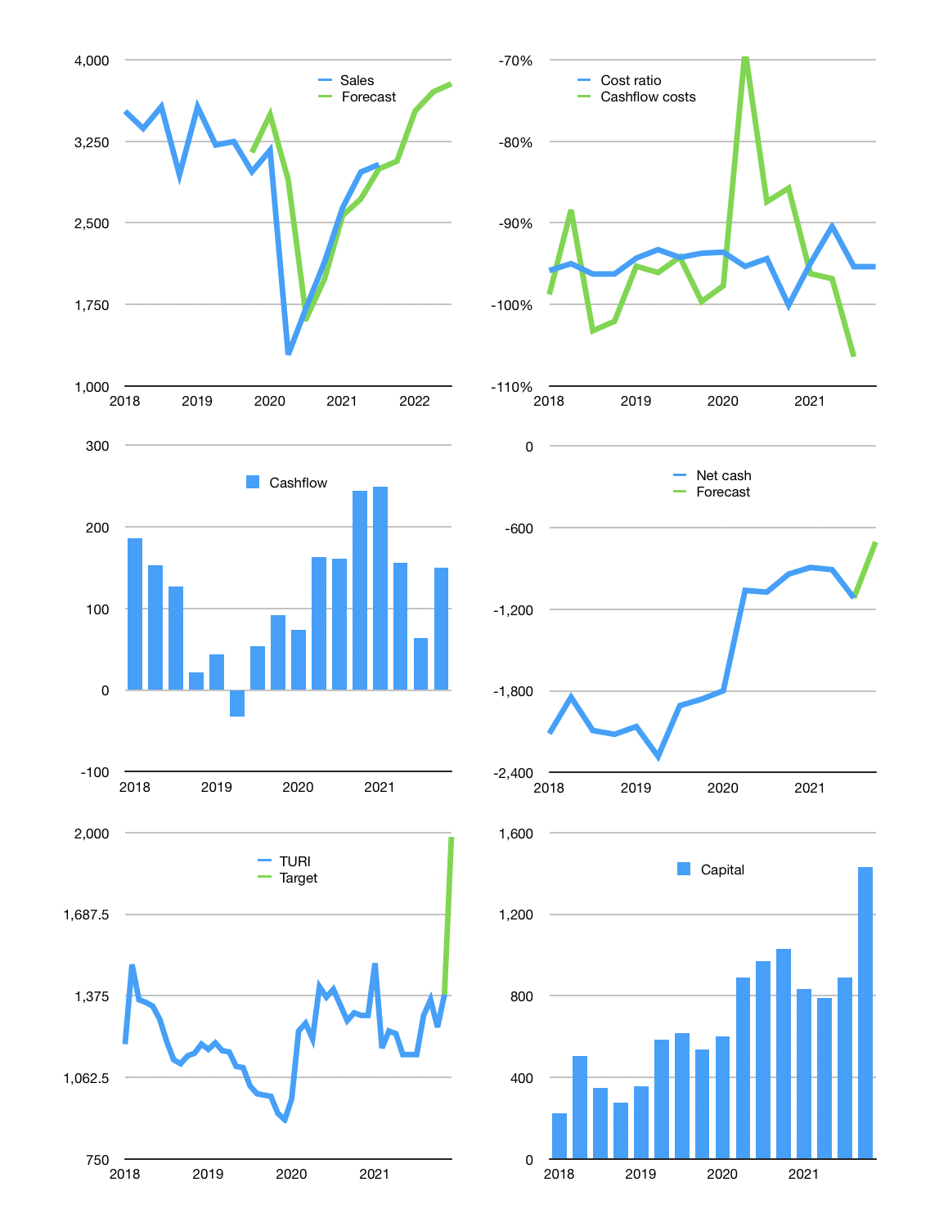
Financial model
Rpbn | 4Q 202
Cashflow | 16% |  |  | 6%
Growth | 1% | 15% | 5% | 2%
Sales | 3,068 | 3,528 | 3,704 | 3,778
Cost ratio | -95% | -95% | -95% | -95%
Cash costs | -2,926 | -3,364 | -3,533 | -3,603
Operating | 142 | 163 | 172 | 175
Investment | -25 | -25 | -25 | -25
Finance | -117 | -139 | -147 | -137
Liabilities | -107 | -102 | -97 | -92
Equity | -29 | -36 | -38 | -39
Before revolver | -19 | 1 | 12 | 19
Revolver | 19 | -1 | -12 | -6
Beginning | 1,032 | 1,032 | 1,032 | 1,032
Change | 0 | 0 | 0 | 13
Ending | 1,032 | 1,032 | 1,032 | 1,045
Profit
Non cash costs | -71 | -71 | -71 | -71
Other income | 27 | 27 | 27 | 27
Net profit | 97 | 119 | 127 | 130
Balance sheet
Other assets | 6,272 | 6,296 | 6,321 | 6,346
Depreciation | 965 | 1,010 | 1,055 | 1,100
Net other assets | 5,307 | 5,287 | 5,266 | 5,246
Liabilities | 2,041 | 1,939 | 1,842 | 1,750
Revolver | 19 | 18 | 6 | 0
Equity | 4,279 | 4,362 | 4,451 | 4,542
Check | 0 | 0 | 0 | 0
Net cash | -1,028 | -925 | -816 | -704
Valuation
Capital | 1,008 | 1,146 | 1,293 | 1,430
Current value |  |  |  | 7,700
P/assets |  |  |  | 1.22
Yield |  |  |  | 2%
Cashflow |  |  |  | 553
Payback |  |  |  | 10
Valuation |  |  |  | 14
Forecast |  |  |  | 20
Value |  |  |  | 11,067
Shares |  |  |  | 6
Target |  |  |  | 1,983
Current |  |  |  | 1,380
V target |  |  |  | 44%
12 month growth |  |  |  | 76%
Sales forecasts |  |  |  | 7%

