Model
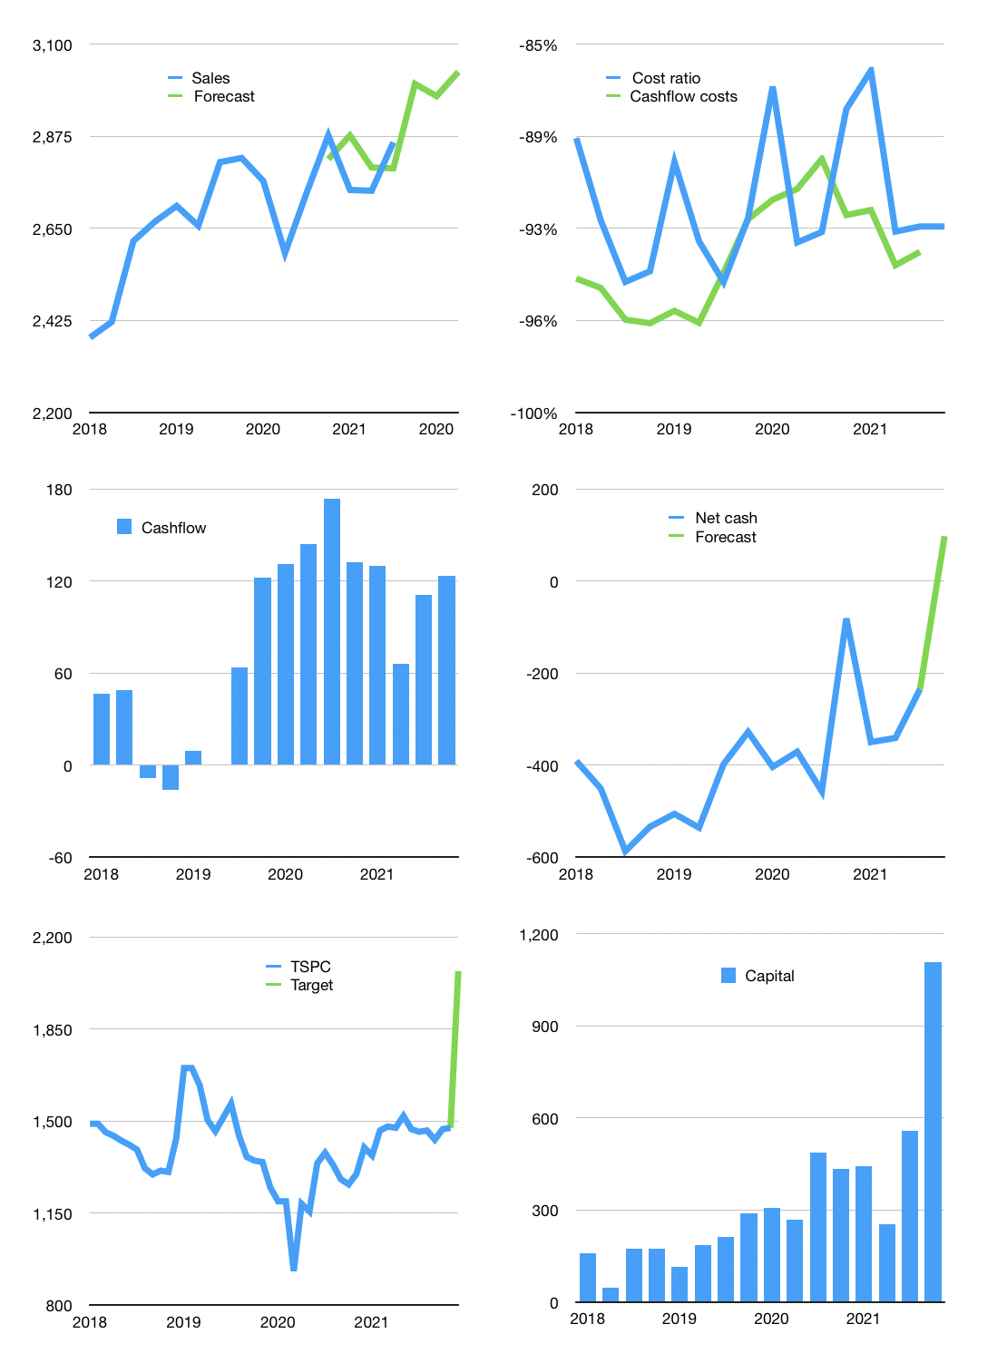
Financial model
Rp bn | 4Q 2021
Cashflow | 1% |  |  | 3%
Growth | 5% | -1% | 2% | 7%
Sales | 3,003 | 2,973 | 3,032 | 3,245
Cost ratio | -92% | -89% | -93% | -93%
Cash costs | -2,776 | -2,641 | -2,822 | -3,006
Operating | 227 | 332 | 210 | 238
Investment | -97 | -97 | -97 | -97
Leases | -18 | -18 | -18 | -18
Finance | -131 | -235 | -113 | -142
Liabilities | -146 | -139 | -132 | -125
Equity | -62 | -104 | -55 | -67
Before revolver | -78 | -8 | -74 | -50
Revolver | 78 | 8 | 74 | 50
Beginning | 2,689 | 2,689 | 2,689 | 2,689
Change | 0 | 0 | 0 | 0
Ending | 2,689 | 2,689 | 2,689 | 2,689
Profit
Non cash costs | -72 | -72 | -72 | -72
Profit | 156 | 261 | 138 | 167
Balance sheet
Other assets | 8,691 | 8,787 | 8,884 | 8,981
Depreciation | 1,739 | 1,810 | 1,882 | 1,953
Net other assets | 6,952 | 6,977 | 7,002 | 7,027
Liabilities | 2,778 | 2,639 | 2,507 | 2,382
Revolver | 78 | 86 | 160 | 210
Equity | 6,785 | 6,942 | 7,025 | 7,125
Check | 0 | 0 | 0 | 0
Net cash | -167 | -35 | 22 | 97
Valuation
Capital | 671 | 888 | 983 | 1,107
Current value |  |  |  | 6,637
P/assets |  |  |  | 0.68
Yield |  |  |  | 4%
Cashflow |  |  |  | 548
Payback |  |  |  | 13
Valuation |  |  |  | 12
Forecast |  |  |  | 17
Value |  |  |  | 9,318
Shares |  |  |  | 4
Target |  |  |  | 2,071
Current |  |  |  | 1,475
V target |  |  |  | 40%
12 month growth |  |  |  | 4%
Sales v forecast |  |  |  | 1%

