Model
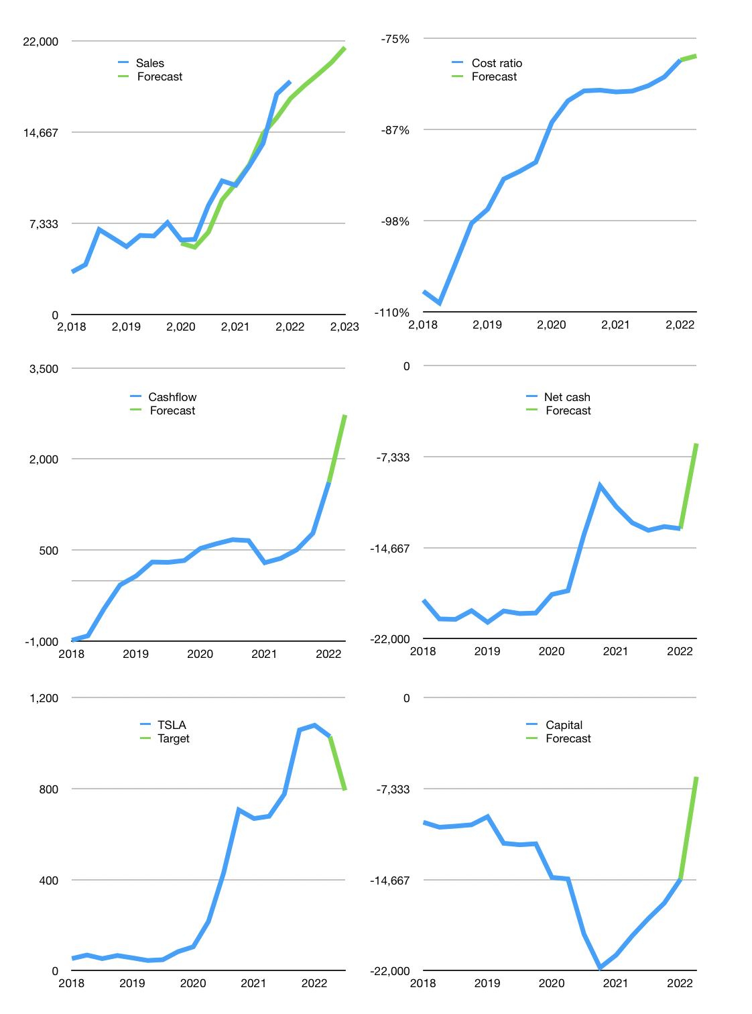
Financial model
$m |  |  | 4Q 2022
Cash flow | 16% |  |  | 4%
Growth | -2% | 5% | 5% | 6%
Sales | 18,381 | 19,300 | 20,265 | 21,481
Cost ratio | -77% | -77% | -77% | -77%
Cash costs | -14,194 | -14,903 | -15,649 | -16,587
Operating | 4,187 | 4,397 | 4,616 | 4,893
Investment | -2,167 | -2,167 | -2,167 | -2,167
Finance | -2,020 | -2,156 | -2,042 | -2,028
Liabilities | -1,532 | -1,455 | -1,382 | -1,313
Revolver | 85 | -85 | 0 | 0
Payout | 0.2
Equity | -574 | -616 | -660 | -715
Before revolver | -85 | 159 | 407 | 698
Beginning | 17,490 | 17,490 | 17,563 | 17,970
Change | 0 | 73 | 407 | 698
Ending | 17,490 | 17,563 | 17,970 | 18,668
Profit
Non cash costs | -1,317 | -1,317 | -1,317 | -1,317
Net profit | 2,870 | 3,080 | 3,299 | 3,576
Balance sheet
Other assets | 70,464 | 72,631 | 74,798 | 76,965
Depreciation | 21,066 | 22,383 | 23,700 | 25,017
Net other assets | 49,398 | 50,248 | 51,098 | 51,948
Liabilities | 29,100 | 27,645 | 26,263 | 24,950
Revolver | 85 | 0 | 0 | 0
Equity | 37,702 | 40,166 | 42,805 | 45,666
Check | 0 | 0 | 0 | 0
Net cash | -11,696 | -10,082 | -8,293 | -6,282
Valuation
Capital | -12,622 | -10,465 | -8,423 | -6,395
Current value |  |  |  | 1,062,603,348,182
Current value |  |  |  | 1,062,603
P/assets |  |  |  | 15
Yield |  |  |  | 0%
Cashflow |  |  |  | 10,905
Payback |  |  |  | 4
Valuation |  |  |  | 97
Forecast |  |  |  | 75
Value |  |  |  | 817,910
Shares |  |  |  | 1,034
Target |  |  |  | 791
Current |  |  |  | 1,028
V target |  |  |  | -23%
12 month growth |  |  |  | 81%
Sales forecasts |  |  |  | -7%

