Model
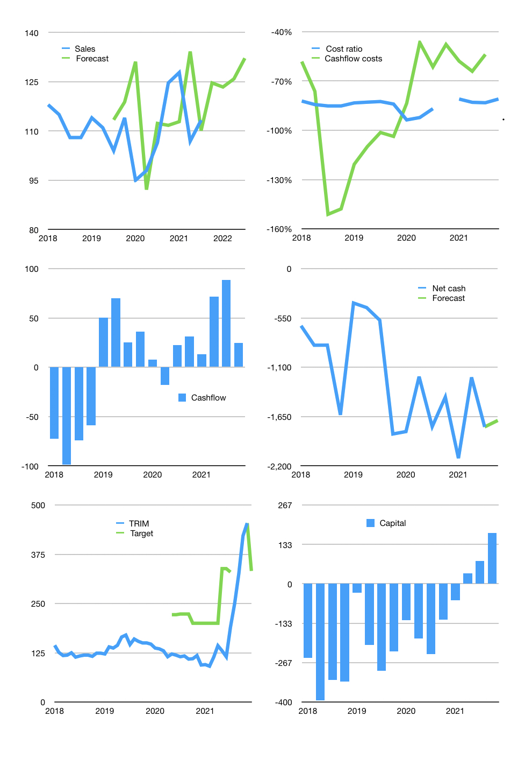
Financial model
Rpbn | 4Q 2021
Cashflow | 2% |  |  | 4%
Growth | 10.0% | -1% | 2% | 5%
Sales | 125 | 123 | 126 | 132
Cost ratio | -81% | -81% | -81% | -81%
Cash costs | -101 | -100 | -102 | -107
Operating | 24 | 23 | 24 | 25
Investment | 0 | 0 | 0 | 0
Finance | -23 | -23 | -24 | -25
Liabilities | -114 | -109 | -103 | -98
Equity | -6 | -5 | -6 | -6
Before revolver | -97 | -91 | -85 | -79
Revolver | 97 | 91 | 85 | 79
Beginning | 520 | 520 | 520 | 520
Change | 0 | 0 | 0 | 0
Ending | 520 | 520 | 520 | 520
Profit
Non cash costs | -5 | -5 | -5 | -5
Net profit | 18 | 18 | 19 | 20
Balance sheet
Other assets | 2,780 | 2,781 | 2,781 | 2,782
Depreciation | 148 | 153 | 159 | 164
Net LT assets | 2,632 | 2,627 | 2,623 | 2,618
Liabilities | 2,172 | 2,063 | 1,960 | 1,862
Revolver | 97 | 188 | 273 | 352
Equity | 884 | 897 | 910 | 924
Check | 0 | 0 | 0 | 0
Net cash | -1,748 | -1,731 | -1,713 | -1,694
Valuation
Capital | 101 | 125 | 148 | 173
Current value |  |  |  | 3,228
P/assets |  |  |  | 1.03
Yield |  |  |  | 1%
Cashflow |  |  |  | 95
Payback |  |  |  | 22
Valuation |  |  |  | 34
Forecast |  |  |  | 25
Value |  |  |  | 2,365
Shares |  |  |  | 7
Target |  |  |  | 333
Current |  |  |  | 454
V target |  |  |  | -27%
12 month growth |  |  |  | 6%
Sales forecasts |  |  |  | 5%

OJK
Table 1
 | OJK | Sales | TRIM OJK levy % of sales
2014 | 1901 | 260721 | 0.7%
2015 | 4361 | 323112 | 1.3%
2016 | 7001 | 394833 | 1.8%
2017 | 7748 | 402679 | 1.9%
2018 | 12045 | 448528 | 2.7%
2019 | 11211 | 443009 | 2.5%
2020 | 11552 | 424019 | 2.7%
2021 | 7616 | 234676 | 3.2%

