Model
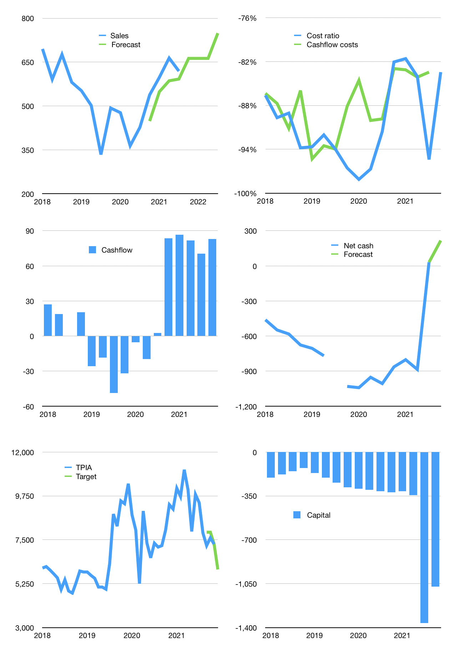
Financial model
$m | 4Q 2021
Cashflow | 10% |  |  | 5%
Growth | 7% | 0% | 0% | 13%
Sales | 663 | 663 | 663 | 749
Cost ratio | -83% | -83% | -83% | -83%
Cash costs | -553 | -553 | -553 | -625
Operating | 110 | 110 | 110 | 124
Investment | -41 | -41 | -41 | -41
Finance | -69 | -69 | -69 | -83
Liabilities | -83 | -79 | -75 | -71
Equity | -25 | -25 | -25 | -29
Before revolver | -39 | -35 | -31 | -17
Revolver | 39 | 35 | 31 | 17
Beginning | 1,687 | 1,687 | 1,687 | 1,687
Change | 0 | 0 | 0 | 0
Ending | 1,687 | 1,687 | 1,687 | 1,687
Profit
Non cash costs | -27 | -27 | -27 | -27
Profit | 82 | 82 | 82 | 97
Balance sheet
Other assets | 4,579 | 4,620 | 4,661 | 4,702
Depreciation | 1,661 | 1,689 | 1,716 | 1,744
Net other assets | 2,918 | 2,931 | 2,945 | 2,959
Liabilities | 1,573 | 1,495 | 1,420 | 1,349
Revolver | 39 | 74 | 104 | 122
Equity | 2,993 | 3,050 | 3,108 | 3,175
Check | 0 | 0 | 0 | 0
Net cash | 75 | 119 | 163 | 217
Valuation
Rupiah |  |  |  | 14
Capital | -1,295 | -1,226 | -1,157 | -1,075
Current value |  |  |  | 11,236
P/assets |  |  |  | 2.42
Yield |  |  |  | 1%
Cashflow |  |  |  | 289
Payback |  |  |  | 10
Valuation |  |  |  | 39
Forecast |  |  |  | 32
Value |  |  |  | 9,233
Shares |  |  |  | 22
Target |  |  |  | 5,979
Current |  |  |  | 7,275
V target |  |  |  | -18%
12 month growth |  |  |  | 45%
Sales forecasts |  |  |  | -10%

