Model
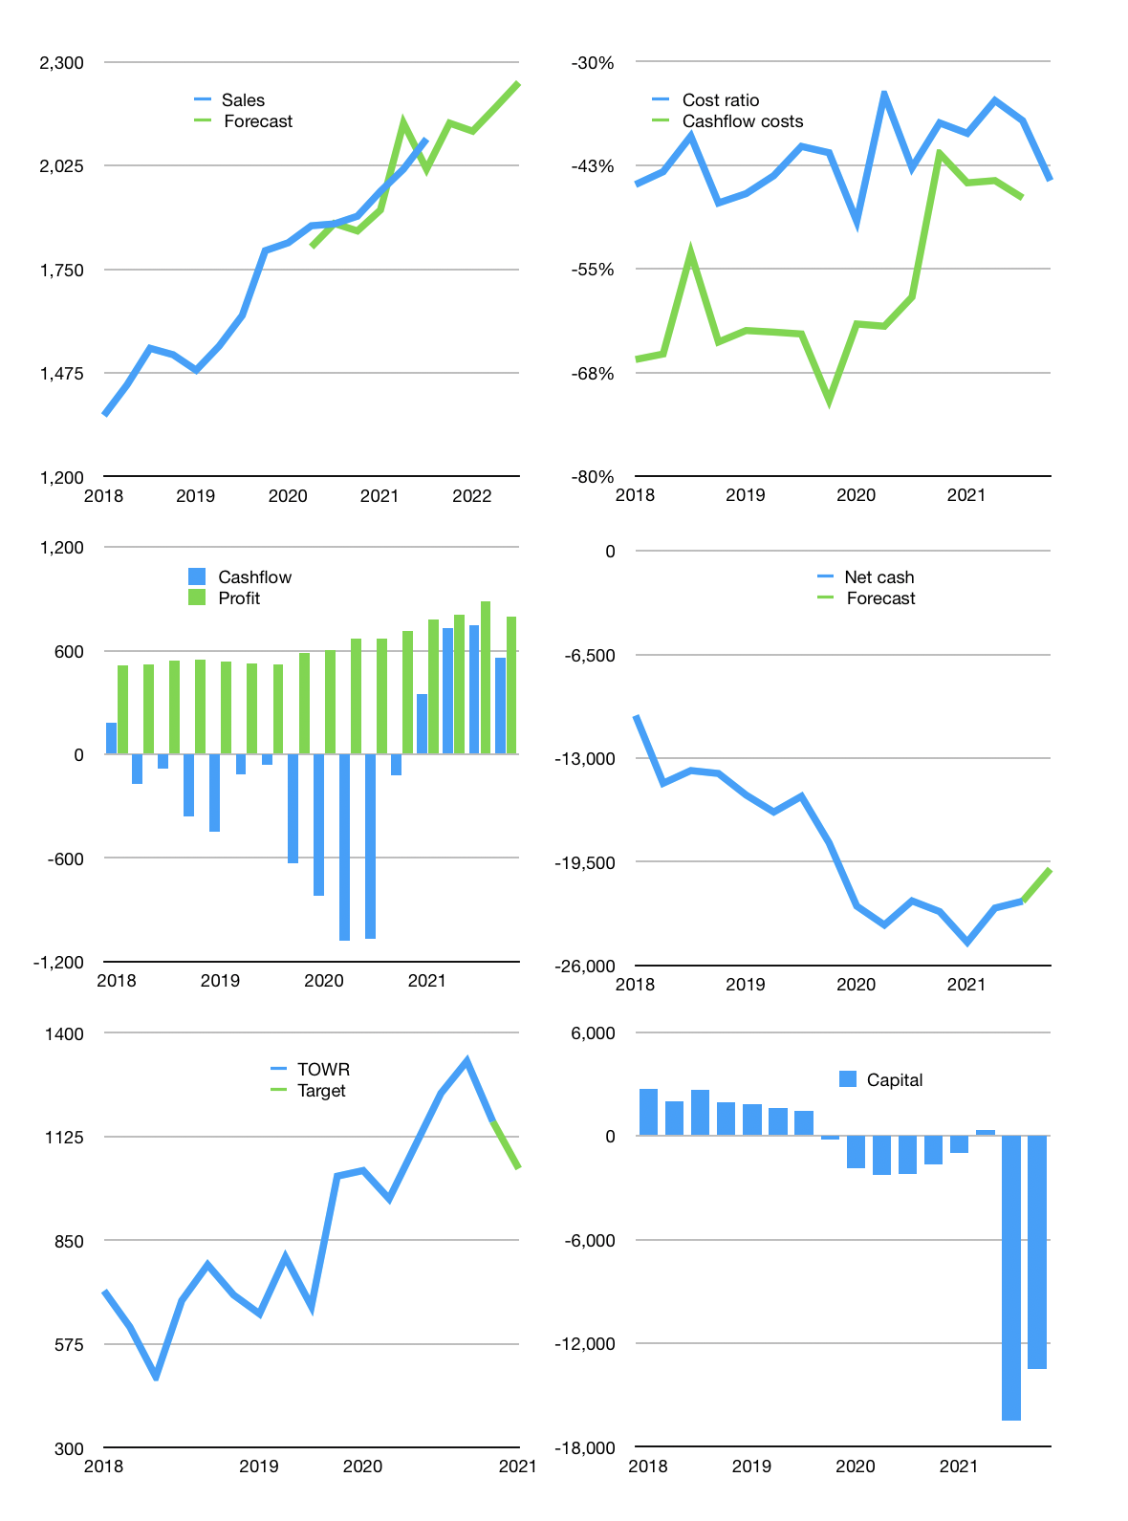
Financial model
Rpbn | 4Q 2021
Cashflow | 3% |  |  | 2%
Growth | 2% | -1% | 3% | 3%
Sales | 2,137 | 2,116 | 2,179 | 2,245
Cost ratio | -44% | -44% | -44% | -44%
Cash costs | -948 | -939 | -967 | -996
Non cash costs | -409 | -409 | -409 | -409
Net profit | 780 | 768 | 803 | 840
Operating | 1,189 | 1,177 | 1,212 | 1,249
Investment | -464 | -464 | -464 | -464
Leases | -225 | -225 | -225 | -225
Free cashflow | 500 | 488 | 524 | 560
Liabilities | -2,037 | -1,935 | -1,839 | -1,747
Equity | -234 | -230 | -241 | -252
Before revolver | -1,546 | -1,453 | -1,331 | -1,214
Revolver | 1,546 | 1,453 | 1,331 | 1,214
Finance | -725 | -713 | -748 | -784
Beginning | 18,774 | 18,774 | 18,774 | 18,774
Change | 0 | 0 | 0 | 0
Ending | 18,774 | 18,774 | 18,774 | 18,774
Balance Sheet
Other assets | 40,864 | 41,328 | 41,792 | 42,256
Depreciation | 7,366 | 7,775 | 8,184 | 8,593
Net other assets | 33,498 | 33,553 | 33,608 | 33,663
Liabilities | 38,706 | 36,771 | 34,932 | 33,185
Revolver | 1,546 | 2,999 | 4,331 | 5,545
Equity | 12,020 | 12,557 | 13,119 | 13,707
Check | 0 | 0 | 0 | 0
Net cash | -21,478 | -20,996 | -20,489 | -19,956
Valuation
Capital | -15,743 | -15,030 | -14,282 | -13,498
Current value |  |  |  | 58,020
P/assetd |  |  |  | 1.1
Yield |  |  |  | 2%
Cashflow |  |  |  | 2,072
Payback |  |  |  | 16
Valuation |  |  |  | 28
Forecast |  |  |  | 25
Value |  |  |  | 51,795
Shares |  |  |  | 50
Target |  |  |  | 1,040
Current |  |  |  | 1,165
V target |  |  |  | -11%
12 month growth |  |  |  | 12%
Sales v forecast |  |  |  | -1%

