Model
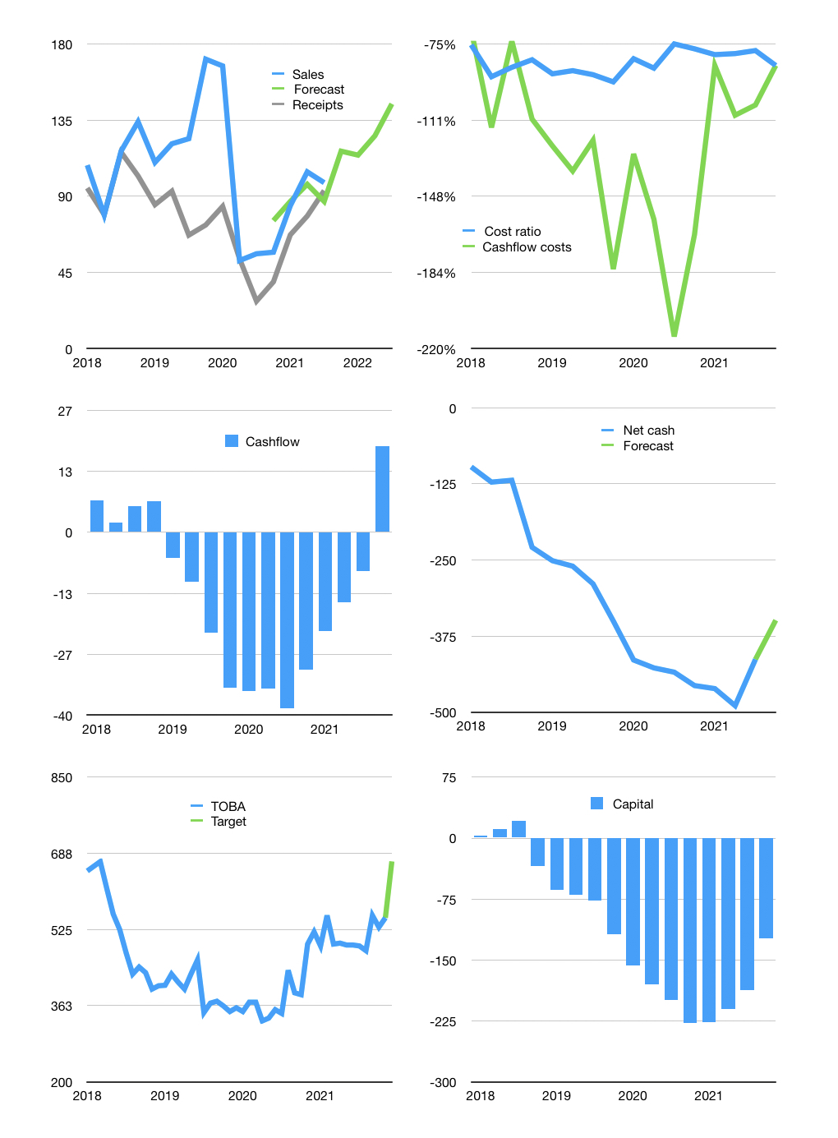
Financial model
$m |  | 4Q 2021
Cashflow | 20% |  |  | 12%
Growth | 25% | -2% | 10% | 15%
Sales | 117 | 114 | 126 | 145
Cost ratio | -85% | -85% | -85% | -85%
Cash costs | -99 | -97 | -107 | -123
Operating | 17 | 17 | 19 | 21
Investment | -2 | -2 | -2 | -2
Finance | -15 | -14 | -16 | -19
Liabilities | -24 | -23 | -21 | -20
Equity | 0 | 0 | 0 | 0
Before revolver | -9 | -8 | -5 | -1
Revolver | 9 | 8 | 5 | 1
Beginning | 62 | 62 | 62 | 62
Change | 0 | 0 | 0 | 0
End | 62 | 62 | 62 | 62
Profit
Non cash costs | -6 | -6 | -6 | -6
Profit | 11 | 10 | 12 | 15
Balance sheet
Other assets | 904 | 907 | 909 | 912
Depreciation | 174 | 181 | 187 | 194
Net other assets | 730 | 726 | 722 | 718
Liabilities | 451 | 429 | 407 | 387
Revolver | 9 | 17 | 22 | 24
Equity | 332 | 342 | 354 | 369
Check | 0 | 0 | 0 | 0
Net cash | -398 | -384 | -368 | -349
Valuation
Rupiah |  |  |  | 14
Capital | -172 | -158 | -142 | -123
Current value |  |  |  | 316
P/assets |  |  |  | 0.41
Yield |  |  |  | 0%
Cashflow |  |  |  | 64
Payback |  |  |  | 11
Valuation |  |  |  | 5
Forecast |  |  |  | 6
Value |  |  |  | 385
Shares |  |  |  | 8
Target |  |  |  | 670
Current |  |  |  | 550
V target |  |  |  | 22%
12 month growth |  |  |  | 233%
Sales forecasts |  |  |  | 1%

