Model
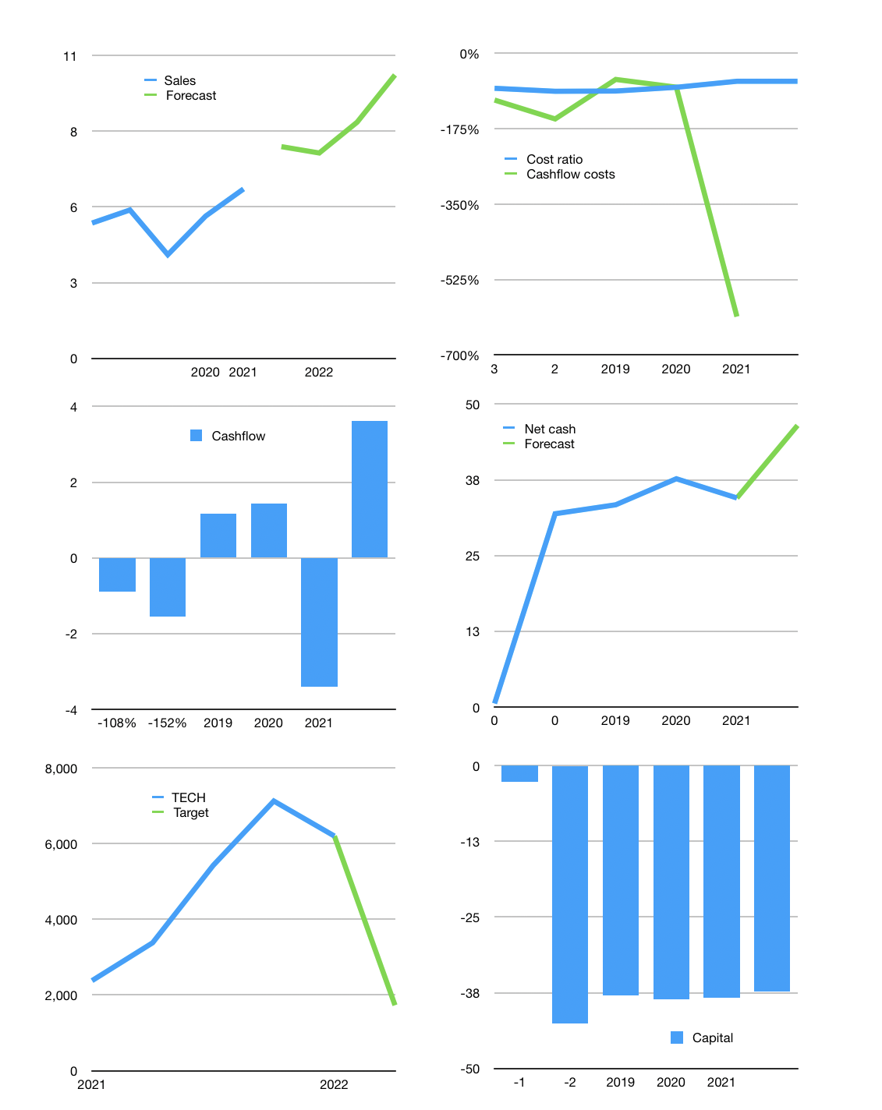
Model
Rpbn | 4Q 2021
Cashflow | 28% |  |  | 14%
Growth | 25% | -3% | 15% | 20.0%
Sales | 8 | 7 | 9 | 10
Cost ratio | -65% | -65% | -65% | -65%
Cash costs | -5 | -5 | -6 | -7
Non cash costs | -0.246 | 0 | 0 | 0
Profit | 2.454 | 2 | 3 | 3
Operating | 3 | 3 | 3 | 4
Investment | 0.008 | 0 | 0 | 0
Liabilities | -0.28855 | 0 | 0 | 0
Equity | 0 | 0 | 0 | 0
Before revolver | 2.41945 | 2 | 3 | 3
Revolver | 0 | 0 | 0 | 0
Beginning | 40 | 43 | 45 | 48
Change | 2.41945 | 2 | 3 | 3
Ending | 43 | 45 | 48 | 51
Balance sheet
Other assets | 24.732 | 25 | 25 | 25
Depreciation | 3.484 | 4 | 4 | 4
Liabilities | 5.48245 | 5 | 5 | 5
Revolver | 0 | 0 | 0 | 0
Equity | 58 | 61 | 64 | 67
Check | 0 | 0 | 0 | 0
Net cash | 37.209 | 40 | 43 | 46
Valuation
Capital | -38 | -38 | -38 | -37
Current value |  |  |  | 7,789
P/assets |  |  |  | 108.69
Yield |  |  |  | 0%
Cashflow |  |  |  | 14
Payback |  |  |  | 1.5
Valuation |  |  |  | 538
Forecast |  |  |  | 150
Value |  |  |  | 2173
Shares |  |  |  | 1
Current |  |  |  | 6,200
Target |  |  |  | 1,730
V target |  |  |  | -72%
12 month growth |  |  |  | -79%

