Model
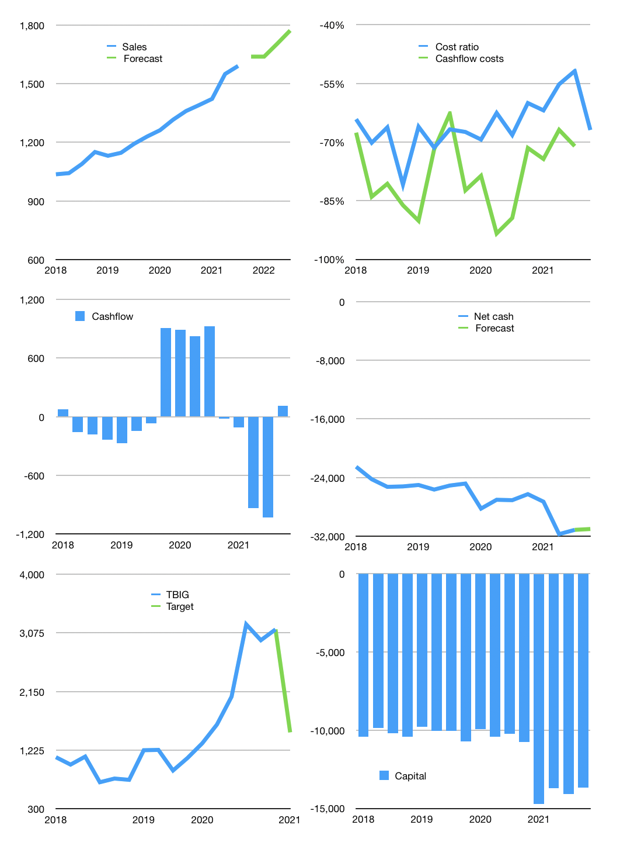
Financial model
Rpbn | 4Q 2021
Cashflow | 4% |  |  | 3%
Growth | 3% | 0% | 4% | 4%
Sales | 1,638 | 1,638 | 1,704 | 1,772
Cost ratio | -67% | -67% | -67% | -67%
Cash costs | -1,096 | -1,096 | -1,140 | -1,186
Non cash costs | -336 | -336 | -336 | -336
Net profit | 206 | 206 | 228 | 250
Operating | 542 | 542 | 564 | 586
Investment | -463 | -463 | -463 | -463
Leases | -15 | -15 | -15 | -15
Free cashflow | 65 | 65 | 87 | 109
Liabilities | -1,599 | -1,519 | -1,443 | -1,371
Equity | -62 | -62 | -68 | -75
Before revolver | -1,581 | -1,502 | -1,410 | -1,322
Revolver | 1,581 | 1,502 | 1,410 | 1,322
Finance | -80 | -80 | -101 | -124
Beginning | 842 | 842 | 842 | 842
Change | 0 | 0 | 0 | 0
Ending | 842 | 842 | 842 | 842
Balance Sheet
Other assets | 43,303 | 43,765 | 44,228 | 44,690
Depreciation | 2,433 | 2,769 | 3,105 | 3,441
Net other assets | 40,870 | 40,996 | 41,123 | 41,250
Liabilities | 30,384 | 28,865 | 27,421 | 26,050
Revolver | 1,581 | 3,083 | 4,493 | 5,816
Equity | 9,746 | 9,891 | 10,050 | 10,226
Check | 0 | 0 | 0 | 0
Net cash | -31,123 | -31,106 | -31,073 | -31,024
Valuation
Capital | -13,983 | -13,903 | -13,802 | -13,678
Current value |  |  |  | 67,710
P/assetd |  |  |  | 1.6
Yield |  |  |  | 0%
Cashflow |  |  |  | 326
Payback |  |  |  | 125
Valuation |  |  |  | 208
Forecast |  |  |  | 100
Value |  |  |  | 32,602
Shares |  |  |  | 22
Target |  |  |  | 1,507
Current |  |  |  | 3,130
V target |  |  |  | -52%
12 month growth |  |  |  | 17%
Sales v forecast |  |  |  | -100%

