Model
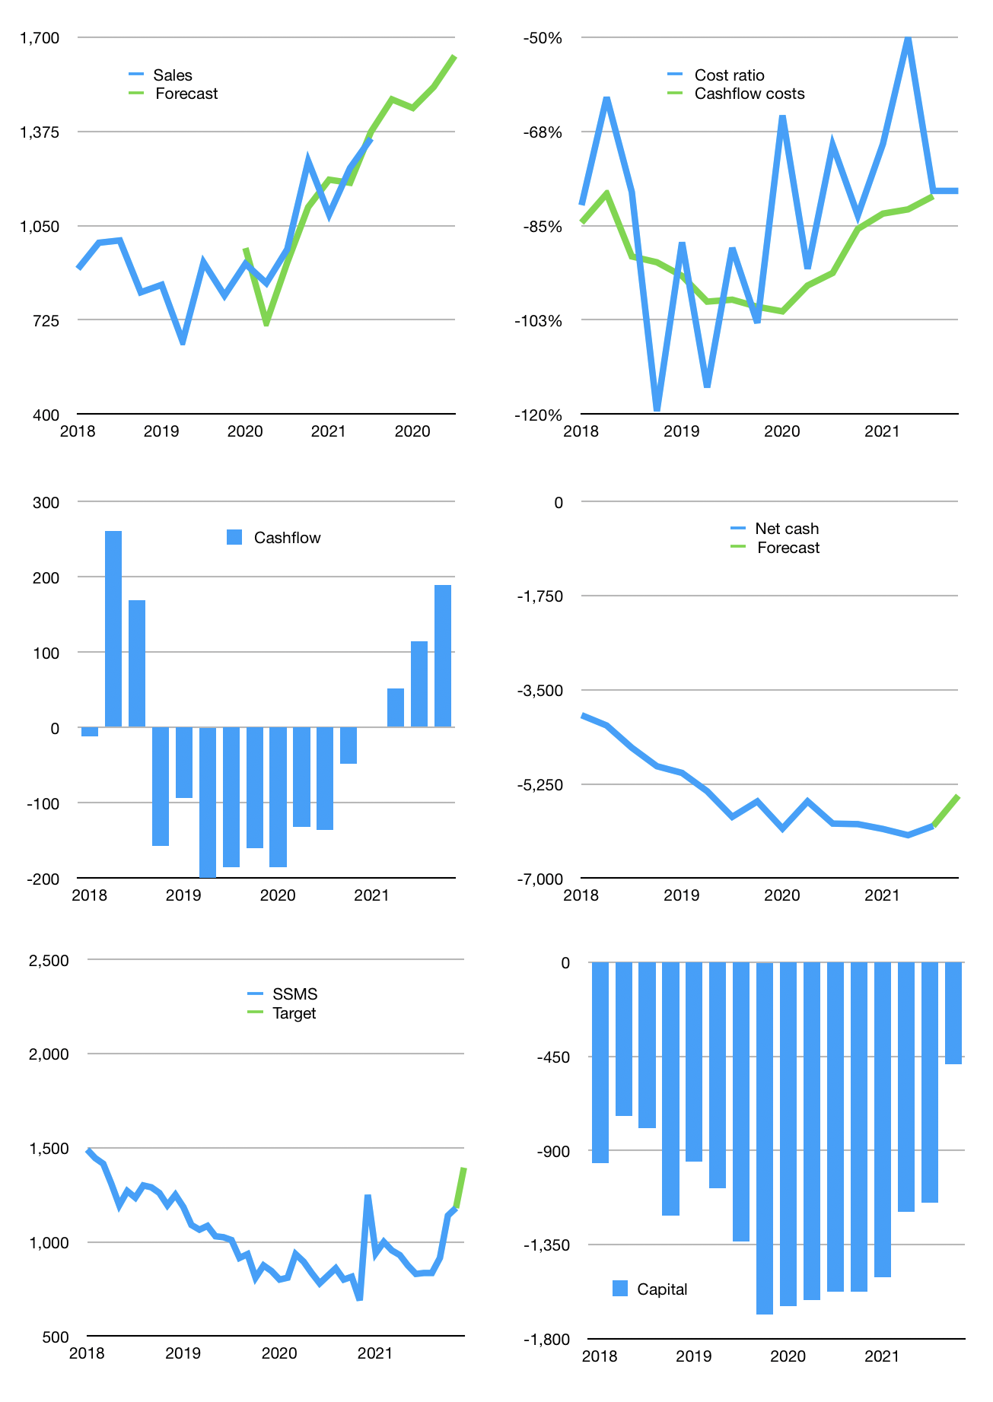
Financial model
Rpbn | 4Q 2021
Cashflow | 10% |  |  | 5%
Growth | 10% | -2% | 5% | 7%
Sales | 1,486 | 1,456 | 1,529 | 1,636
Cost ratio | -79% | -79% | -79% | -79%
Cash costs | -1,167 | -1,144 | -1,201 | -1,285
Operating | 319 | 313 | 328 | 351
Investment | -162 | -162 | -162 | -162
Finance | -157 | -151 | -166 | -189
Liabilities | -388 | -368 | -350 | -332
Equity | -25 | -24 | -25 | -28
Before revolver | -255 | -241 | -209 | -171
Revolver | 255 | 241 | 209 | 171
Beginning | 1,720 | 1,720 | 1,720 | 1,720
Change | 0 | 0 | 0 | 0
Ending | 1,720 | 1,720 | 1,720 | 1,720
Profit
Non cash costs | -74 | -74 | -74 | -74
Net profit | 245 | 239 | 254 | 277
Balance Sheet
Other assets | 14,492 | 14,653 | 14,815 | 14,977
Depreciation | 2,730 | 2,804 | 2,877 | 2,951
Net other assets | 11,762 | 11,850 | 11,938 | 12,025
Liabilities | 7,364 | 6,996 | 6,646 | 6,314
Revolver | 255 | 496 | 705 | 875
Equity | 5,863 | 6,077 | 6,306 | 6,556
Check | 0 | 0 | 0 | 0
Net cash | -5,899 | -5,772 | -5,631 | -5,469
Valuation
Capital | -994 | -843 | -676 | -487
Current value |  |  |  | 11,240
P/assets |  |  |  | 0.82
Yield |  |  |  | 1%
Cashflow |  |  |  | 664
Payback |  |  |  | 18
Valuation |  |  |  | 17
Forecast |  |  |  | 20
Value |  |  |  | 13,281
Shares |  |  |  | 10
Target |  |  |  | 1,394
Current |  |  |  | 1,180
V target |  |  |  | 18%
12 month growth |  |  |  | 39%
Sales forecasts |  |  |  | -3%

