Model
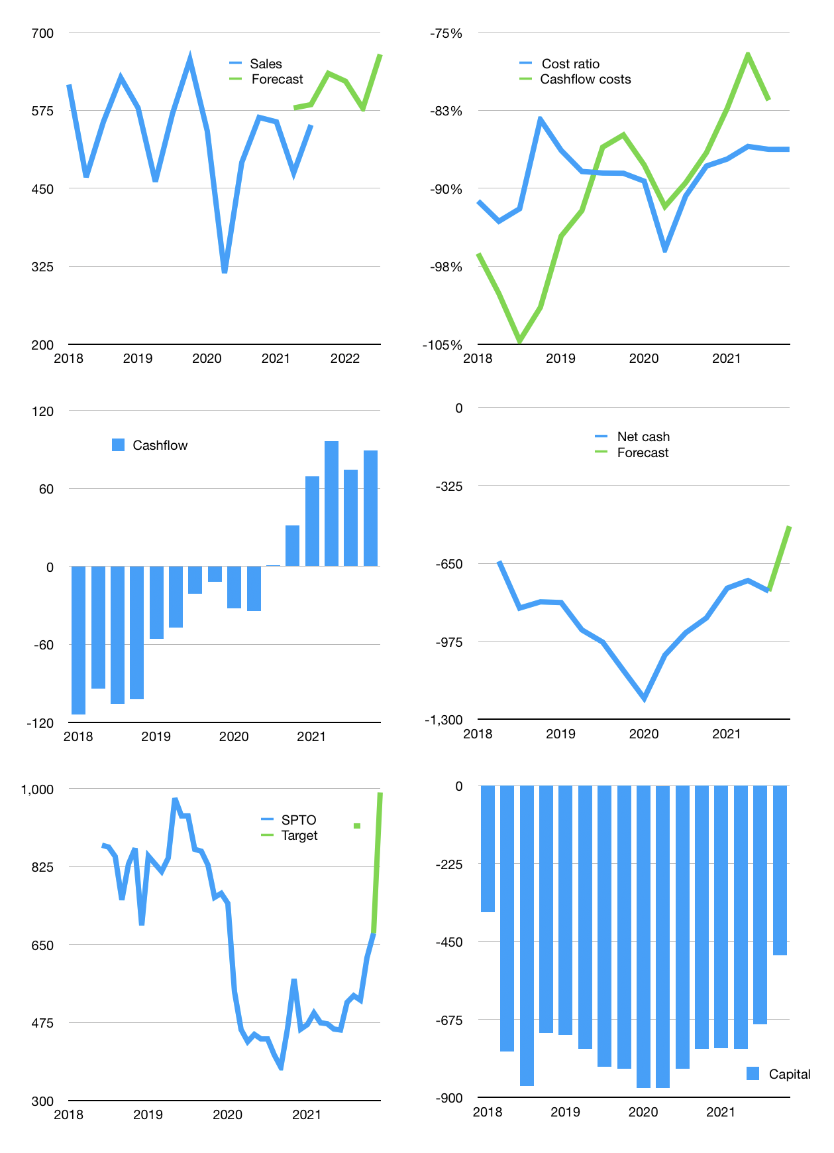
Financial model
Rpbn | 4Q 2021
Cashflow | 4% |  |  | 5%
Growth | 15% | -2% | -7% | 15%
Sales | 634 | 622 | 578 | 665
Cost ratio | -86% | -86% | -86% | -86%
Cash costs | -547 | -536 | -499 | -573
Operating | 87 | 85 | 79 | 91
Investment | -2 | -2 | -2 | -2
Leases | 0 | 0 | 0 | 0
Finance | -72 | -68 | -64 | -65
Liabilities | -55 | -52 | -49 | -47
Equity | -17 | -16 | -15 | -18
Before revolver | 13 | 15 | 13 | 24
Revolver | 0 | 0 | 0 | 0
Beginning | 331 | 344 | 359 | 372
Change | 13 | 15 | 13 | 24
End | 344 | 359 | 372 | 396
Profit
Non cash costs | -31 | -31 | -31 | -31
Profit | 57 | 55 | 49 | 61
Balance sheet
Other assets | 3,052 | 3,054 | 3,055 | 3,057
Depreciation | 279 | 309 | 340 | 370
Net other assets | 2,773 | 2,744 | 2,715 | 2,687
Liabilities | 1,041 | 988 | 938 | 891
Revolver | 0 | 0 | 0 | 0
Equity | 2,077 | 2,115 | 2,149 | 2,192
Check | 0 | 0 | 0 | 0
Net cash | -697 | -629 | -566 | -495
Valuation
Capital | -686 | -618 | -555 | -490
Current value |  |  |  | 1,823
P/assets |  |  |  | 0.59
Yield |  |  |  | 4%
Cashflow |  |  |  | 335
Payback |  |  |  | 8
Valuation |  |  |  | 5
Forecast |  |  |  | 8
Value |  |  |  | 2,677
Shares |  |  |  | 3
Target |  |  |  | 991
Current |  |  |  | 675
V target |  |  |  | 47%
12 month growth |  |  |  | 12%
Sales v forecast |  |  |  | 13%

