Model
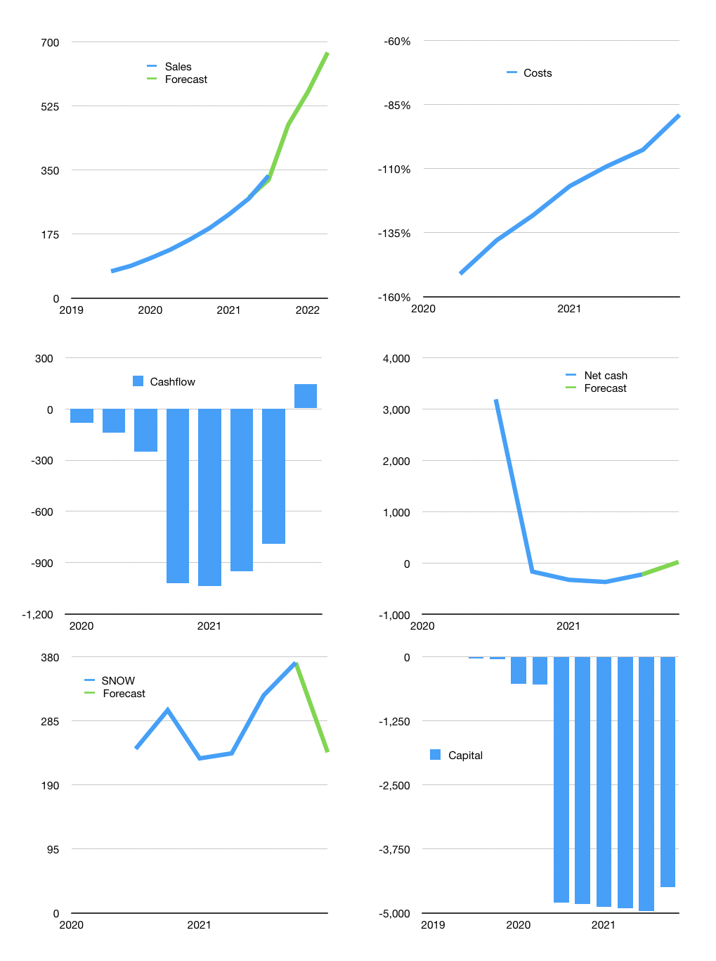
Financial model
$m | 4Q 2021
Cashflow | 20% |  |  | 19%
Growth | 19% | 19% | 19% | 19%
Sales | 398 | 474 | 564 | 671
Cost ratio | -93% | -93% | -93% | -78%
Cash costs | -369 | -439 | -522 | -522
Operating | 29 | 35 | 41 | 148
Investment | -2 | -2 | -2 | -2
Finance | -89 | -86 | -114 | -174
Liabilities | -58 | -55 | -52 | -50
Equity | 0 | 0 | 0 | 0
Before revolver | -31 | -23 | -13 | 96
Revolver | -31 | -31 | -62 | -124
Beginning | 935 | 873 | 820 | 744
Change | -62 | -54 | -75 | -28
Ending | 873 | 820 | 744 | 717
Profit
Non cash | -179 | -179 | -179 | -179
Profit | -150 | -145 | -138 | -31
Balance sheet
Other assets | 6,078 | 6,080 | 6,082 | 6,084
Depreciation | 1,026 | 1,206 | 1,385 | 1,564
Net other assets | 5,051 | 4,874 | 4,697 | 4,520
Liabilities | 1,099 | 1,044 | 992 | 942
Revolver | -31 | -62 | -124 | -248
Equity | 4,856 | 4,712 | 4,574 | 4,543
Check | 0 | 0 | 0 | 0
Net cash | -195 | -162 | -123 | 23
Valuation
Capital | -4,872 | -4,786 | -4,671 | -4,498
Current value |  |  |  | 113,700
P/assets |  |  |  | 22
Yield |  |  |  | 0%
Cashflow |  |  |  | 292
Payback |  |  |  | 18
Valuation |  |  |  | 389
Forecast |  |  |  | 250
Value |  |  |  | 73,006
Shares |  |  |  | 306
Target |  |  |  | 238
Current |  |  |  | 371
V target |  |  |  | -36%
12 month growth |  |  |  | 109%
Sales forecasts |  |  |  | -1%

