Model
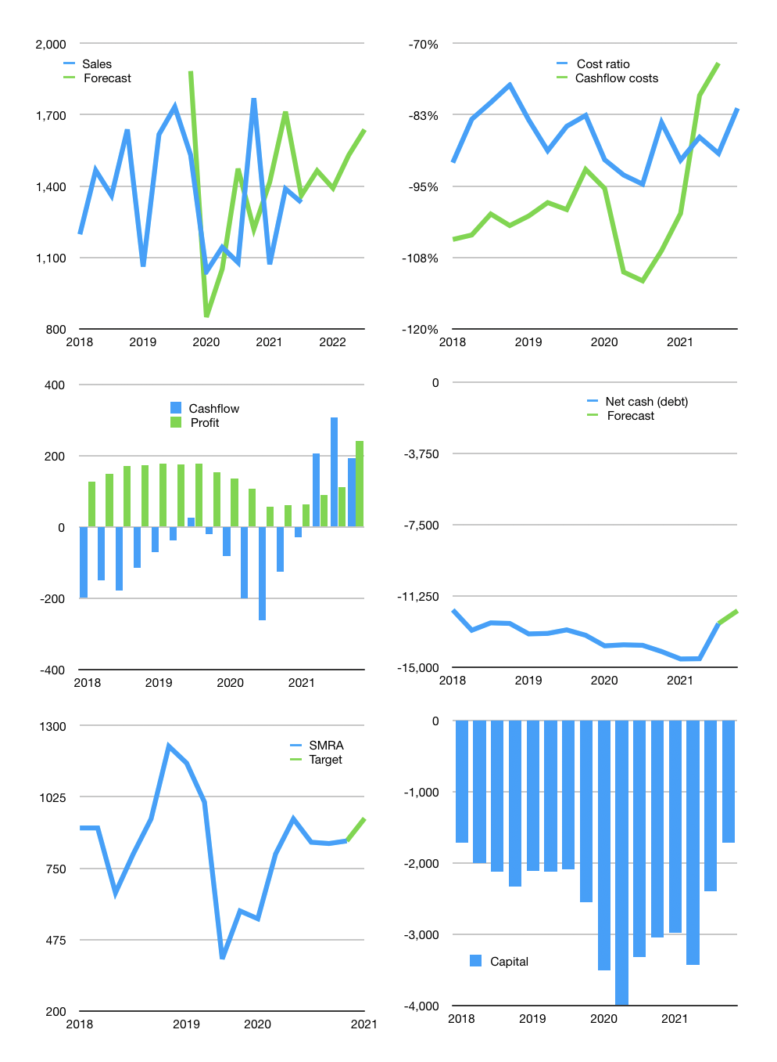
Financial model
Rpbn | 4Q 2021
Cashflow | 13% |  |  | 6%
Growth | 10% | -5% | 10% | 7%
Sales | 1,464 | 1,391 | 1,530 | 1,637
Cost ratio | -81% | -81% | -81% | -81%
Cash costs | -1192 | -1132 | -1245 | -1332
Operating | 273 | 259 | 285 | 305
Investment | -111 | -111 | -111 | -111
Finance | -162 | -148 | -174 | -194
Liabilities | -740 | -703 | -668 | -634
Equity | 0 | 0 | 0 | 0
Before revolver | -578 | -555 | -493 | -440
Revolver | 578 | 555 | 493 | 440
Beginning | 2,086 | 2,086 | 2,086 | 2,086
Change | 0 | 0 | 0 | 0
Ending | 2,086 | 2,086 | 2,086 | 2,086
Profit
Non cash costs | -64 | -64 | -64 | -64
Net profit | 209 | 195 | 221 | 241
Balance sheet
Other assets | 26,299 | 26,409 | 26,520 | 26,631
Depreciation | 2,892 | 2,956 | 3,020 | 3,084
Net other assets | 23,407 | 23,453 | 23,500 | 23,546
Liabilities | 14,060 | 13,357 | 12,689 | 12,055
Revolver | 578 | 1,132 | 1,626 | 2,066
Equity | 10,855 | 11,050 | 11,271 | 11,512
Check | 0 | 0 | 0 | 0
Net cash | -12,552 | -12,403 | -12,229 | -12,035
Valuation
Capital | -2,237 | -2,089 | -1,914 | -1,720
Current value |  |  |  | 12,330
P/assets |  |  |  | 0.48
Yield |  |  |  | 0%
Cashflow |  |  |  | 679
Payback |  |  |  | 34
Valuation |  |  |  | 18
Forecast |  |  |  | 20
Value |  |  |  | 13,585
Shares |  |  |  | 14
Target |  |  |  | 942
Current |  |  |  | 855
V target |  |  |  | 10%
12 month growth |  |  |  | 23%
Sales v forecast |  |  |  | 6%

