Model
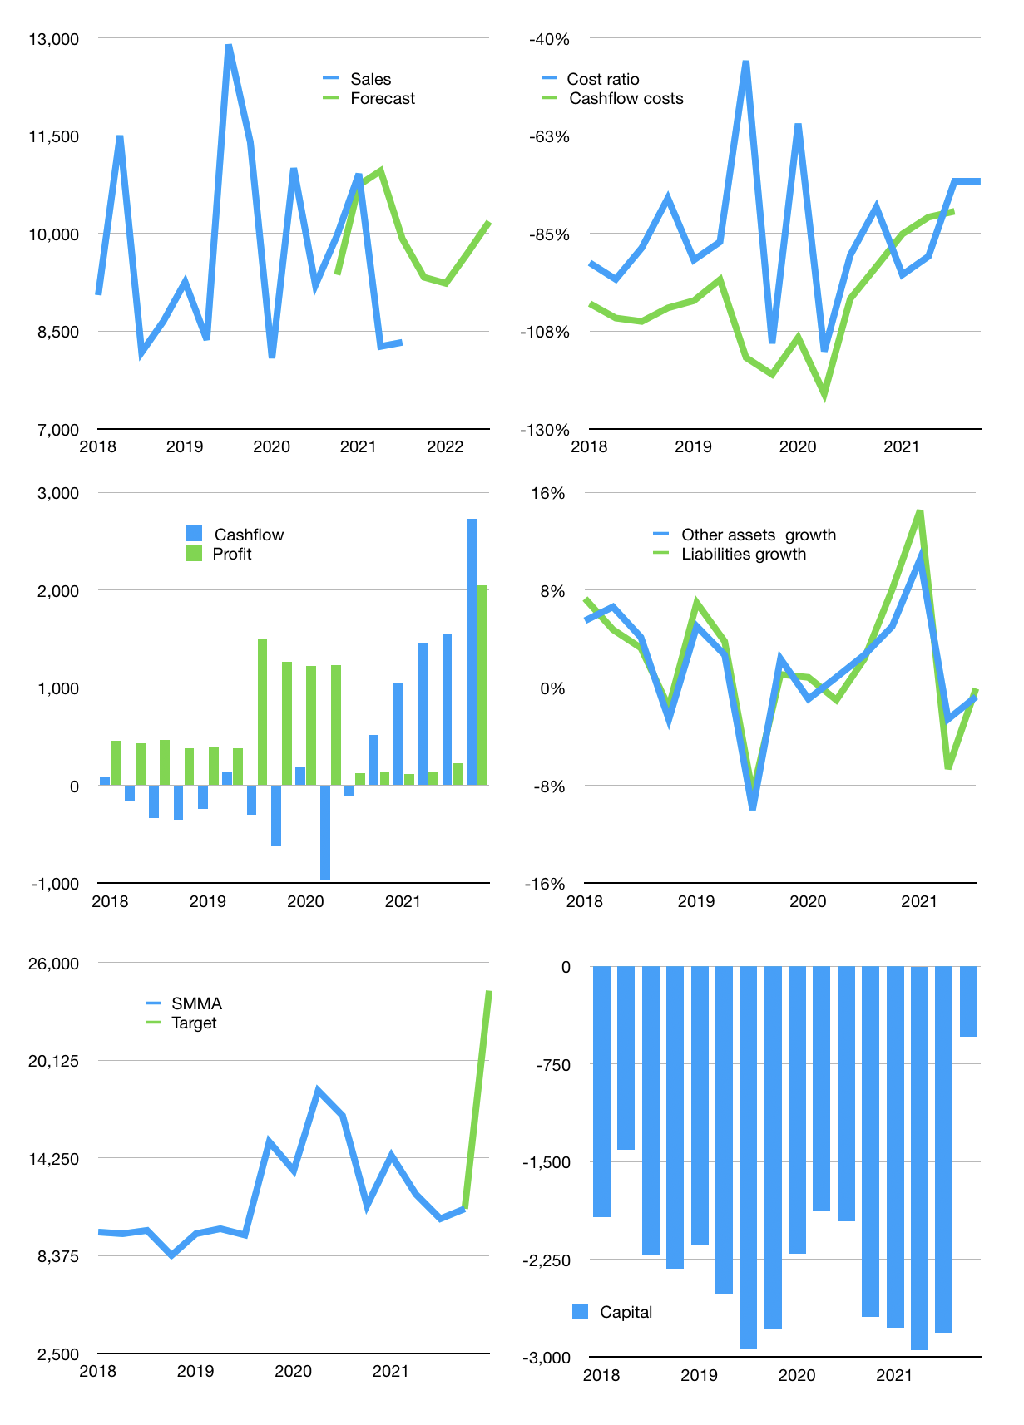
Financial model
Rpbn | 4Q 2021
Cashflow | -1% |  |  | 5%
Growth | 12% | -1% | 5% | 5%
Sales | 9,325 | 9,232 | 9,694 | 10,178
Cost ratio | -73% | -73% | -73% | -73%
Cash costs | -6,808 | -6,740 | -7,077 | -7,431
Operating | 2,517 | 2,492 | 2,617 | 2,747
Investment | -12 | -12 | -12 | -12
Finance | -547 | -539 | -576 | -616
Equity | -547 | -539 | -576 | -616
Before revolver | 1,958 | 1,941 | 2,028 | 2,120
Revolver | 0 | 0 | 0 | 0
Beginning | 4,463 | 6,421 | 8,362 | 10,390
Change | 1,958 | 1,941 | 2,028 | 2,120
Ending | 6,421 | 8,362 | 10,390 | 12,510
Profit
Provisions | -586 | -586 | -586 | -586
Depreciation | -109 | -109 | -109 | -109
Profit | 1,822 | 1,797 | 1,921 | 2,052
Balance sheet
Other assets | 113,230 | 113,242 | 113,254 | 113,266
Depreciation | 3,244 | 3,940 | 4,635 | 5,330
Net assets | 109,986 | 109,303 | 108,619 | 107,936
Liabilities | 91,392 | 91,392 | 91,392 | 91,392
Revolver | 0 | 0 | 0 | 0
Equity | 25,015 | 26,273 | 27,618 | 29,054
Check | 0 | 0 | 0 | 0
Valuation
Capital | -2,270 | -1,731 | -1,154 | -539
Current value |  |  |  | 71,320
P/assets |  |  |  | 0.59
Yield |  |  |  | 3%
Cashflow |  |  |  | 10,324
Valuation |  |  |  | 7
Forecast |  |  |  | 15
Value |  |  |  | 154,867
Shares |  |  |  | 6
Target |  |  |  | 24,320
Current |  |  |  | 11,200
V target |  |  |  | 117%
12 month growth |  |  |  | -10%
Forecast v sales |  |  |  | 7%

