Model
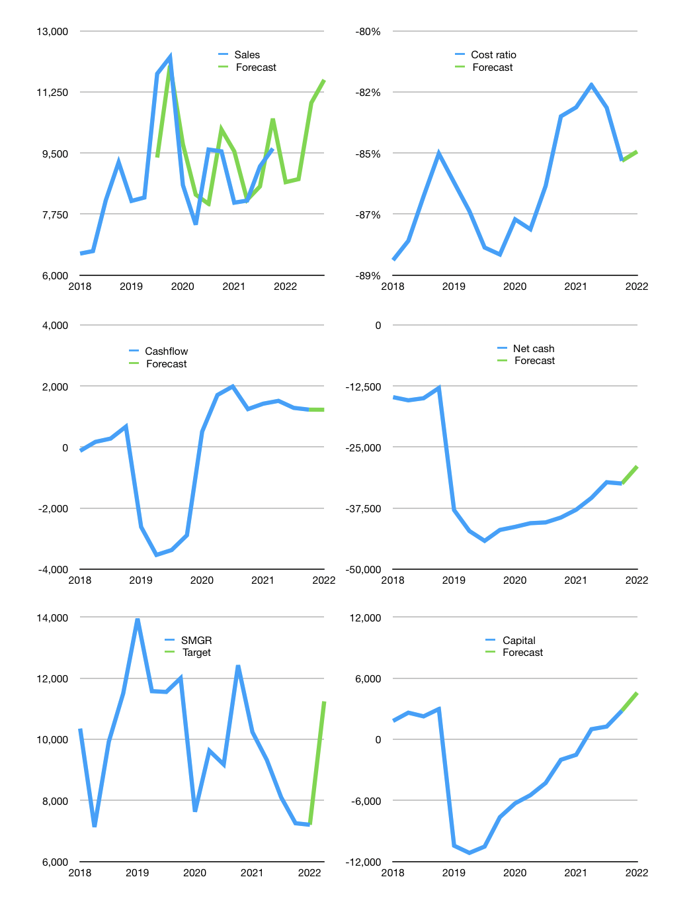
Financial model
Rpbn |  |  |  | 4Q 2022
Cashflow | 1% |  |  | 6%
Growth | -10% | 1% | 25% | 6%
Sales | 8,665 | 8,751 | 10,939 | 11,596
Cost ratio | -84% | -84% | -84% | -84%
Cash costs | -7,317 | -7,390 | -9,238 | -9,792
Operating | 1,348 | 1,361 | 1,702 | 1,804
Investment | -447 | -447 | -447 | -447
Lease | -135 | -135 | -135 | -135
Finance | -766 | -779 | -1,120 | -1,222
Liabilities | -1,747 | -1,653 | -1,564 | -1,479
Equity | -160 | -164 | -266 | -297
Before revolver | -1,141 | -1,038 | -710 | -554
Revolver | 1,141 | 1,038 | 710 | 554
Beginning | 2,470 | 2,470 | 2,470 | 2,470
Change | 0 | 0 | 0 | 0
Ending | 2,470 | 2,470 | 2,470 | 2,470
Profit
Non cash costs | -814 | -814 | -814 | -814
Net profit | 534 | 548 | 888 | 990
Balance sheet
Other assets | 100,426 | 100,874 | 101,321 | 101,768
Depreciation | 26,759 | 27,572 | 28,386 | 29,200
Net other assets | 73,668 | 73,301 | 72,935 | 72,568
Liabilities | 33,059 | 31,271 | 29,573 | 27,960
Revolver | 1,141 | 2,179 | 2,889 | 3,443
Equity | 41,938 | 42,321 | 42,943 | 43,636
Check | 0 | 0 | 0 | 0
Net debt | -31,730 | -30,980 | -29,992 | -28,933
Valuation
Capital | 1,857 | 2,501 | 3,487 | 4,574
Current value |  |  |  | 42,706,944,000,000
Current value |  |  |  | 42,326
P/assets |  |  |  | 0.56
Yield |  |  |  | 2%
Cashflow |  |  |  | 3,887
Payback |  |  |  | 19
Valuation |  |  |  | 11
Forecast |  |  |  | 17
Value |  |  |  | 66,081
Shares |  |  |  | 6
Target |  |  |  | 11,241
Current |  |  |  | 7,200
V target |  |  |  | 56%
12 month growth |  |  |  | 1%
Sales forecasts |  |  |  | 0%

Capital
Capital
 | Liabilities | Equity | Total | Liabilities | Equity | Total | Pages
2002 | -2,276 | -159 | -2,435 | -2,276 | -159 | -2,435
2003 | -822 | -68 | -891 | -3,098 | -227 | -3,325
2004 | -291 | -143 | -434 | -3,389 | -370 | -3,760
2005 | -357 | -159 | -516 | -3,746 | -529 | -4,275
2006 | -630 | -263 | -893 | -4,377 | -792 | -5,169
2007 | -65 | -648 | -713 | -4,442 | -1,439 | -5,881
2008 | -82 | -1,078 | -1,160 | -4,523 | -2,518 | -7,041
2009 | -9 | -1,204 | -1,213 | -4,532 | -3,722 | -8,254
2010 | 517 | -1,843 | -1,326 | -4,016 | -5,565 | -9,580
2011 | 1108 | -1,485 | -377 | -2,908 | -7,050 | -9,958
2012 | 829 | -1,976 | -1,147 | -2,078 | -9,026 | -11,104 | 470
2013 | -69 | -2,211 | -2,281 | -2,148 | -11,237 | -13,385
2014 | -500 | -2,427 | -2,927 | -2,648 | -13,664 | -16,312 | 568
2015 | -422 | -2,236 | -2,658 | -3,070 | -15,900 | -18,970
2016 | 1,038 | -1,819 | -780 | -2,032 | -17,719 | -19,750 | 600
2017 | 3,450 | -1,824 | 1,626 | 1,419 | -19,543 | -18,124
2018 | -890 | -827 | -1,717 | 529 | -20,370 | -19,842 | 474
2019 | 11,868 | -1245 | 10,623 | 12,397 | -21,615 | -9,219
2020 | -5,384 | -254 | -5,638 | 7,013 | -21,869 | -14,857 | 424
2021 | -2,131 | -1132.6 | -3,264 | 4,882 | -23,002 | -18,121

SMGR LESS GREAT SINCE 2011, NO NEW CAPITAL PAID SINCE 2018

