Model
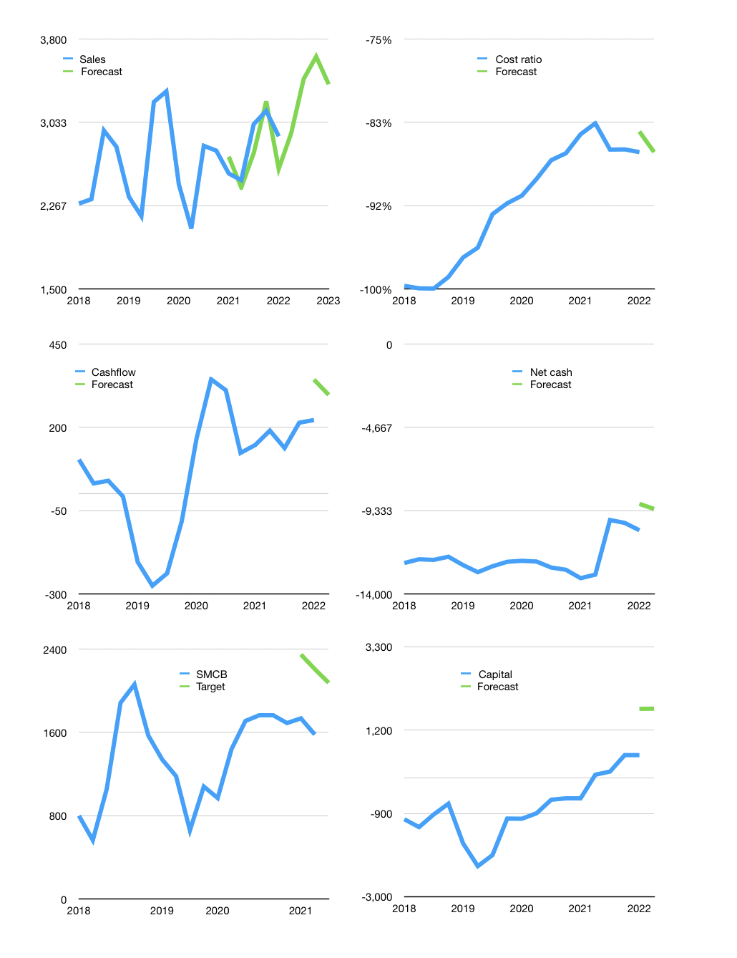
Financial model
Rp bn |  |  | 4Q 2022
Cashflow | 4% |  |  | 4%
Growth | 1% | 17% | 6% | -7%
Sales | 2,934 | 3,432 | 3,638 | 3,384
Cost ratio | -86% | -86% | -86% | -86%
Cash costs | -2,532 | -2,963 | -3,140 | -2,921
Operating | 402 | 470 | 498 | 463
Investment | -110 | -110 | -110 | -110
Leases | -56 | -56 | -56 | -56
Finance | -236 | -304 | -333 | -298
Liabilities | -534 | -505 | -477 | -450
Revolver | 337 | 253 | 202 | 204
Payout | 0.2
Equity | -39 | -52 | -58 | -51
Before revolver | -337 | -253 | -202 | -204
Beginning | 259 | 259 | 259 | 259
Change | 0 | 0 | 0 | 0
Ending | 259 | 259 | 259 | 259
Profit
Non cash costs | -208 | -208 | -208 | -208
Profit | 194 | 262 | 290 | 255
Balance sheet
Other assets | 35,408 | 35,517 | 35,627 | 35,736
Depreciation | 13,697 | 13,905 | 14,113 | 14,321
Net other assets | 21,711 | 21,612 | 21,514 | 21,415
Liabilities | 10,099 | 9,538 | 9,005 | 8,499
Revolver | 337 | 590 | 792 | 996
Equity | 11,534 | 11,743 | 11,975 | 12,179
Check | 0 | 0 | 0 | 0
Net cash | -10,177 | -9,869 | -9,538 | -9,236
Valuation
Capital | 806 | 1,111 | 1,443 | 1,741
Current value |  |  |  | 14,250,619,699,200
Current value |  |  |  | 14,251
P/assets |  |  |  | 0.66
Yield |  |  |  | 1%
Cashflow |  |  |  | 1,171
Payback |  |  |  | 19
Valuation |  |  |  | 12
Forecast |  |  |  | 16
Value |  |  |  | 18,730
Shares |  |  |  | 9
Target |  |  |  | 2,077
Current |  |  |  | 1,580
V target |  |  |  | 31%
12 month growth |  |  |  | 13%
Sales v forecast |  |  |  | -3%

Capital
Capital
Rpbn | Liabilities | Equity | Total | Liabilities | Equity | Total
2009 | -1,584 |  | -1,584 | -1,584 | 0 | -1,584
2010 | -115 |  | -115 | -1,699 | 0 | -1,699
2011 | -724 | -354 | -1,078 | -2,423 | -354 | -2,777
2012 | 175 | -491 | -316 | -2,248 | -845 | -3,093
2013 | 1,311 | -651 | 660 | -937 | -1,496 | -2,433
2014 | 1,677 | -667 | 1,010 | 740 | -2,163 | -1,423
2015 | 702 | -237 | 465 | 1,442 | -2,400 | -958
2016 | 1,240 | -102 | 1,138 | 2,682 | -2,502 | 180
2017 | -272 |  | -272 | 2,410 | -2,502 | -92
2018 | -162 |  | -162 | 2,248 | -2,502 | -254
2019 | 376 |  | 376 | 2,624 | -2,502 | 122 | -103.34615385
2020 | -348 | -28 | -376 | 2,276 | -2,530 | -254 | -304.7
2021 | -4,000 | 2,911 | -1,090 | -1,724 | 381 | -1,344 | -1089.5

 |  |  |  |  |  |  |  | Table 1

SMCB BACK TO WHERE THEY WERE IN 2009…
 |  |  |  |  |  |  |  |  | SMCB | capital history
 |  |  |  |  |  |  |  |  | 2022-02-01 | 23 | 2022
 |  |  |  |  |  |  |  |  | Start date | 2009
 |  |  |  |  |  |  |  |  | Number of quarters | 52
 |  |  |  |  |  |  |  |  | Liabilities | -1724 | billion rupiah | paid
 |  |  |  |  |  |  |  |  | SMCB | has | paid | liabilities | by an average | -132.61538462 | billion rupiah | every year
 |  |  |  |  |  |  |  |  | In the last 5 years | liabilities | were | paid | by an average | -881.2 | billion rupiah | every year
 |  |  |  |  |  |  |  |  | The peak in cumulative liabilities | was | 2682 | billion rupiah | in | 2016
 |  |  |  |  |  |  |  |  | As of the latest quarter | liabilities | cumulative | are | down | to | -1724 | billion rupiah
 |  |  |  |  |  |  |  |  | Equity | 380.5 | billion rupiah | raised
 |  |  |  |  |  |  |  |  | SMCB | has | raised | equity | by an average | 29.269230769 | billion rupiah | every year
 |  |  |  |  |  |  |  |  | In the last 5 years | equity | was | raised | by an average | 576.5 | billion rupiah | every year
 |  |  |  |  |  |  |  |  | The peak in cumulative equity | was | -2530 | billion rupiah | in | 2020
 |  |  |  |  |  |  |  |  | As of the latest quarter | equity | cumulative | is | up | to | 380.5 | billion rupiah
 |  |  |  |  |  |  |  |  | Total capital | -1343.5 | billion rupiah | paid
 |  |  |  |  |  |  |  |  | SMCB | has | paid | total capital | by an average | -103.34615385 | billion rupiah | every year
 |  |  |  |  |  |  |  |  | In the last 5 years | total capital | was | paid | by an average | -304.7 | billion rupiah | every year
 |  |  |  |  |  |  |  |  | The peak in cumulative total capital | was | 180 | billion rupiah | in | 2016
 |  |  |  |  |  |  |  |  | As of the latest quarter | total capital | cumulative | is | down | to | -1343.5 | billion rupiah

