Model
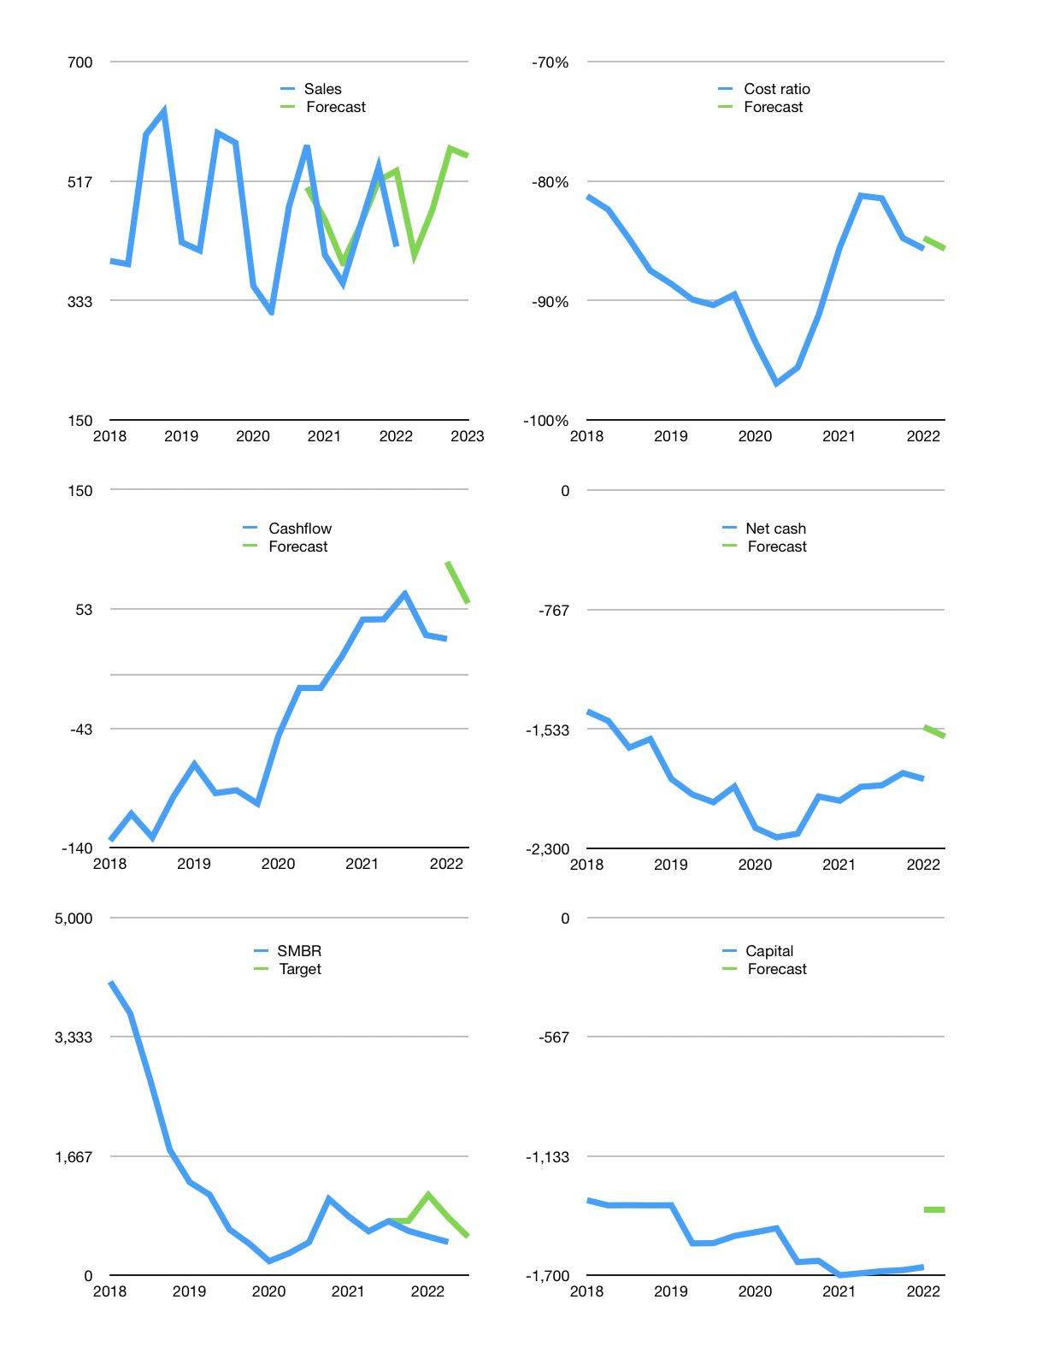
Financial model
Rpbn |  |  | 4Q 2022
Cashflow | 3% |  |  | 8%
Growth | -3% | 17% | 20% | -2%
Sales | 404 | 472 | 567 | 555
Cost ratio | -86% | -86% | -86% | -86%
Cash costs | -346 | -405 | -486 | -476
Operating | 58 | 68 | 81 | 80
Investment | -4 | -4 | -4 | -4
Leases | -18 | -18 | -18 | -18
Finance | -54 | -64 | -78 | -76
Liabilities | -120 | -114 | -108 | -102
Revolver | 65 | 49 | 30 | 26
Payout | 0.0
Equity | 0 | 0 | 0 | 0
Before revolver | -65 | -49 | -30 | -26
Beginning | 536 | 536 | 536 | 536
Change | 0 | 0 | 0 | 0
Ending | 536 | 536 | 536 | 536
Profit
Non cash costs | -50 | -50 | -50 | -50
Net profit | 7 | 17 | 31 | 29
Balance sheet
Other assets | 7,115 | 7,118 | 7,122 | 7,125
Depreciation | 1,830 | 1,881 | 1,931 | 1,982
Net other assets | 5,284 | 5,237 | 5,191 | 5,144
Liabilities | 2,271 | 2,157 | 2,049 | 1,947
Revolver | 65 | 115 | 145 | 171
Equity | 3,484 | 3,502 | 3,533 | 3,562
Check | 0 | 0 | 0 | 0
Net cash | -1,800 | -1,736 | -1,658 | -1,582
Valuation
Capital | -1,607 | -1,543 | -1,465 | -1,389
Current value |  |  |  | 4,608,693,764,096
Current value |  |  |  | 4,609
P/assets |  |  |  | 0.81
Yield |  |  |  | 0%
Cashflow |  |  |  | 232
Payback |  |  |  | 23
Valuation |  |  |  | 20
Forecast |  |  |  | 23
Value |  |  |  | 5,329
Shares |  |  |  | 10
Target |  |  |  | 537
Current |  |  |  | 464
V target |  |  |  | 16%
12 month growth |  |  |  | 3%
Sales forecasts |  |  |  | 4%

Capital
Capital
Rpbn | Liabilities | Equity | Total | Liabilities | Equity | Total
2000 |  |  | 0 |  |  | 0
2001 |  |  | 0 |  |  | 0
2002 |  |  | 0 |  |  | 0
2003 |  |  | 0 |  |  | 0
2004 |  |  | 0 |  |  | 0
2005 |  |  | 0 |  |  | 0
2006 |  |  | 0 |  |  | 0
2007 |  |  | 0 |  |  | 0
2008 |  |  | 0 |  |  | 0
2009 |  |  | 0 |  |  | 0
2010 | -54 | -95 | -149 | -54 | -95 | -149
2011 |  | -50 | -50 | -54 | -145 | -199
2012 | 3 | -50 | -47 | -51 | -195 | -246
2013 |  | 1,226 | 1,226 | -51 | 1,031 | 980
2014 |  | -78 | -78 | -51 | 953 | 902
2015 |  | -82 | -82 | -51 | 871 | 820
2016 | 642 | -89 | 553 | 591 | 782 | 1,373
2017 | 226 | 157 | 383 | 817 | 939 | 1,756
2018 | 373 | -13 | 360 | 1,190 | 926 | 2,116
2019 | 128 | -19 | 109 | 1,318 | 907 | 2,225
2020 | 536 | -6 | 530 | 1,854 | 901 | 2,755
2021 | 44 | 0 | 44 | 1,898 | 901 | 2,799 | 233 | 285 | 44

SMBR STILL RAISING CAPITAL IN 2021
 |  |  |  |  |  |  |  |  |  | Table 1

 |  |  |  |  |  |  |  |  |  |  | SMBR | capital history
 |  |  |  |  |  |  |  |  |  |  | 2022-02-01 | 27 | 2022
 |  |  |  |  |  |  |  |  |  |  | Start date | 2010
 |  |  |  |  |  |  |  |  |  |  | Number of quarters | 48
 |  |  |  |  |  |  |  |  |  |  | Liabilities | 1,898 | billion rupiah | raised
 |  |  |  |  |  |  |  |  |  |  | SMBR | has | raised | liabilities | by an average | 158 | billion rupiah | every year
 |  |  |  |  |  |  |  |  |  |  | In the last 5 years | liabilities | were | raised | by an average | 261 | billion rupiah | every year
 |  |  |  |  |  |  |  |  |  |  | The peak in cumulative liabilities | was | 1,898 | billion rupiah | in | 2021
 |  |  |  |  |  |  |  |  |  |  | As of the latest quarter | liabilities | cumulative | are | up | to | 1,898 | billion rupiah
 |  |  |  |  |  |  |  |  |  |  | Equity | 901 | billion rupiah | raised
 |  |  |  |  |  |  |  |  |  |  | SMBR | has | raised | equity | by an average | 75 | billion rupiah | every year
 |  |  |  |  |  |  |  |  |  |  | In the last 5 years | equity | was | raised | by an average | 24 | billion rupiah | every year
 |  |  |  |  |  |  |  |  |  |  | The peak in cumulative equity | was | 1,031 | billion rupiah | in | 2013
 |  |  |  |  |  |  |  |  |  |  | As of the latest quarter | equity | cumulative | is | down | to | 901 | billion rupiah
 |  |  |  |  |  |  |  |  |  |  | Total capital | 2,799 | billion rupiah | raised
 |  |  |  |  |  |  |  |  |  |  | SMBR | has | raised | total capital | by an average | 233 | billion rupiah | every year
 |  |  |  |  |  |  |  |  |  |  | In the last 5 years | total capital | was | raised | by an average | 285 | billion rupiah | every year
 |  |  |  |  |  |  |  |  |  |  | The peak in cumulative total capital | was | 2,799 | billion rupiah | in | 2021
 |  |  |  |  |  |  |  |  |  |  | As of the latest quarter | total capital | cumulative | is | up | to | 2,799 | billion rupiah

