Model
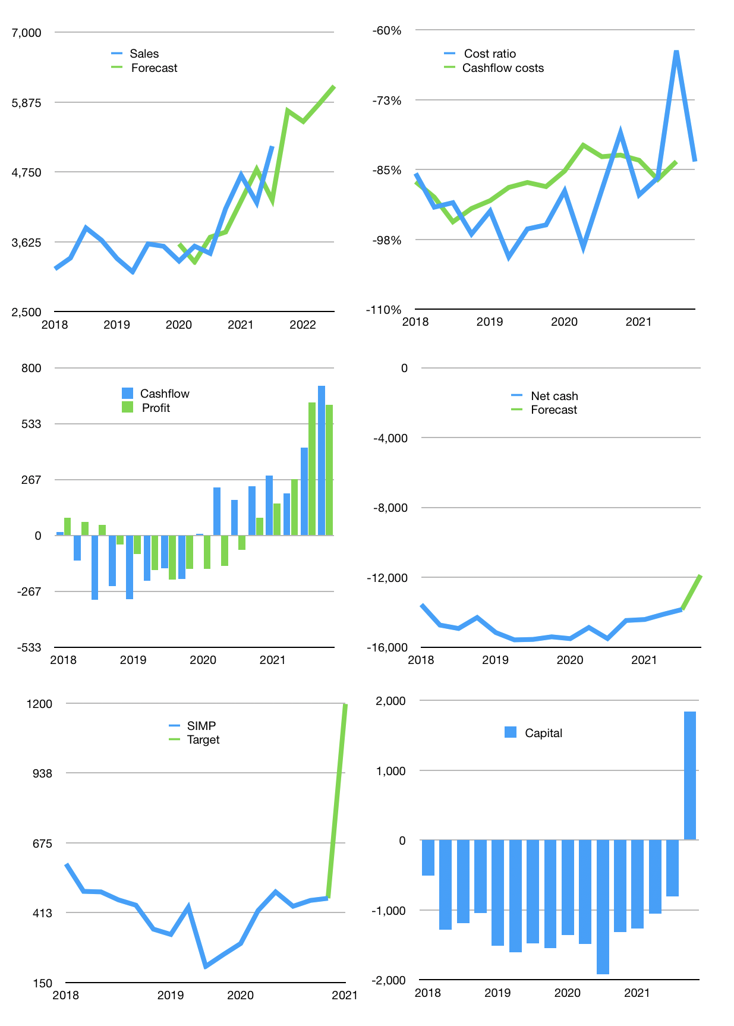
Financial model
Rpbn | 4Q 2021
Cash flow | 11% |  |  | 5%
Growth | 11% | -3% | 5% | 5%
Sales | 5,736 | 5,564 | 5,842 | 6,134
Cost ratio | -84% | -84% | -84% | -84%
Cash costs | -4,794 | -4,650 | -4,883 | -5,127
Operating | 942 | 914 | 960 | 1,008
Investment | -294 | -294 | -294 | -294
Finance | -649 | -620 | -666 | -714
Liabilities | -869 | -826 | -784 | -745
Equity | -167 | -158 | -172 | -187
Before revolver | -387 | -364 | -290 | -218
Revolver | 387 | 364 | 290 | 218
Beginning | 3,532 | 3,532 | 3,532 | 3,532
Change | 0 | 0 | 0 | 0
Ending | 3,532 | 3,532 | 3,532 | 3,532
Profit
Non cash costs | -386 | -386 | -386 | -386
Net profit | 557 | 528 | 574 | 622
Balance sheet
Other assets | 48,213 | 48,506 | 48,800 | 49,093
Depreciation | 15,255 | 15,640 | 16,026 | 16,412
Net other assets | 32,958 | 32,866 | 32,774 | 32,682
Liabilities | 16,512 | 15,686 | 14,902 | 14,157
Revolver | 387 | 751 | 1,041 | 1,259
Equity | 19,591 | 19,960 | 20,362 | 20,798
Check | 0 | 0 | 0 | 0
Net cash | -13,367 | -12,905 | -12,412 | -11,884
Valuation
Capital | -157 | 463 | 1,129 | 1,844
Current value |  |  |  | 7,224
P/assets |  |  |  | 0.20
Yield |  |  |  | 9%
Cashflow |  |  |  | 2,649
Payback |  |  |  | 12
Valuation |  |  |  | 3
Forecast |  |  |  | 7
Value |  |  |  | 18,544
Shares |  |  |  | 16
Target |  |  |  | 1,196
Current |  |  |  | 466
V target |  |  |  | 157%
12 month growth |  |  |  | 50%
Sales forecast |  |  |  | -3%

Share price
Share price
 | SIMP | Target
2018 | 595
 | 492
 | 490
 | 460
2019 | 440
 | 350
 | 330
 | 432
2020 | 210
 | 254
 | 296
 | Region 1 | Region 2
April | 17 | 55
May | 26 | 43
June | 53 | 70
July | 96 | 58
 | 420
2021 | 490
 | 436
 | 458
 | 466 | 466
 |  | 1,196

