Model
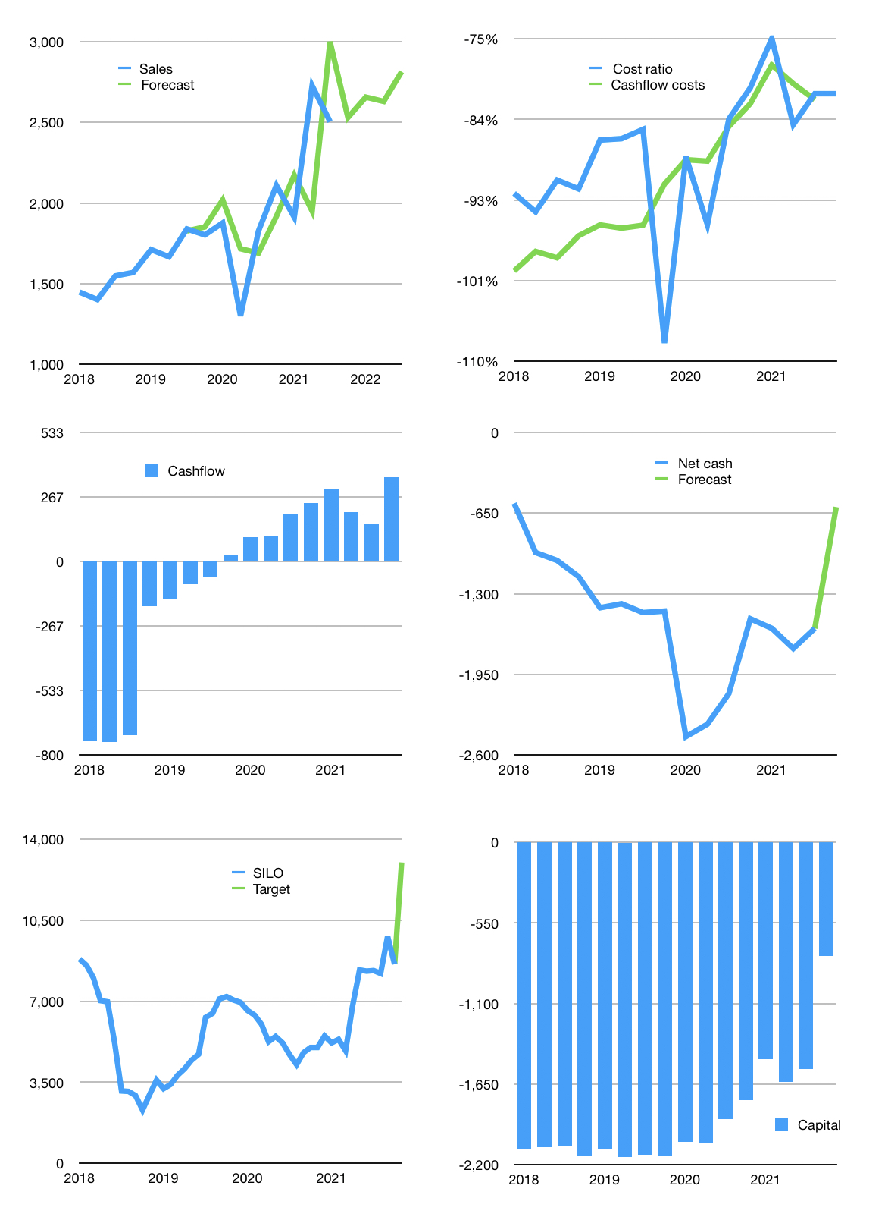
Financial model
Rpbn | 4Q 2021
Cashflow | 10% |  |  | 3%
Growth | 1% | 5% | -1% | 7%
Sales | 2,530 | 2,656 | 2,630 | 2,814
Cost ratio | -81% | -81% | -81% | -81%
Cash costs | -2,048 | -2,151 | -2,129 | -2,278
Operating | 482 | 506 | 501 | 536
Investment | -131 | -131 | -131 | -131
Leases | -56 | -56 | -56 | -56
Finance | -246 | -251 | -243 | -254
Liabilities | -128 | -121 | -115 | -109
Equity | -118 | -130 | -127 | -145
Revolver | 0 | 0 | 0 | 0
Before revolver | 105 | 123 | 127 | 150
Beginning | 973 | 1,078 | 1,201 | 1,328
Change | 105 | 123 | 127 | 150
Ending | 1,078 | 1,201 | 1,328 | 1,478
Profit
Non cash costs | -246 | -246 | -246 | -246
Net profit | 236 | 260 | 255 | 290
Balance sheet
Other assets | 12,824 | 12,955 | 13,086 | 13,217
Depreciation | 4,985 | 5,230 | 5,476 | 5,721
Net other assets | 7,840 | 7,725 | 7,611 | 7,496
Liabilities | 2,425 | 2,304 | 2,189 | 2,079
Revolver | 0 | 0 | 0 | 0
Equity | 6,492 | 6,622 | 6,750 | 6,895
Check | 0 | 0 | 0 | 0
Net cash | -1348 | -1103 | -861 | -601
Valuation
Capital | -1,357 | -1,161 | -974 | -775
Current value |  |  |  | 13,900
P/assets |  |  |  | 1.79
Yield |  |  |  | 4%
Cashflow |  |  |  | 1,277
Payback |  |  |  | 6
Valuation |  |  |  | 11
Forecast |  |  |  | 17
Value |  |  |  | 21,703
Shares |  |  |  | 2
Target |  |  |  | 12,998
Current |  |  |  | 8,325
V target |  |  |  | 56%
12 month growth |  |  |  | 37%
Sales forecasts |  |  |  | 1%

