Model
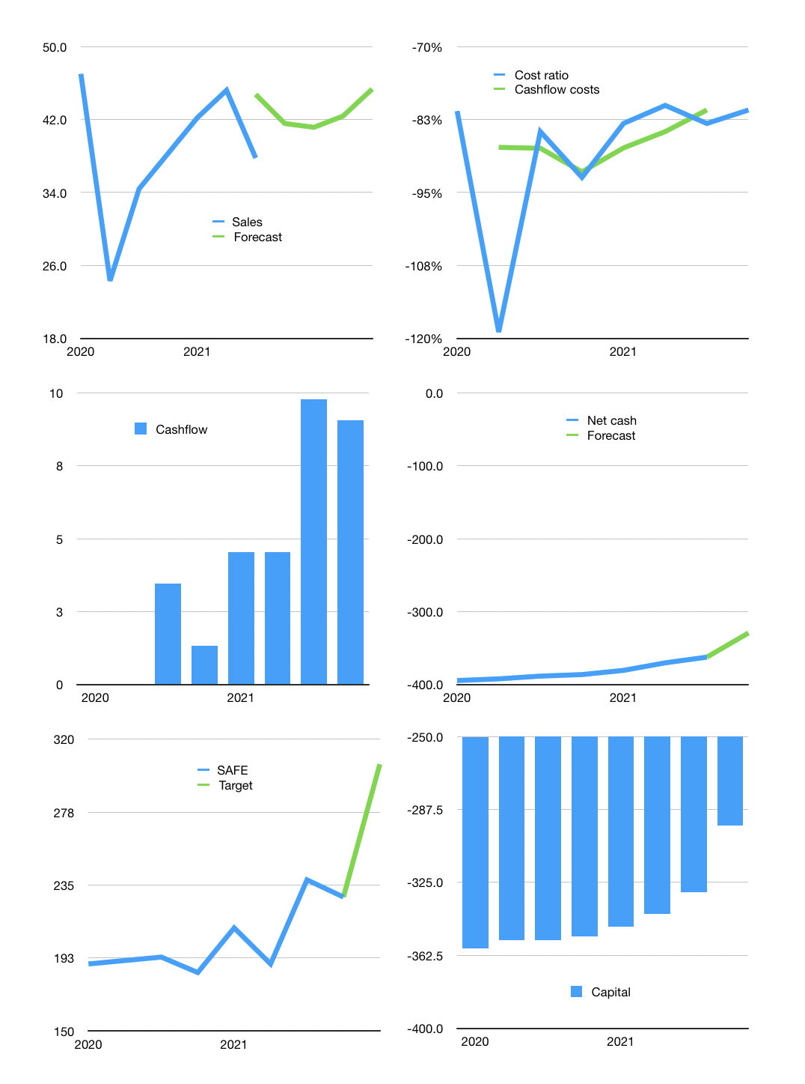
Model
Rpbn | 4Q 2021
Cashflow | 3% |  |  | 5%
Growth | 10% | -1% | 3% | 7%
Sales | 42 | 41 | 42 | 45
Cost ratio | -81% | -81% | -81% | -81%
Cash costs | -34 | -33 | -34 | -37
Operating | 8 | 8 | 8 | 9
Investment | 0 | 0 | 0 | 0
Liabilities | -19 | -18 | -17 | -16
Equity | 0 | 0 | 0 | 0
Before revolver | -11 | -10 | -9 | -7
Revolver | 11 | 10 | 9 | 7
Finance | -8 | -8 | -8 | -9
Beginning | 11 | 11 | 11 | 11
Change | 0 | 0 | 0 | 0
Ending | 11 | 11 | 11 | 11
Profit
Non cash costs | -7.3 | -7.3 | -7.3 | -7.3
Profit | 0.6 | 0.6 | 0.8 | 1.4
Balance sheet
Other assets | 489.4 | 489.0 | 488.6 | 488.2
Depreciation | 203.4 | 210.7 | 218.0 | 225.3
Net other assets | 285.9 | 278.2 | 270.5 | 262.8
Liabilities | 355.0 | 337.2 | 320.3 | 304.3
Revolver | 10.5 | 20.2 | 28.8 | 36.2
Equity | -68.3 | -67.9 | -67.4 | -66.4
Check | 0.0 | 0.0 | 0.0 | 0.0
Net cash | -354.2 | -346.1 | -337.9 | -329.2
Valuation
Capital | -321.6 | -313.4 | -304.9 | -295.8
Current value |  |  |  | 140.3
P/assets |  |  |  | 0.28
Yield |  |  |  | 0.7%
Cashflow |  |  |  | 34.2
Payback |  |  |  | 14.3
Valuation |  |  |  | 4.1
Forecast |  |  |  | 5.5
Value |  |  |  | 187.9
Shares |  |  |  | 0.6
Target |  |  |  | 305
SAFE |  |  |  | 228
V target |  |  |  | 34%
12 month growth |  |  |  | 10%
Sales forecasts |  |  |  | 18%

