Model
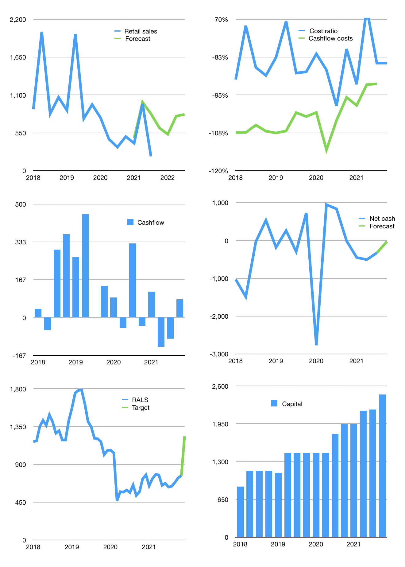
Financial model
Rpbn | 4Q 2021
Cash flow | 23% |  |  | 60%
Growth | 200% | -15% | 50% | 3%
Sales | 622 | 529 | 793 | 817
Cost ratio | -84% | -84% | -84% | -84%
Cash cost | -525 | -447 | -670 | -690
Operating | 97 | 82 | 123 | 127
Investment | -12 | -12 | -12 | -12
Leases | -15 | -15 | -15 | -15
Finance | -79 | -69 | -86 | -85
Liabilities | -64 | -61 | -58 | -55
Revolver | 0 | 0 | 0 | 0
Equity | -15 | -7 | -28 | -30
Before revolver | 5 | 1 | 25 | 30
Beginning | 959 | 964 | 965 | 990
Change | 5 | 1 | 25 | 30
Ending | 964 | 965 | 990 | 1,020
Profit
Non cash costs | -67 | -67 | -67 | -67
Net profit | 29 | 15 | 56 | 60
Balance sheet
Other assets | 7,207 | 7,220 | 7,232 | 7,244
Depreciation | 3,362 | 3,429 | 3,497 | 3,564
Net other assets | 3,845 | 3,790 | 3,735 | 3,680
Liabilities | 1,223 | 1,162 | 1,103 | 1,048
Revolver | 0 | 0 | 0 | 0
Equity | 3,587 | 3,594 | 3,622 | 3,652
Check | 0 | 0 | 0 | 0
Net cash | -258 | -196 | -113 | -28
Valuation
Capital | 2,259 | 2,312 | 2,383 | 2,452
Current value |  |  |  | 4,928
P/assets |  |  |  | 1.05
Yield |  |  |  | 2%
Cashflow |  |  |  | 318
Payback |  |  |  | 12
Valuation |  |  |  | 15
Forecast |  |  |  | 25
Value |  |  |  | 7,953
Shares |  |  |  | 6
Target |  |  |  | 1,235
Current |  |  |  | 765
V target |  |  |  | 61%
12 month growth |  |  |  | -39%
Sales forecasts |  |  |  | 45%

