Model
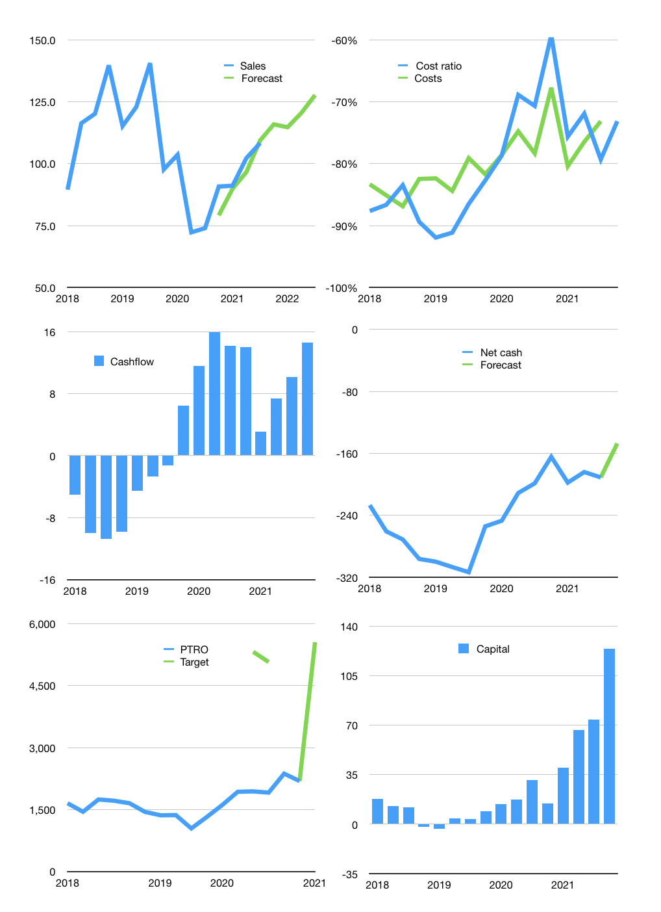
Financial model
$m | 4Q 2021
Cashflow | 10% |  |  | 4%
Growth | 7% | -1% | 5% | 6%
Sales | 115.9 | 114.7 | 120.5 | 127.7
Cost ratio | -73% | -73% | -73% | -73%
Cash costs | -84.8 | -83.9 | -88.1 | -93.4
Operating | 31.1 | 30.8 | 32.3 | 34.3
Investment | -17.5 | -17.5 | -17.5 | -17.5
Leases | -2.2 | -2.2 | -2.2 | -2.2
Finance | -13.7 | -13.3 | -14.9 | -16.8
Liabilities | -14.4 | -13.6 | -13.0 | -12.3
Equity | -3.4 | -3.3 | -3.8 | -4.3
Before revolver | -4.1 | -3.6 | -1.8 | 0.2
Revolver | 4.1 | 3.6 | 1.8 | -0.2
Beginning | 96.0 | 96.0 | 96.0 | 96.0
Change | 0.0 | 0.0 | 0.0 | 0.0
Ending | 96.0 | 96.0 | 96.0 | 96.0
Profit
Non cash costs | -19.8 | -19.8 | -19.8 | -19.8
Profit | 11.3 | 11.0 | 12.5 | 14.5
Balance sheet
Other assets | 879.5 | 896.9 | 914.4 | 931.9
Depreciation | 451.8 | 471.6 | 491.4 | 511.2
Net other assets | 427.7 | 425.3 | 423.0 | 420.7
Liabilities | 272.7 | 259.0 | 246.1 | 233.8
Revolver | 4.1 | 7.7 | 9.5 | 9.3
Equity | 246.9 | 254.6 | 263.4 | 273.6
Check | 0 | 0 | 0 | 0
Net cash | -181 | -171 | -160 | -147
Valuation
Rupiah |  |  |  | 14
Capital | 85 | 96 | 109 | 124
Current value |  |  |  | 155
P/assets |  |  |  | 0.30
Yield |  |  |  | 10%
Cashflow |  |  |  | 50
Payback |  |  |  | 9
Valuation |  |  |  | 3
Forecast |  |  |  | 5
Value |  |  |  | 250
Shares |  |  |  | 1
Target |  |  |  | 3,522
Current |  |  |  | 2,190
V target |  |  |  | 61%
12 month growth |  |  |  | 46%
Sales forecasts |  |  |  | -4%

