Model
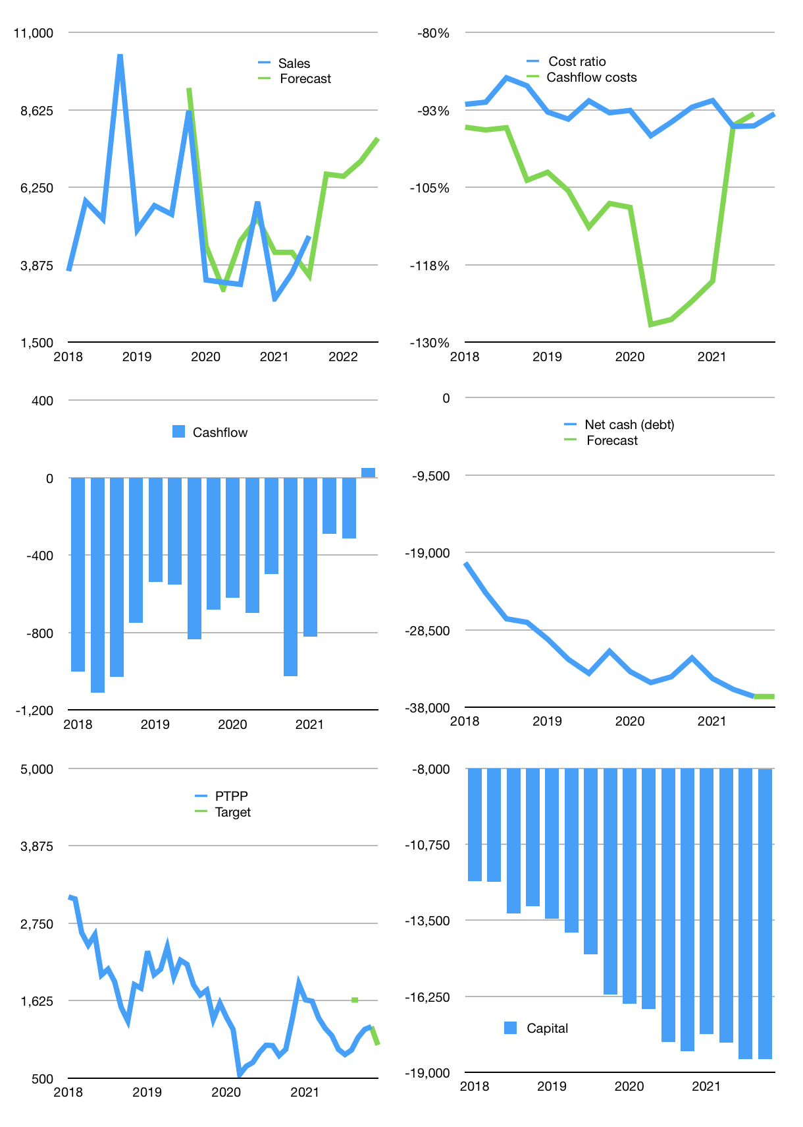
Financial model
Rpbn |  | 4Q 2021
Cashflow | 13% |  |  | 14%
Growth | 40% | -1% | 7% | 10%
Sales | 6,656 | 6,590 | 7,051 | 7,756
Cost ratio | -93% | -93% | -93% | -93%
Cash costs | -6,198 | -6,137 | -6,566 | -7,223
Operating | 458 | 453 | 485 | 533
Investment | -484 | -484 | -484 | -484
Finance | 26 | 31 | -1 | -49
Liabilities | -2,100 | -1,995 | -1,895 | -1,800
Equity | 0 | 0 | 0 | 0
Before revolver | -2,126 | -2,025 | -1,894 | -1,751
Revolver | 2,126 | 2,025 | 1,894 | 1,751
Beginning | 5,314 | 5,314 | 5,314 | 5,314
Change | 0 | 0 | 0 | 0
Ending | 5,314 | 5,314 | 5,314 | 5,314
Profit
Non cash costs | -139 | -139 | -139 | -139
Net profit | 318 | 314 | 346 | 394
Balance sheet
Other assets | 54,173 | 54,657 | 55,141 | 55,625
Depreciation | 2,948 | 3,088 | 3,227 | 3,366
Net other assets | 51,225 | 51,569 | 51,914 | 52,258
Liabilities | 39,892 | 37,898 | 36,003 | 34,203
Revolver | 2,126 | 4,151 | 6,045 | 7,796
Equity | 14,520 | 14,834 | 15,180 | 15,574
Check | 0 | 0 | 0 | 0
Net cash | -36,704 | -36,735 | -36,734 | -36,685
Valuation
Capital | -18,546 | -18,577 | -18,576 | -18,526
Current value |  |  |  | 7,701
P/assets |  |  |  | 0.13
Yield |  |  |  | 0%
Cashflow |  |  |  | 198
Payback |  |  |  | 258
Valuation |  |  |  | 39
Forecast |  |  |  | 35
Value |  |  |  | 6,914
Shares |  |  |  | 6
Target |  |  |  | 1,118
Current |  |  |  | 1,245
V target |  |  |  | -10%
12 month growth |  |  |  | 45%
Sales v forecast |  |  |  | 14%

