Model
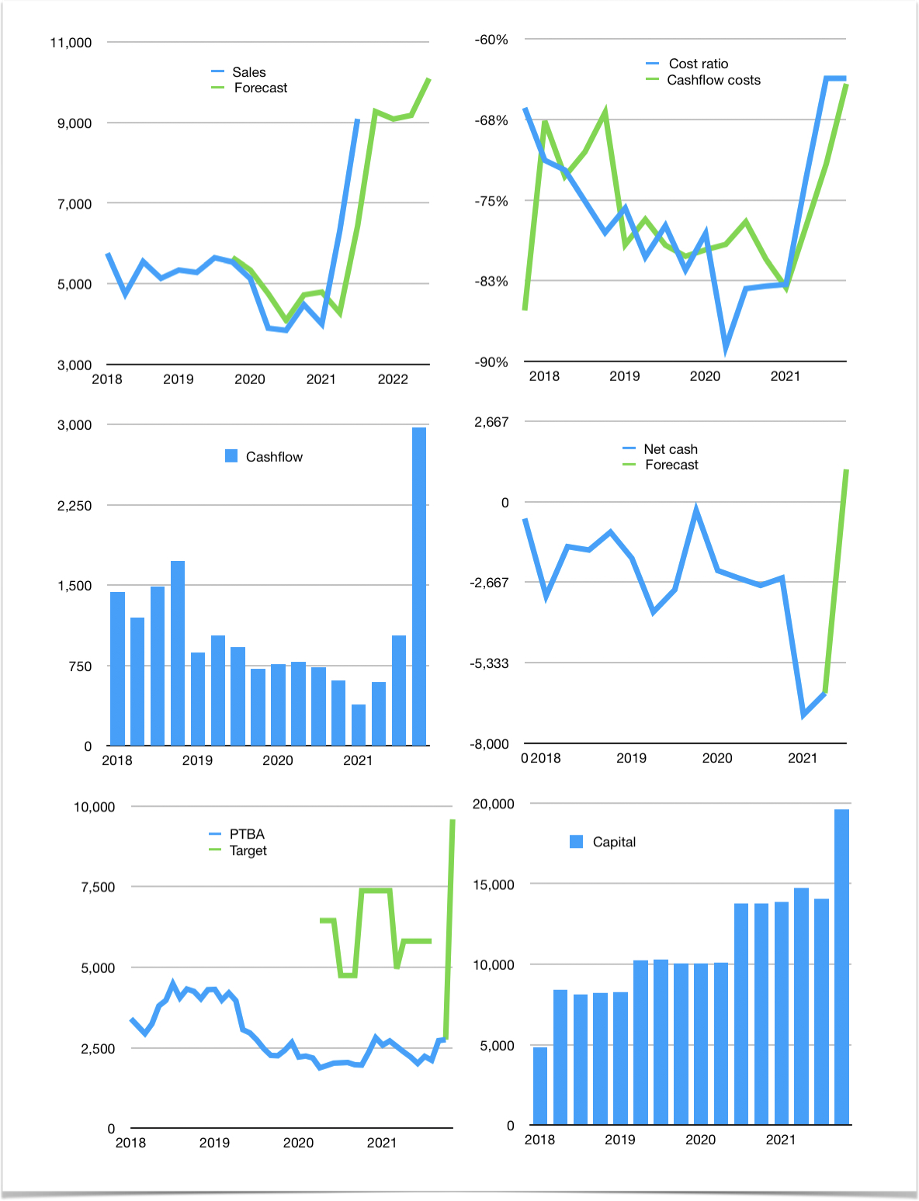
Financial model
Rpbn | 4Q 2021
Cashflow | 27% |  |  | 3%
Growth | 2% | -2% | 1% | 10%
Sales | 9,272 | 9,087 | 9,178 | 10,096
Cost ratio | -64% | -64% | -64% | -64%
Cash costs | -5,903 | -5,785 | -5,843 | -6,427
Operating | 3,369 | 3,302 | 3,335 | 3,669
Investment | -629 | -629 | -629 | -629
Leases | -71 | -71 | -71 | -71
Finance | -1,478 | -1,430 | -1,413 | -1,488
Liabilities | -558 | -530 | -504 | -479
Equity | -920 | -900 | -910 | -1,010
Before revolver | 1,262 | 1,243 | 1,293 | 1,551
Revolver | 0 | 0 | 0 | 0
Beginning | 4,819 | 6,081 | 7,324 | 8,617
Change | 1,262 | 1,243 | 1,293 | 1,551
Ending | 6,081 | 7,324 | 8,617 | 10,169
Profit
Non cash costs | -318 | -318 | -318 | -318
JVs | 15 | 15 | 15 | 15
Net profit | 3,066 | 2,999 | 3,032 | 3,365
Balance sheet
Other assets | 34,507 | 35,151 | 35,795 | 36,439
Depreciation | 6,809 | 7,128 | 7,446 | 7,764
Net other assets | 27,698 | 28,023 | 28,349 | 28,675
Liabilities | 10,609 | 10,078 | 9,574 | 9,096
Revolver | 0 | 0 | 0 | 0
Equity | 23,170 | 25,270 | 27,392 | 29,748
Check | 0 | 0 | 0 | 0
Net cash | -4,527 | -2,754 | -957 | 1,073
Valuation
Capital | 15,466 | 16,825 | 18,167 | 19,585
Current value |  |  |  | 31,200
P/assets |  |  |  | 0.80
Yield |  |  |  | 12%
Cashflow |  |  |  | 10,876
Payback |  |  |  | 2.3
Valuation |  |  |  | 3
Forecast |  |  |  | 10
Value |  |  |  | 108,761
Shares |  |  |  | 11
Target |  |  |  | 9,586
Current |  |  |  | 2,750
V target |  |  |  | 249%
12 month growth |  |  |  | 137%
Sales v forecast |  |  |  | 1%

