Model
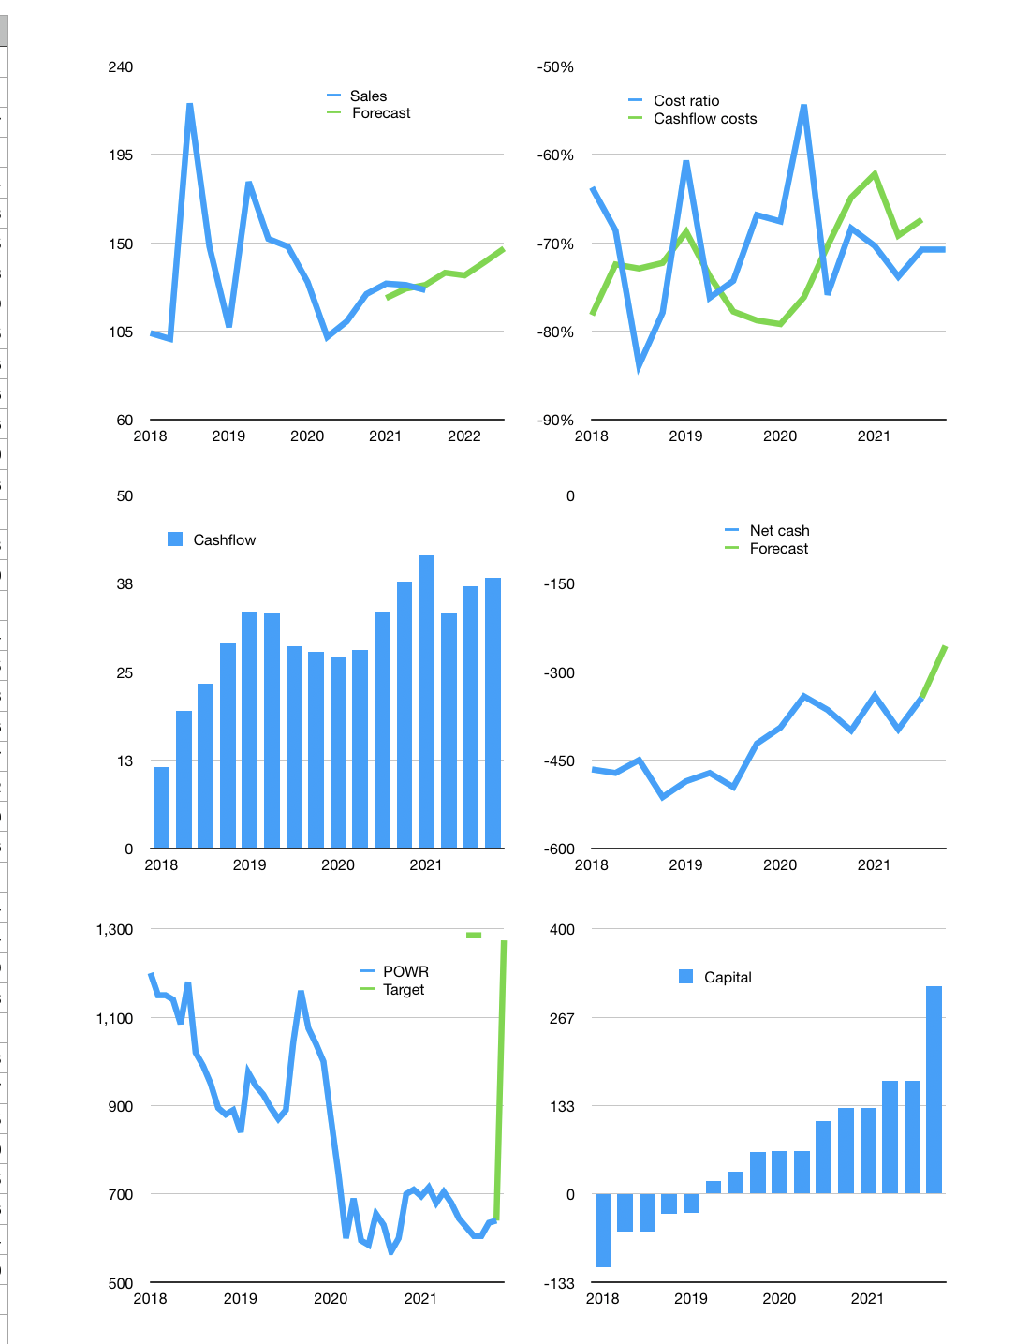
Financial model
$m | 4Q 2021
Cashflow | 4% |  |  | 4%
Growth | 7% | -1% | 5% | 5%
Sales | 135 | 133 | 140 | 147
Cost ratio | -71% | -71% | -71% | -71%
Cash costs | -95 | -94 | -99 | -104
Operating | 39 | 39 | 41 | 43
Investment | -5 | -5 | -5 | -5
Finance | -35 | -34 | -36 | -38
Liabilities | -34 | -32 | -30 | -29
Equity | -13 | -13 | -14 | -15
Before revolver | -12 | -11 | -8 | -6
Revolver | 12 | 11 | 8 | 6
Beginning | 326 | 326 | 326 | 326
Change | 0 | 0 | 0 | 0
Ending | 326 | 326 | 326 | 326
Profit
Non cash costs | -13 | -13 | -13 | -13
Profit | 27 | 26 | 28 | 30
Balance sheet
Other assets | 1,900 | 1,904 | 1,909 | 1,914
Depreciation | 868 | 880 | 893 | 905
Net other assets | 1,032 | 1,024 | 1,016 | 1,008
Liabilities | 637 | 605 | 574 | 546
Revolver | 12 | 23 | 31 | 37
Equity | 709 | 723 | 737 | 752
Check | 0 | 0 | 0 | 0
Net cash | -323 | -302 | -280 | -256
Valuation
Rupiah |  |  |  | 14
Capital | 205 | 240 | 276 | 314
Current value |  |  |  | 779
P/assets |  |  |  | 0.58
Yield |  |  |  | 7%
Cashflow |  |  |  | 143
Payback |  |  |  | 7
Valuation |  |  |  | 5
Forecast |  |  |  | 10
Value |  |  |  | 1,435
Shares |  |  |  | 16
Target |  |  |  | 1,274
Current |  |  |  | 640
V target |  |  |  | 99%
12 month growth |  |  |  | 14%
Sales forecasts |  |  |  | -2%

