Model
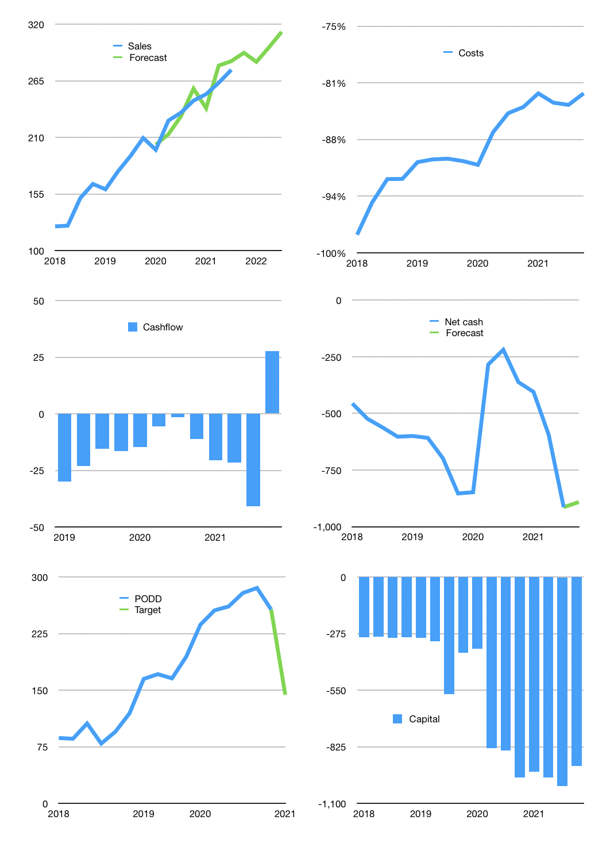
Financial model
$m | 4Q 2021
Cashflow | 4% |  |  | 3%
Growth | 6% | -3% | 5% | 5%
Sales | 292 | 283 | 298 | 312
Cost ratio | -82% | -82% | -82% | -82%
Cash cost | -241 | -234 | -245 | -257
Operating | 51 | 50 | 52 | 55
Investment | -27 | -27 | -27 | -27
Finance | -24 | -23 | -25 | -28
Liabilities | -75 | -71 | -68 | -64
Equity | -18 | -17 | -19 | -22
Before revolver | -69 | -66 | -62 | -59
Revolver | 69 | 66 | 62 | 59
Beginning | 587 | 587 | 587 | 587
Change | 0 | 0 | 0 | 0
Ending | 587 | 587 | 587 | 587
Profit
Non cash costs | -33 | -33 | -33 | -33
Net profit | 18 | 17 | 19 | 22
Balance sheet
Other assets | 1,733 | 1,760 | 1,788 | 1,815
Depreciation | 327 | 360 | 393 | 426
Net other assets | 1,406 | 1,400 | 1,395 | 1,389
Liabilities | 1,426 | 1,355 | 1,287 | 1,223
Revolver | 69 | 135 | 197 | 256
Equity | 498 | 498 | 498 | 498
Check | 0 | 0 | 0 | 0
Net cash | -908 | -903 | -897 | -891
Valuation
Capital | -992 | -969 | -944 | -917
Current value |  |  |  | 17,720
P/assets |  |  |  | 9
Yield |  |  |  | 0%
Cashflow |  |  |  | 99
Payback |  |  |  | 14
Valuation |  |  |  | 178
Forecast |  |  |  | 100
Value |  |  |  | 9,928
Shares |  |  |  | 69
Target |  |  |  | 144
Current |  |  |  | 257
V target |  |  |  | -44%
12 month growth |  |  |  | 18%
Sales forecasts |  |  |  | 1%

