Model
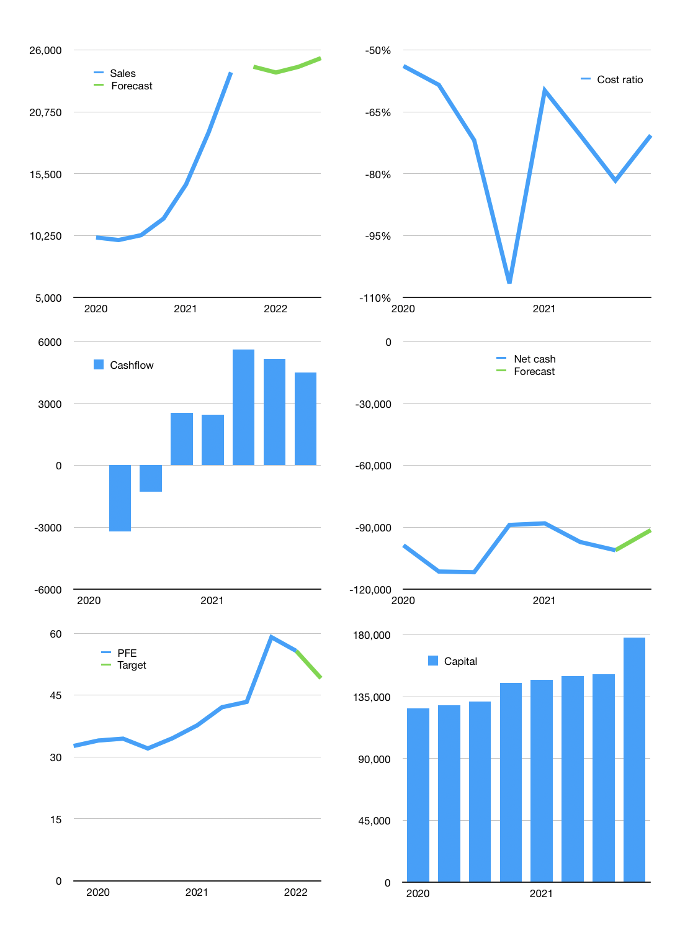
Model
$m
Cashflow | 24% |  |  | 1%
Growth | 2% | -2% | 2% | 3%
Sales | 24,576 | 24,084 | 24,566 | 25,303
Cost ratio | -71% | -71% | -71% | -71%
Cash costs | -17,379 | -17,032 | -17,372 | -17,894
Non cash costs | -979 | -979 | -979 | -979
Profit | 6,218 | 6,074 | 6,215 | 6,430
Operating | 7,197 | 7,053 | 7,194 | 7,409
Investment | -2,908 | -2,908 | -2,908 | -2,908
Liabilities | -5,161 | -4,903 | -4,658 | -4,425
Equity | -1,865 | -1,822 | -1,864 | -1,929
Before revolver | -2,737 | -2,580 | -2,236 | -1,852
Revolver | 2,737 | 2,580 | 2,236 | 1,852
Beginning | 2,033 | 2,033 | 2,033 | 2,033
Change | 0 | 0 | 0 | 0
Ending | 2,033 | 2,033 | 2,033 | 2,033
Balance sheet
Other assets | 180,063 | 182,970 | 185,878 | 188,785
Depreciation | 979 | 1,958 | 2,937 | 3,916
Net other assets | 179,084 | 181,012 | 182,941 | 184,869
Liabilities | 98,060 | 93,157 | 88,499 | 84,074
Revolver | 2,737 | 5,317 | 7,553 | 9,406
Equity | 80,319 | 84,571 | 88,921 | 93,422
Check | 0 | 0 | 0 | 0
Net cash | -98,764 | -96,441 | -94,020 | -91,447
Valuation
Capital | 158,451 | 165,176 | 171,699 | 178,053
Market value |  |  |  | 312,700
P/assets |  |  |  | 1.67
Yield |  |  |  | 2.4%
Cashflow |  |  |  | 17,222
Payback |  |  |  | 10
Valuation |  |  |  | 18
Forecast |  |  |  | 16
Shares |  |  |  | 5,612
Target |  |  |  | 49
Current |  |  |  | 56
V target |  |  |  | -12%
12 month growth |  |  |  | 134%

