Model
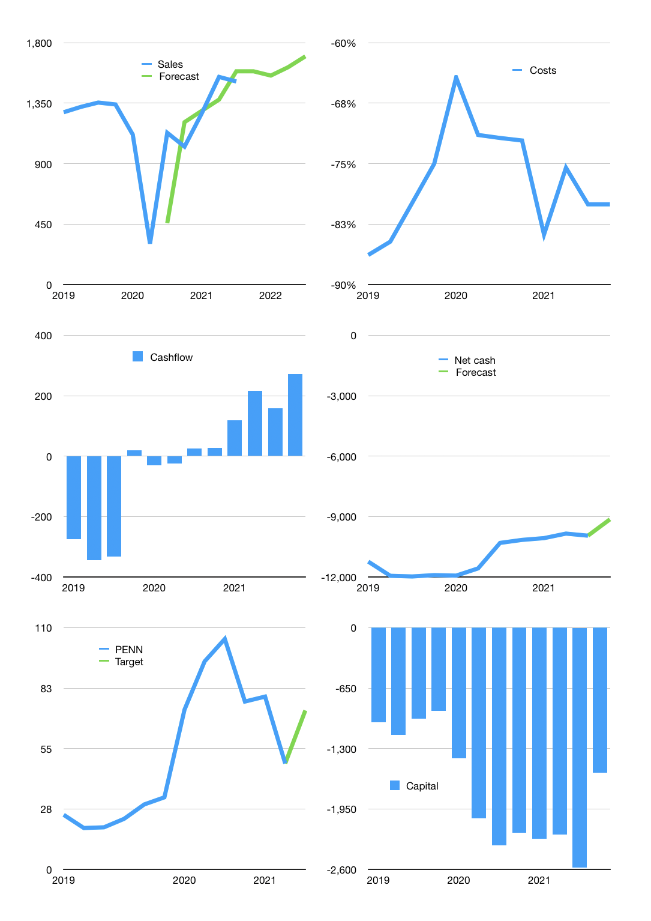
Financial model
$m | 3Q 2021
Cashflow | 9% |  |  | 3%
Growth | 5% | -2% | 4% | 5%
Sales | 1,588 | 1,556 | 1,618 | 1,699
Cost ratio | -80% | -80% | -80% | -80%
Costs | -1,271 | -1,245 | -1,295 | -1,360
Operating | 317 | 310 | 323 | 339
Investment | -67 | -67 | -67 | -67
Finance | -250 | -244 | -256 | -272
Liabilities | -634 | -602 | -572 | -543
Equity | -51 | -50 | -53 | -58
Before revolver | -435 | -408 | -369 | -329
Revolver | 435 | 408 | 369 | 329
Beginning | 2729 | 2,729 | 2,729 | 2,729
Change | 0 | 0 | 0 | 0
Ending | 2,729 | 2,729 | 2,729 | 2,729
Profit
Non cash costs | -145 | -145 | -145 | -145
Profit | 171 | 165 | 177 | 194
Balance sheet
Other assets | 16,600 | 16,667 | 16,734 | 16,801
Depreciation | 3,659 | 3,804 | 3,950 | 4,095
Net other assets | 12,941 | 12,863 | 12,784 | 12,706
Liabilities | 12,043 | 11,441 | 10,869 | 10,326
Revolver | 435 | 843 | 1213 | 1542
Equity | 3,191 | 3,307 | 3,431 | 3,567
Check | 0 | 0 | 0 | 0
Net cash | -9,750 | -9,556 | -9,353 | -9,139
Valuation
Capital | -2,332 | -2,089 | -1,833 | -1,560
Current value |  |  |  | 8,174
P/assets |  |  |  | 0.53
Yield |  |  |  | 3%
Cashflow |  |  |  | 1,022
Payback |  |  |  | 13
Valuation |  |  |  | 8
Forecast |  |  |  | 12
Value |  |  |  | 12,261
Shares |  |  |  | 170
Target |  |  |  | 72
Current |  |  |  | 48
V target |  |  |  | 50%
12 month growth |  |  |  | 34%
Sales forecasts |  |  |  | -9%

