Model
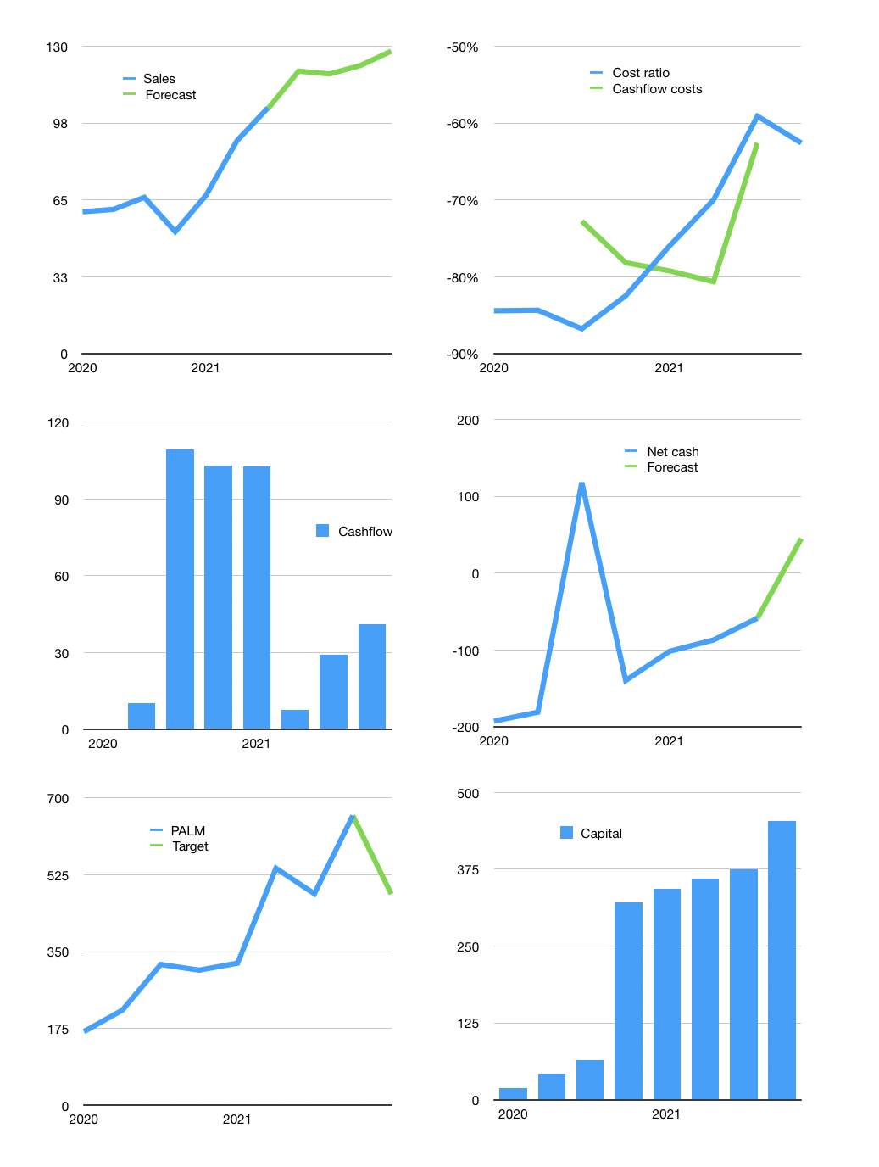
Data & model
Rpbn | 2022
Cashflow | 14% |  |  | 6%
Growth | 15% | -1% | 3% | 5%
Sales | 119 | 118 | 122 | 128
Cost ratio | -63% | -63% | -63% | -63%
Cash costs | -75 | -74 | -76 | -80
Operating | 45 | 44 | 46 | 48
Investment | -7 | -7 | -7 | -7
Liabilities | -7 | -7 | -7 | -6
Equity | -13 | -12 | -13 | -13
Before revolver | 18 | 18 | 19 | 21
Revolver | 0 | 0 | 0 | 0
Finance | -20 | -19 | -19 | -20
Beginning | 86 | 104 | 122 | 142
Change | 18 | 18 | 19 | 21
Ending | 104 | 122 | 142 | 163
Profit
Non cash costs | -3 | -3 | -3 | -3
Profit | 42 | 41 | 43 | 45
Balance sheet
Other assets | 4,203 | 4,210 | 4,217 | 4,223
Depreciation | 139 | 136 | 133 | 130
Net other assets | 4,064 | 4,074 | 4,083 | 4,093
Liabilities | 138 | 131 | 124 | 118
Revolver | 0 | 0 | 0 | 0
Equity | 4,030 | 4,059 | 4,089 | 4,121
Check | -139 | -142 | -145 | -148
Net cash | -34 | -9 | 17 | 45
Valuation
Capital | 395 | 414 | 434 | 454
Current value |  |  |  | 4,670
P/assets |  |  |  | 1.06
Yield |  |  |  | 1%
Cashflow |  |  |  | 155
Payback |  |  |  | 26
Valuation |  |  |  | 30
Forecast |  |  |  | 22
Value |  |  |  | 3,406
Shares |  |  |  | 7
Target |  |  |  | 481
Current |  |  |  | 660
V target |  |  |  | -27%
12 month growth |  |  |  | 57%
Sales forecasts |  |  |  | -0.4%

