Model
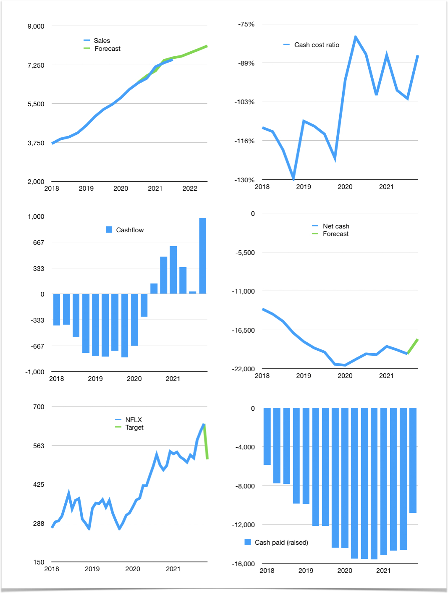
Financial model
$m | 4Q 2021
Cashflow | 4% |  |  | 2%
Growth | 2% | 2% | 2% | 2%
Sales | 7,634 | 7,786 | 7,942 | 8,101
Cost ratio | -86% | -86% | -86% | -86%
Cash costs | -6,570 | -6,702 | -6,836 | -6,972
Operating | 1,064 | 1,085 | 1,107 | 1,129
Investment | -150 | -150 | -150 | -150
Finance | -914 | -935 | -957 | -979
Liabilities | -1,371 | -1,303 | -1,238 | -1,176
Equity | -415 | -420 | -424 | -428
Before revolver | -873 | -787 | -705 | -625
Revolver | 873 | 787 | 705 | 625
Beginning | 7,527 | 7,527 | 7,527 | 7,527
Change | 0 | 0 | 0 | 0
Ending | 7,527 | 7,527 | 7,527 | 7,527
Profit
Non cash costs | 1,014 | 1,014 | 1,014 | 1,014
Net profit | 2,077 | 2,098 | 2,120 | 2,142
Balance sheet
Others assets | 17,348 | 17,498 | 17,648 | 17,798
Depreciation | -19,028 | -20,042 | -21,055 | -22,069
Net other assets | 36,376 | 37,540 | 38,703 | 39,866
Liabilities | 26,054 | 24,751 | 23,514 | 22,338
Revolver | 873 | 1,660 | 2,365 | 2,990
Equity | 16,977 | 18,655 | 20,351 | 22,065
Check | 0 | 0 | 0 | 0
Net cash | -19,400 | -18,884 | -18,352 | -17,801
Valuation
Capital | -13,673 | -12,738 | -11,782 | -10,803
Current value |  |  |  | 282,800
P/assets |  |  |  | 6.0
Yield |  |  |  | 0.6%
Cashflow |  |  |  | 3,784
Payback |  |  |  | 9
Valuation |  |  |  | 75
Forecast |  |  |  | 60
Value |  |  |  | 227,067
Shares |  |  |  | 443
Target |  |  |  | 513
Current |  |  |  | 639
V target |  |  |  | -20%
12 month growth |  |  |  | 16%
Sales forecasts |  |  |  | 0%

