Model
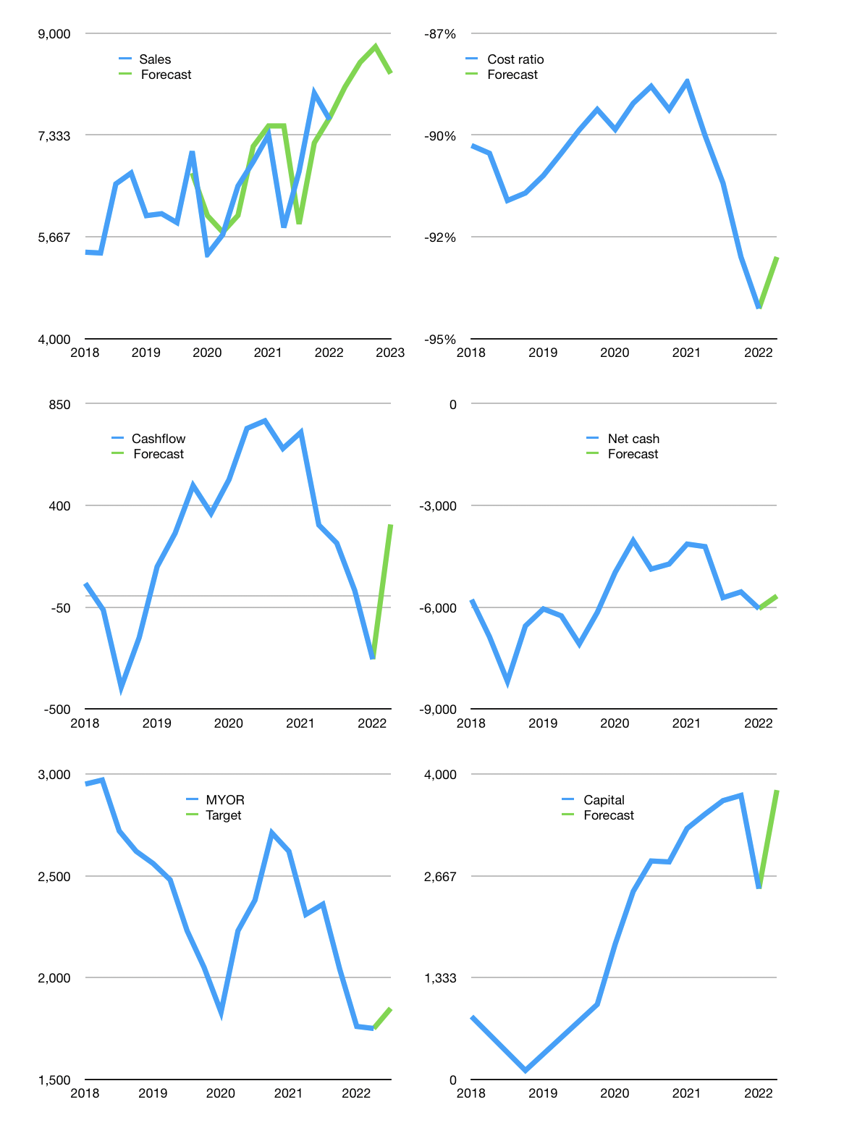
Financial model
Rpbn |  |  | 4Q 2022
Cashflow | 2% |  |  | 3%
Growth | 7% | 5% | 3% | -5%
Sales | 8,117 | 8,523 | 8,778 | 8,340
Cost ratio | -93% | -93% | -93% | -93%
Cash costs | -7,537 | -7,914 | -8,152 | -7,744
Operating | 579 | 608 | 627 | 595
Investment | -280 | -280 | -280 | -280
Finance | -300 | -329 | -347 | -316
Liabilities | -520 | -494 | -470 | -446
Revolver | 437 | 399 | 367 | 356
Payout | 0.6
Equity | -216 | -234 | -245 | -226
Before revolver | -437 | -399 | -367 | -356
Beginning | 4,364 | 4,364 | 4,364 | 4,364
Change | 0 | 0 | 0 | 0
Ending | 4,364 | 4,364 | 4,364 | 4,364
Profit
Non cash costs | -219 | -219 | -219 | -219
Net profit | 361 | 390 | 408 | 377
Balance sheet
Other asses | 24,782 | 25,061 | 25,341 | 25,620
Depreciation | 7,007 | 7,226 | 7,444 | 7,663
Net other assets | 17,775 | 17,836 | 17,896 | 17,957
Liabilities | 9,885 | 9,391 | 8,921 | 8,475
Revolver | 437 | 836 | 1,203 | 1,559
Equity | 11,817 | 11,973 | 12,136 | 12,287
Check | 0 | 0 | 0 | 0
Net cash | -5,958 | -5,862 | -5,760 | -5,670
Valuation
Capital | 2,796 | 3,125 | 3,472 | 3,788
Current value |  |  |  | 39,127,726,686,208
Current value |  |  |  | 39,128
P/assets |  |  |  | 1.75
Yield |  |  |  | 2%
Cashflow |  |  |  | 1,292
Payback |  |  |  | 14
Valuation |  |  |  | 30
Forecast |  |  |  | 32
Value |  |  |  | 41,333
Shares |  |  |  | 22
Target |  |  |  | 1,849
Current |  |  |  | 1,750
V target |  |  |  | 6%
12 month growth |  |  |  | 3%
Sales forecasts |  |  |  | 0%

Capital
Capital
Rpbn | Liabilities | Equity | Total | Liabilities | Equity | Total
2005 | 100 | -19 | 81 | 100 | -19 | 81
2006 | -20 | -19 | -39 | 80 | -38 | 42
2007 |  |  | 0 | 80 | -38 | 42
2008 | 602 | -31 | 571 | 682 | -69 | 613
2009 | -40 | -38 | -78 | 642 | -107 | 535
2010 | 374 | -85 | 290 | 1,017 | -192 | 825
2011 | 1,490 | -100 | 1,390 | 2,506 | -292 | 2,215
2012 | 970 | -100 | 870 | 3,476 | -391 | 3,085
2013 | 119 | -183 | -64 | 3,595 | -574 | 3,021
2014 | 728 | -206 | 523 | 4,324 | -780 | 3,544
2015 | -796 | -149 | -945 | 3,528 | -929 | 2,600
2016 | 264 | -275 | -11 | 3,792 | -1,204 | 2,589
2017 | 379 | -481 | -102 | 4,171 | -1,685 | 2,486
2018 | 1,558 | -617 | 941 | 5,729 | -2,301 | 3,428
2019 | -203 | -663 | -865 | 5,526 | -2,964 | 2,563 | -10.237882353
2020 | -1,181 | -685 | -1,866 | 4,346 | -3,649 | 697 | -552.5128
2021 | 336 | -1,207 | -871 | 4,682 | -4,856 | -174 | 789.3
2022 | 1,222 | 0 | 1,222 | 5,904 | -4,856 | 1,048

MYOR, LIABILITIES & EQUITY CANCEL EACH OTHER OOT

