Model
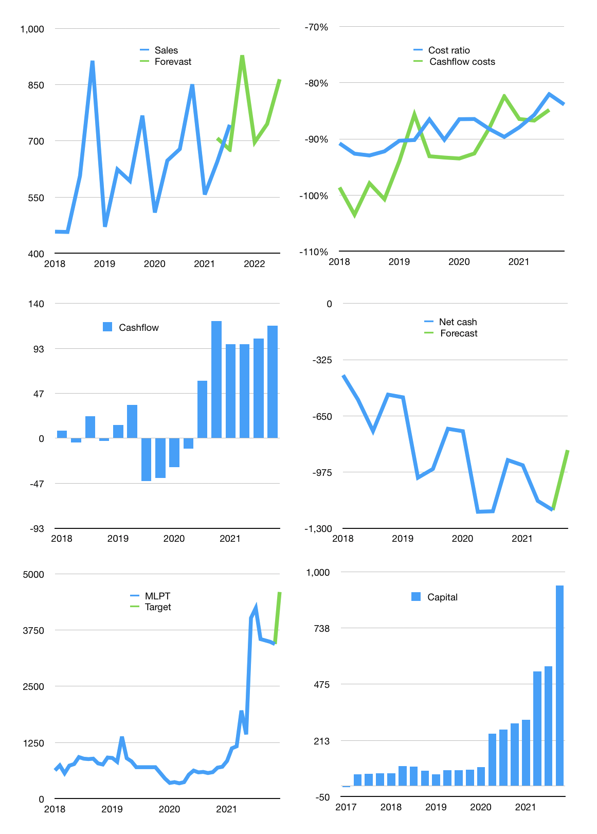
Financial model
Rpbn | 4Q 2021
Cashflow | 5% |  |  | 6%
Growth | 25% | -25% | 7% | 16%
Sales | 929 | 697 | 745 | 865
Cost ratio | -84% | -84% | -84% | -84%
Costs | -779 | -584 | -625 | -725
Operating | 150 | 112 | 120 | 139
Investment | -16 | -16 | -16 | -16
Leases | -7 | -7 | -7 | -7
Finance | -112 | -96 | -97 | -98
Liabilities | -79 | -75 | -71 | -67
Equity | -34 | -22 | -25 | -31
Before revolver | 22 | -1 | 8 | 25
Revolver | 0 | 1 | -1 | 0
Beginning | 379 | 401 | 401 | 408
Change | 22 | 0 | 8 | 25
Ending | 401 | 401 | 408 | 434
Profit
Non cash costs | -38 | -38 | -38 | -38
Profit | 112 | 75 | 83 | 102
Balance sheet
Other assets | 2,747 | 2,763 | 2,779 | 2,795
Depreciation | 700 | 737 | 775 | 812
Net other assets | 2,047 | 2,026 | 2,004 | 1,983
Liabilities | 1,495 | 1,421 | 1,350 | 1,282
Revolver | 0 | 1 | 0 | 0
Equity | 953 | 1,005 | 1,063 | 1,134
Check | 0 | 0 | 0 | 0
Net cash | -1,095 | -1,021 | -941 | -848
Valuation
Capital | 665 | 755 | 844 | 936
Current value |  |  |  | 6,450
P/assets |  |  |  | 2.67
Yield |  |  |  | 2%
Cashflow |  |  |  | 431
Payback |  |  |  | 5
Valuation |  |  |  | 15
Forecast |  |  |  | 20
Value |  |  |  | 8,621
Shares |  |  |  | 1.9
Target |  |  |  | 4,598
Current |  |  |  | 3,440
V target |  |  |  | 34%
12 month growth |  |  |  | 10%
Sales forecasts |  |  |  | 0%

