Model
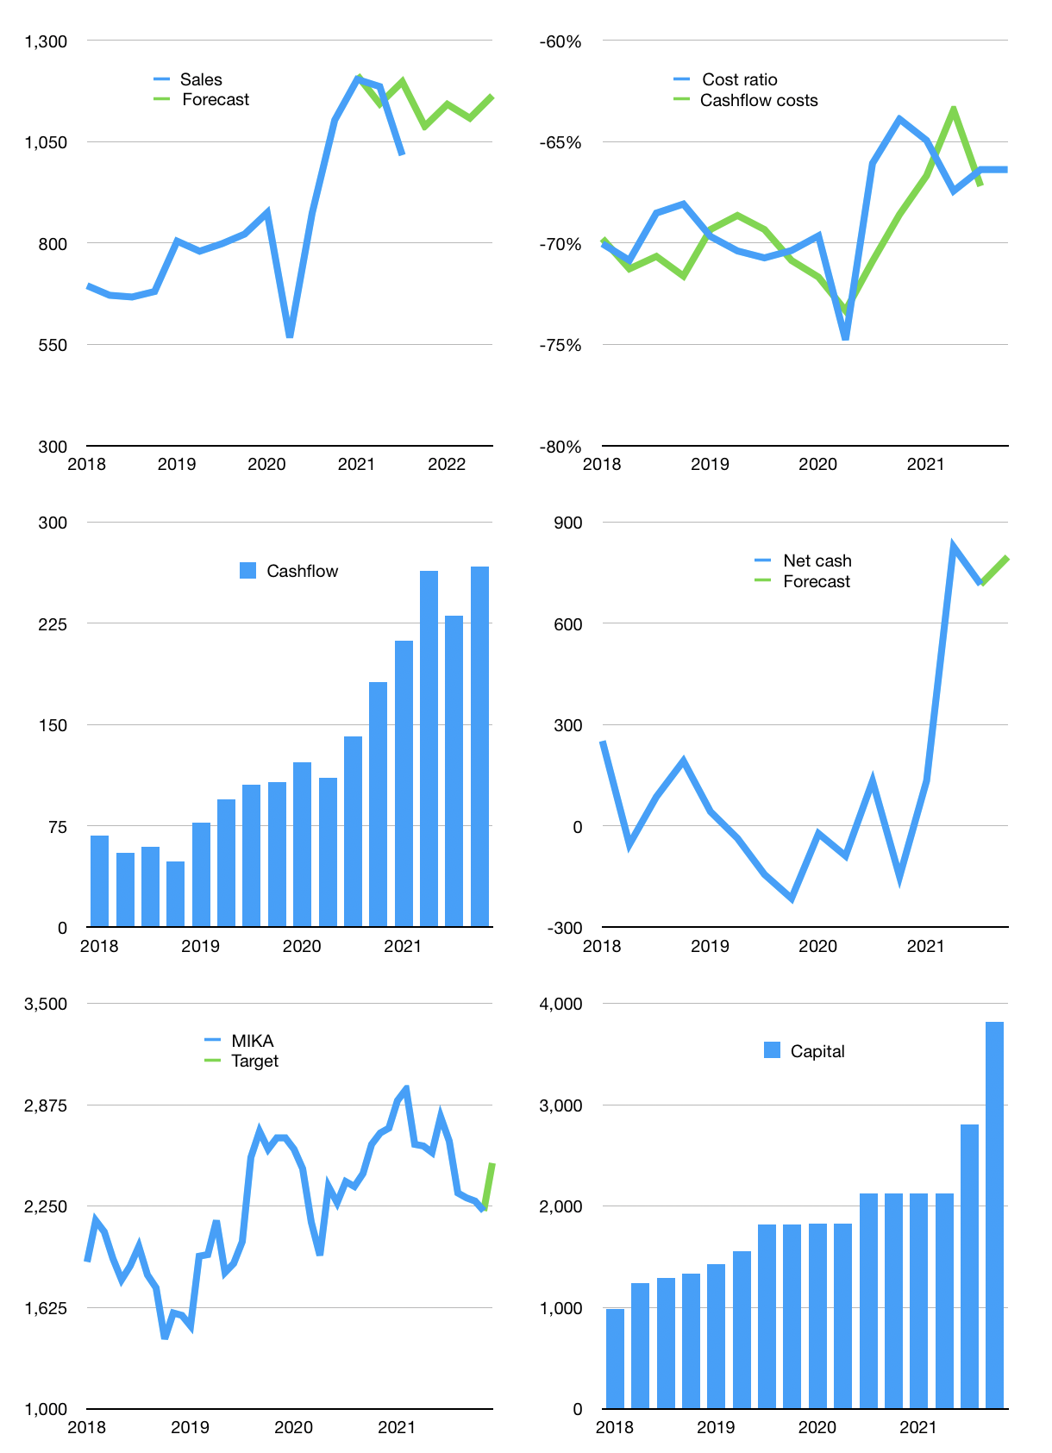
Financial model
Rpbn | 4Q 2021
Cashflow | 5% |  |  | 4%
Growth | 7% | 5% | -3% | 5%
Sales | 1,088 | 1,142 | 1,108 | 1,164
Cost ratio | -66% | -66% | -66% | -66%
Cash costs | -722 | -758 | -736 | -772
Operating | 366 | 384 | 373 | 391
Investment | -124 | -124 | -124 | -124
Finance | -242 | -260 | -249 | -267
Liabilities | -45 | -43 | -41 | -39
Equity | -225 | -238 | -230 | -243
Before revolver | -29 | -21 | -22 | -15
Revolver | 29 | 21 | 22 | 15
Beginning | 1,617 | 1,617 | 1,617 | 1,617
Change | 0 | 0 | 0 | 0
Ending | 1,617 | 1,617 | 1,617 | 1,617
Profit
Non cash costs | -44 | -44 | -44 | -44
Profit | 322 | 340 | 329 | 347
Balance sheet
Other assets | 6,761 | 6,885 | 7,009 | 7,133
Depreciation | 1,593 | 1,637 | 1,681 | 1,725
Net other assets | 5,168 | 5,248 | 5,328 | 5,408
Liabilities | 857 | 814 | 773 | 735
Revolver | 29 | 49 | 72 | 86
Equity | 5,900 | 6,002 | 6,100 | 6,204
Check | 0 | 0 | 0 | 0
Net cash | 731 | 753 | 772 | 796
Valuation
Capital | 3,042 | 3,302 | 3,551 | 3,818
Current value |  |  |  | 31,450
P/assets |  |  |  | 4.5
Yield |  |  |  | 3%
Cashflow |  |  |  | 1,018
Payback |  |  |  | 5
Valuation |  |  |  | 31
Forecast |  |  |  | 35
Value |  |  |  | 35,623
Shares |  |  |  | 14
Target |  |  |  | 2,515
Current |  |  |  | 2,220
V target |  |  |  | 13%
12 month growth |  |  |  | 16%
Sales forecasts |  |  |  | 4%

