Model
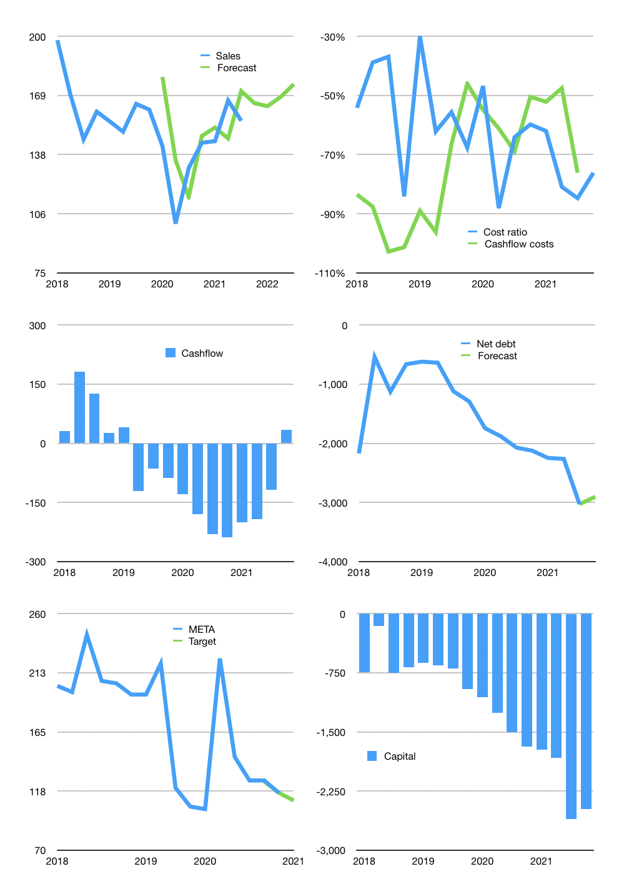
Financial model
Rpbn | 4Q 2021
Cashflow | 5% |  |  | 3%
Growth | 6% | -1% | 3% | 4%
Sales | 165 | 163 | 168 | 175
Cost ratio | -76% | -76% | -76% | -76%
Cash costs | -125 | -124 | -128 | -133
Operating | 39 | 39 | 40 | 42
Investment | -8 | -8 | -8 | -8
Finance | -31 | -31 | -32 | -33
Liabilities | -167 | -159 | -151 | -143
Equity | 0 | 0 | 0 | 0
Before revolver | -136 | -128 | -119 | -110
Revolver | 136 | 128 | 119 | 110
Beginning | 308 | 308 | 308 | 308
Change | 0 | 0 | 0 | 0
Ending | 308 | 308 | 308 | 308
Profit
Non cash costs | -34 | -34 | -34 | -34
Net profit | 6 | 5 | 7 | 8
Balance sheet
Other assets | 7,515 | 7,523 | 7,532 | 7,540
Depreciation | 1,137 | 1,170 | 1,204 | 1,237
Net other assets | 6,379 | 6,353 | 6,328 | 6,303
Liabilities | 3,172 | 3,013 | 2,863 | 2,720
Revolver | 136 | 264 | 383 | 492
Equity | 3,379 | 3,384 | 3,391 | 3,399
Check | 0 | 0 | 0 | 0
Net cash | -3,000 | -2,969 | -2,937 | -2,904
Valuation
Capital | -2,577 | -2,546 | -2,515 | -2,481
Current value |  |  |  | 2,010
P/assets |  |  |  | 0.30
Yield |  |  |  | 0%
Cashflow |  |  |  | 127
Payback |  |  |  | 50
Valuation |  |  |  | 16
Forecast |  |  |  | 15
Value |  |  |  | 1,904
Shares |  |  |  | 17
Target price |  |  |  | 110
Current |  |  |  | 116
V target |  |  |  | -5%
12 month growth |  |  |  | 19%
Sales forecasts |  |  |  | 6%

