Model
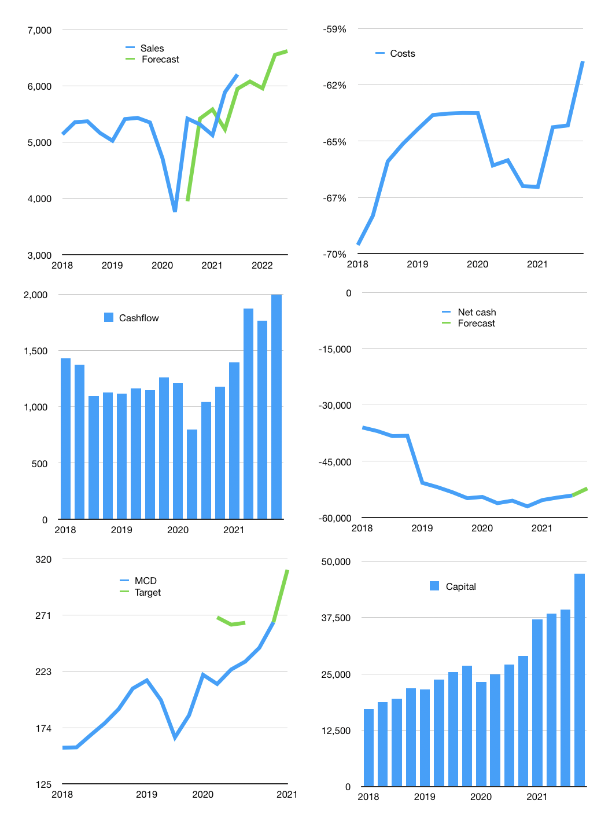
Financial model
$m | 4Q 2021
Cashflow | 13% |  |  | 2%
Growth | -2% | -2% | 10% | 1%
Sales | 6,077 | 5,956 | 6,551 | 6,617
Cost ratio | -61% | -61% | -61% | -61%
Cash costs | -3,682 | -3,609 | -3,970 | -4,009
Operating | 2,395 | 2,347 | 2,582 | 2,608
Investment | -483 | -483 | -483 | -483
Finance | -1,912 | -1,864 | -2,099 | -2,125
Liabilities | -2,920 | -2,774 | -2,635 | -2,504
Equity | -1,471 | -1,437 | -1,601 | -1,620
Before revolver | -2,479 | -2,347 | -2,138 | -1,999
Revolver | 2,479 | 2,347 | 2,138 | 1,999
Beginning | 4,306 | 4,306 | 4,306 | 4,306
Change | 0 | 0 | 0 | 0
Ending | 4,306 | 4,306 | 4,306 | 4,306
Profit
Non cash costs | -294 | -294 | -294 | -294
Net profit | 2,101 | 2,053 | 2,288 | 2,314
Balance sheet
Other assets | 59,055 | 59,538 | 60,021 | 60,504
Depreciation | 10,445 | 10,739 | 11,033 | 11,327
Net other assets | 48,610 | 48,799 | 48,989 | 49,178
Liabilities | 55,482 | 52,708 | 50,072 | 47,569
Revolver | 2,479 | 4,826 | 6,964 | 8,963
Equity | -5,045 | -4,429 | -3,742 | -3,048
Check | 0 | 0 | 0 | 0
Net cash | -53,655 | -53,228 | -52,731 | -52,226
Valuation
Capital | 41,176 | 43,040 | 45,139 | 47,263
Current value |  |  |  | 198,000
P/assets |  |  |  | 3.70
Yield |  |  |  | 3%
Cashflow |  |  |  | 7,999
Payback |  |  |  | 6
Valuation |  |  |  | 25
Forecast |  |  |  | 29
Value |  |  |  | 231,977
Shares |  |  |  | 747
Target |  |  |  | 310
Current |  |  |  | 265
V target |  |  |  | 17%
12 month growth |  |  |  | 14%
Sales forecasts |  |  |  | -7%

