Model
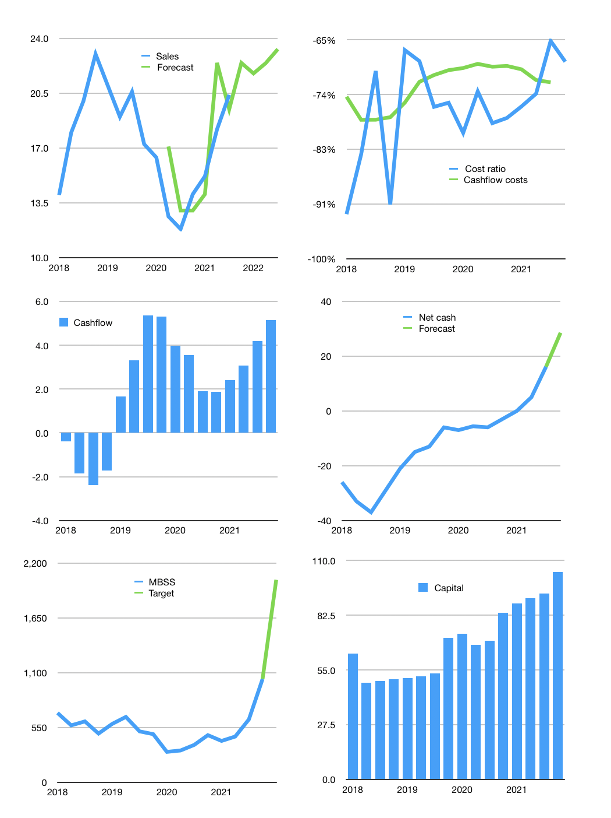
Financial model
$m | 4Q 2021
Cash flow | 15% |  |  | 4%
Growth | 10% | -3% | 3% | 4%
Sales | 22.4 | 21.8 | 22.4 | 23.3
Cost ratio | -69% | -69% | -69% | -69%
Cash costs | -15.4 | -14.9 | -15.4 | -16.0
Operating | 7.1 | 6.9 | 7.1 | 7.3
Investment | -2.2 | -2.2 | -2.2 | -2.2
Finance | -1.7 | -3.0 | -3.0 | -3.1
Liabilities | -1.0 | -1.0 | -0.9 | -0.9
Equity | -0.7 | -2.1 | -2.1 | -2.2
Before revolver | 3.1 | 1.6 | 1.8 | 2.1
Revolver | 0.0 | 0.0 | 0.0 | 0.0
Beginning | 36.4 | 39.5 | 41.2 | 43.0
Change | 3.1 | 1.6 | 1.8 | 2.1
Ending | 39.5 | 41.2 | 43.0 | 45.1
Profit
Non cash costs | -5.1 | -5.1 | -5.1 | -5.1
Net profit | 2.0 | 1.8 | 2.0 | 2.2
Balance sheet
Other assets | 351 | 353 | 356 | 358
Depreciation | 209 | 214 | 219 | 224
Net other assets | 143 | 140 | 137 | 134
Liabilities | 19 | 18 | 17 | 17
Revolver | 0 | 0 | 0 | 0
Equity | 163 | 162 | 162 | 162
Check | 0 | 0 | 0 | 0
Net cash | 20 | 23 | 26 | 29
Valuation
Rupiah |  |  |  | 14.0
Capital | 95.1 | 98.1 | 101.2 | 104.3
Current value |  |  |  | 129
P/assets |  |  |  | 0.7
Yield |  |  |  | 5%
Cashflow |  |  |  | 20
Payback |  |  |  | 7
Valuation |  |  |  | 7
Forecast |  |  |  | 13
Value |  |  |  | 254
Shares |  |  |  | 2
Target |  |  |  | 2,032
Current |  |  |  | 1,035
V target |  |  |  | 96%
12 month growth |  |  |  | 44%
Sales forecasts |  |  |  | 7%

