Model
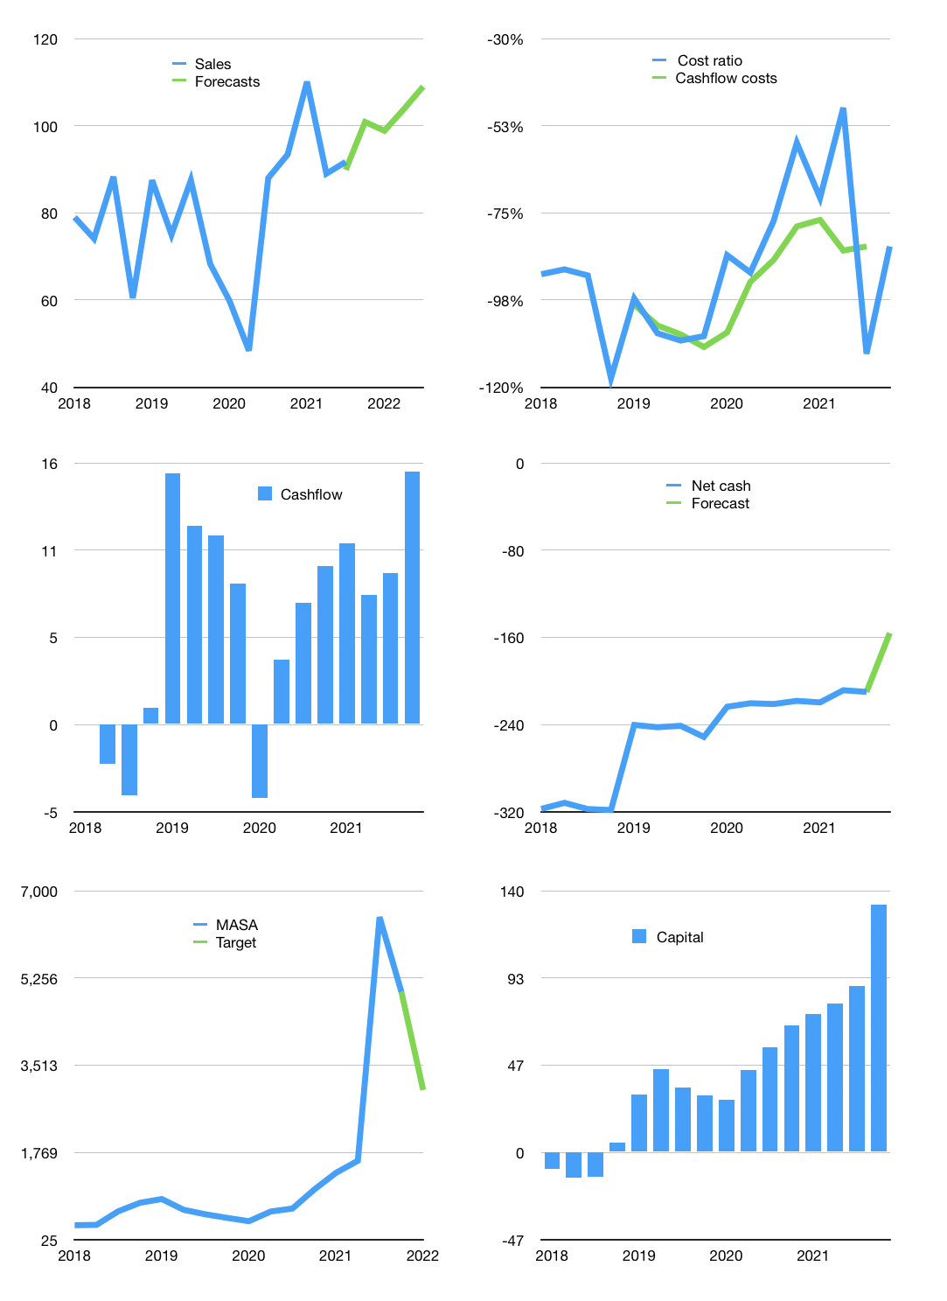
Model
$m | 4Q 2021
Cashflow | 2% |  |  | 5%
Growth | 10.0% | -2% | 5% | 5%
Sales | 101 | 99 | 104 | 109
Cost ratio | -84% | -84% | -84% | -84%
Cash costs | -84 | -83 | -87 | -91
Operating | 16 | 16 | 17 | 18
Investment | -2 | -2 | -2 | -2
Liabilities | -11 | -10 | -10 | -9
Equity | -1 | -1 | -1 | -1
Before revolver | 3 | 3 | 4 | 5
Revolver | 0 | 0 | 0 | 0
Finance | -12 | -11 | -11 | -10
Beginning | 2 | 5 | 7 | 11
Change | 3 | 3 | 4 | 5
Ending | 5 | 7 | 11 | 17
Profit
Non cash costs | -7 | -7 | -7 | -7
Profit | 10 | 9 | 10 | 11
Balance sheet
Other assets | 911 | 914 | 916 | 918
Depreciation | 430 | 437 | 444 | 451
Net other assets | 481 | 477 | 472 | 468
Liabilities | 201 | 191 | 182 | 173
Revolver | 0 | 0 | 0 | 0
Equity | 285 | 293 | 302 | 312
Check | 0 | 0 | 0 | 0
Net cash | -197 | -184 | -170 | -156
Valuation
Rupiah |  |  |  | 14
Capital | 101 | 112 | 122 | 133
Current value |  |  |  | 3,266
P/assets |  |  |  | 6.74
Yield |  |  |  | 0%
Cashflow |  |  |  | 62
Payback |  |  |  | 8
Valuation |  |  |  | 53
Forecast |  |  |  | 32
Value |  |  |  | 1,979
Shares |  |  |  | 9
Target |  |  |  | 3,017
Current |  |  |  | 4,980
V target |  |  |  | -39%
12 month growth |  |  |  | 4%
Sales forecasts |  |  |  | -2%

