Model
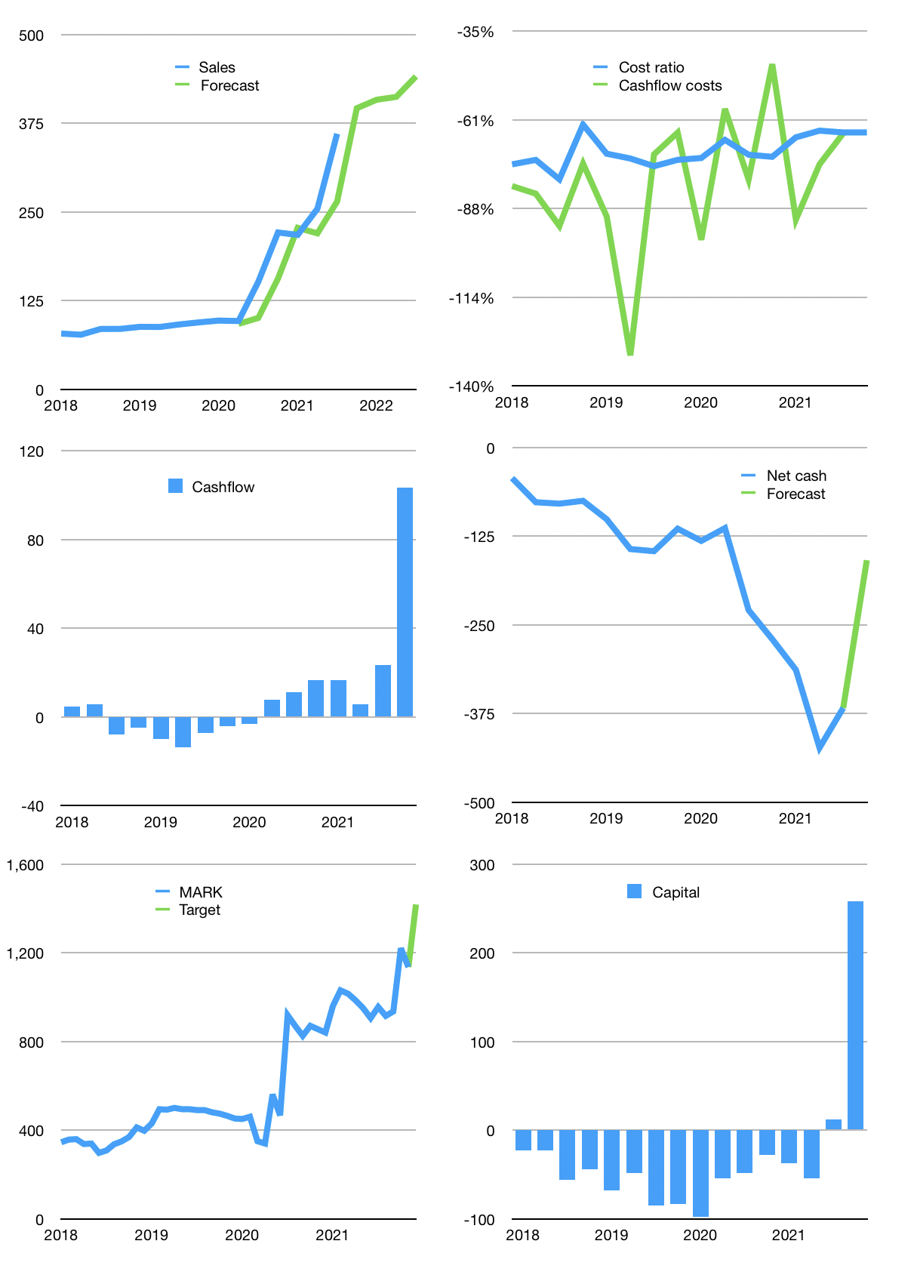
Financial model
Rpbn | 4Q 2021
Cashflow | 26% |  |  | 5%
Growth | 10% | 3% | 1% | 7%
Sales | 396 | 408 | 412 | 441
Cost ratio | -65% | -65% | -65% | -65%
Cash costs | -257 | -265 | -268 | -286
Operating | 139 | 143 | 144 | 155
Investment | -51 | -51 | -51 | -51
Finance | -61 | -61 | -61 | -63
Liabilities | -21 | -20 | -19 | -18
Equity | -40 | -41 | -42 | -45
Before revolver | 27 | 31 | 33 | 41
Revolver | 0 | 0 | 0 | 0
Beginning | 52 | 79 | 109 | 142
Change | 27 | 31 | 33 | 41
Ending | 79 | 109 | 142 | 183
Profit
Non cash costs | -5 | -5 | -5 | -5
Net profit | 134 | 138 | 139 | 150
Balance sheet
Other assets | 1,133 | 1,184 | 1,235 | 1,286
Depreciation | 91 | 96 | 101 | 106
Net other assets | 1,042 | 1,088 | 1,134 | 1,180
Liabilities | 398 | 378 | 359 | 341
Revolver | 0 | 0 | 0 | 0
Equity | 723 | 819 | 917 | 1,022
Check | 0 | 0 | 0 | 0
Net cash | -319 | -269 | -217 | -159
Valuation
Capital | 73 | 134 | 195 | 258
Current value |  |  |  | 4,313
P/assets |  |  |  | 3.2
Yield |  |  |  | 4%
Cashflow |  |  |  | 377
Payback |  |  |  | 3
Valuation |  |  |  | 11
Forecast |  |  |  | 17
Value |  |  |  | 6,401
Shares |  |  |  | 5
Target |  |  |  | 1,417
Current |  |  |  | 955
V target |  |  |  | 48%
12 month growth |  |  |  | 138%
Sales forecasts |  |  |  | -18%

