Model
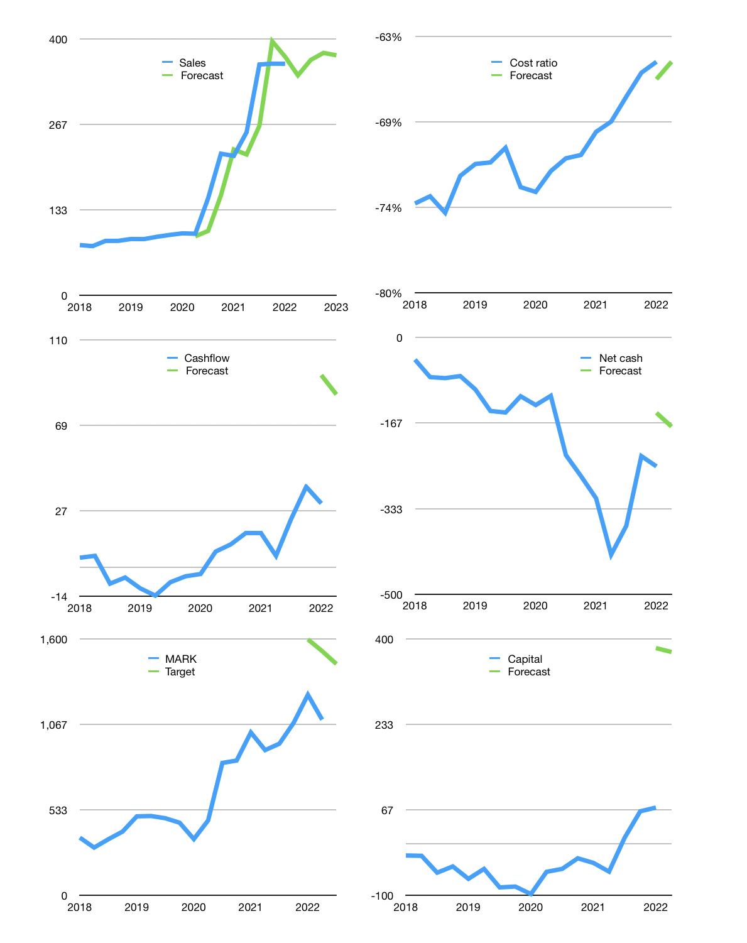
Financial model
Rpbn |  |  | 4Q 2022
Cashflow | 15% |  |  | 1%
Growth | -5% | 7% | 3% | -1%
Sales | 343 | 367 | 378 | 374
Cost ratio | -65% | -65% | -65% | -65%
Cash costs | -222 | -237 | -245 | -242
Operating | 121 | 130 | 134 | 132
Investment | -49 | -49 | -49 | -49
Finance | -73 | -77 | -77 | -76
Liabilities | -17 | -15 | -14 | -13
Revolver | 1 | -1 | 0 | 0
Payout | 0.5
Equity | -57 | -61 | -63 | -63
Before revolver | -1 | 5 | 8 | 8
Beginning | 58 | 58 | 62 | 69
Change | 0 | 4 | 8 | 8
Ending | 58 | 62 | 69 | 77
Profit
Non cash costs | -7 | -7 | -7 | -7
Net profit | 114 | 123 | 127 | 125
Balance sheet
Other assets | 1,270 | 1,319 | 1,367 | 1,416
Depreciation | 108 | 115 | 122 | 129
Net other assets | 1,162 | 1,204 | 1,245 | 1,287
Liabilities | 292 | 278 | 264 | 251
Revolver | 1 | 0 | 0 | 0
Equity | 926 | 988 | 1,051 | 1,114
Check | 0 | 0 | 0 | 0
Net cash | -236 | -216 | -194 | -173
Valuation
Capital | 143 | 221 | 298 | 374
Current value |  |  |  | 4,161,000,000,000
Current value |  |  |  | 4,161
P/assets |  |  |  | 3.0
Yield |  |  |  | 6%
Cashflow |  |  |  | 322
Payback |  |  |  | 3
Valuation |  |  |  | 13
Forecast |  |  |  | 17
Value |  |  |  | 5,480
Shares |  |  |  | 4
Target |  |  |  | 1,442
Current |  |  |  | 1,095
V target |  |  |  | 32%
12 month growth |  |  |  | 66%
Sales forecasts |  |  |  | -10%

