Model
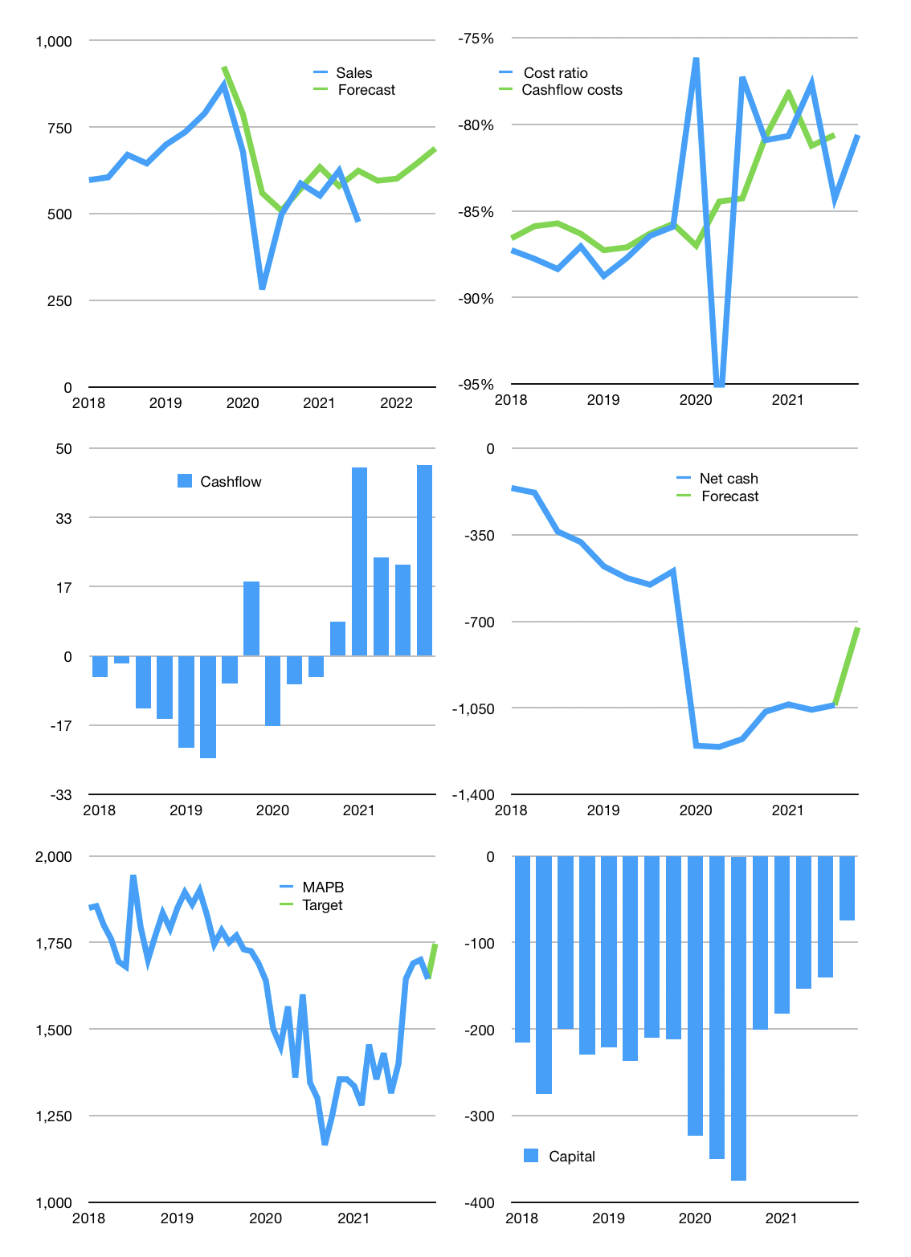
Financial model
Rpbn | 4Q 2021
Cashflow | 26% |  |  | 10%
Growth | 25% | 1% | 7% | 7%
Sales | 595 | 601 | 643 | 688
Cost ratio | -81% | -81% | -81% | -81%
Cash costs | -480 | -485 | -518 | -555
Operating | 115 | 117 | 125 | 133
Investment | -44 | -44 | -44 | -44
Leases | -44 | -44 | -44 | -44
Finance | -65 | -61 | -58 | -56
Liabilities | -65 | -61 | -58 | -55
Equity | 0 | 0 | 0 | -1
Before revolver | 7 | 11 | 23 | 33
Revolver | 0 | 0 | 0 | 0
Beginning | 251 | 258 | 270 | 292
Change | 7 | 11 | 23 | 33
Ending | 258 | 270 | 292 | 326
Profit
Non cash costs | -130 | -130 | -130 | -130
Net profit | -15 | -13 | -5 | 3
Balance sheet
Other assets | 4,026 | 4,070 | 4,113 | 4,157
Depreciation | 2,127 | 2,257 | 2,387 | 2,517
Net other assets | 1,899 | 1,813 | 1,726 | 1,640
Liabilities | 1,226 | 1,164 | 1,106 | 1,051
Revolver | 0 | 0 | 0 | 0
Equity | 931 | 918 | 913 | 915
Check | 0 | 0 | 0 | 0
Net debt | -967 | -895 | -814 | -725
Valuation
Capital | -120 | -102 | -87 | -75
Current value |  |  |  | 3,571
P/assets |  |  |  | 1.82
Yield |  |  |  | 0.0%
Cashflow |  |  |  | 140
Payback |  |  |  | 14
Valuation |  |  |  | 25
Forecast |  |  |  | 27
Value |  |  |  | 3,790
Shares |  |  |  | 2
Target |  |  |  | 1,746
Current |  |  |  | 1,645
V target |  |  |  | 6%
12 month growth |  |  |  | -4%
Sales forecasts |  |  |  | 14%

Share price
Share price
 | MAPB | Target
2017

 | 2,240
 | 2,060
 | 2,030
 | 2,040
 | 1,995
 | 1,905
2018 | 1,850
 | 1,855
 | 1,800
 | 1,760
 | Region 1 | Region 2
April | 17 | 55
May | 26 | 43
June | 53 | 70
July | 96 | 58
 | 1,695
 | 1,680
 | 1,945
 | 1,795
 | 1,700
 | 1,770
 | 1,835
 | 1,790
2019 | 1,850
 | 1,895
 | 1,860
 | 1,900
 | 1,830
 | 1,745
 | 1,785
 | 1,750
 | 1,770
 | 1,730
 | 1,725
 | 1,690
2020 | 1,640
 | 1,500
 | 1,450
 | 1,565
 | 1,360
 | 1,600
 | 1,345
 | 1,300
 | 1,165
 | 1,250
 | 1,355
 | 1,355
2021 | 1,335
 | 1,280
 | 1,455
 | 1,355
 | 1,430
 | 1,315
 | 1,400
 | 1,645
 | 1,690
 | 1,700
 | 1,645 | 1,645
 |  | 1,746

