Model
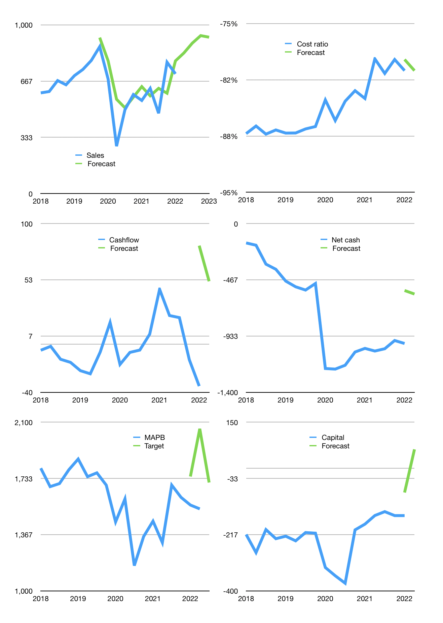
Financial model
Rpbn |  |  | 4Q 2022
Cashflow | 11% |  |  | 5%
Growth | 7% | 7% | 5% | -1%
Sales | 833 | 892 | 936 | 927
Cost ratio | -81% | -81% | -81% | -81%
Cash costs | -672 | -719 | -754 | -747
Operating | 162 | 173 | 182 | 180
Investment | -72 | -72 | -72 | -72
Leases | -56 | -56 | -56 | -56
Finance | -58 | -55 | -53 | -50
Liabilities | -58 | -55 | -53 | -50
Revolver | 0 | 0 | 0 | 0
Payout | 0.0
Equity | 0 | 0 | 0 | 0
Before revolver | 32 | 46 | 58 | 58
Beginning | 169 | 201 | 247 | 305
Change | 32 | 46 | 58 | 58
Ending | 201 | 247 | 305 | 363
Profit
Non cash costs | -64 | -64 | -64 | -64
Net profit | 98 | 109 | 118 | 116
Balance sheet
Other assets | 4,316 | 4,387 | 4,459 | 4,531
Depreciation | 2,256 | 2,320 | 2,384 | 2,448
Net other assets | 2,060 | 2,068 | 2,075 | 2,083
Liabilities | 1,106 | 1,051 | 998 | 948
Revolver | 0 | 0 | 0 | 0
Equity | 1,155 | 1,264 | 1,382 | 1,498
Check | 0 | 0 | 0 | 0
Net debt | -905 | -804 | -693 | -585
Valuation
Capital | -96 | -41 | 12 | 62
Current value |  |  |  | 3,332,362,101,760
Current value |  |  |  | 3,332
P/assets |  |  |  | 1.36
Yield |  |  |  | 0.0%
Cashflow |  |  |  | 185
Payback |  |  |  | 11
Valuation |  |  |  | 18
Forecast |  |  |  | 20
Value |  |  |  | 3,706
Shares |  |  |  | 2
Target |  |  |  | 1,707
Current |  |  |  | 1,535
V target |  |  |  | 11%
12 month growth |  |  |  | 33%
Sales forecasts |  |  |  | 8%

Share price
Share price
 | MAPB | Target | Previous
2018 | 1,800
 | 1,680
 | 1,700
 | 1,790
2019 | 1,860
 | 1,745
 | 1,770
 | 1,690
2020 | 1,450
 | 1,600
 | 1,165
 | 1,355
2021 | 1,455
 | 1,315
 | 1,690
 | 1,610
 | Region 1 | Region 2
April | 17 | 55
May | 26 | 43
June | 53 | 70
July | 96 | 58
2022 | 1,560 | 1,746
 | 1,535 | 2,057
 |  | 1,707

Capital
Capital
Rpbn | Liabilities | Equity | Total | Liabilities | Equity | Total
2013 |  | 13 | 13 | 0 | 13 | 13
2014 |  |  | 0 | 0 | 13 | 13
2015 |  |  | 0 | 0 | 13 | 13
2016 | 725 | -146 | 579 | 725 | -134 | 592
2017 |  | 15 | 15 | 725 | -119 | 607
2018 |  | 74 | 74 | 725 | -45 | 681
2019 |  |  | 0 | 725 | -45 | 681
2020 |  |  | 0 | 725 | -45 | 681 | 76 | 18 | 0
2021 |  |  | 0 | 725 | -45 | 681
2022 |  |  | 0 | 725 | -45 | 681

 |  |  |  |  |  |  |  |  |  | Table 1

 |  |  |  |  |  |  |  |  |  |  | MAPB | capital history
 |  |  |  |  |  |  |  |  |  |  | 2022-02-01 | 22 | 2022
 |  |  |  |  |  |  |  |  |  |  | Start date | 2013
 |  |  |  |  |  |  |  |  |  |  | Number of quarters | 35
 |  |  |  |  |  |  |  |  |  |  | Liabilities | 725 | billion rupiah | raised
 |  |  |  |  |  |  |  |  |  |  | MAPB | has | raised | liabilities | by an average | 81 | billion rupiah | every year
 |  |  |  |  |  |  |  |  |  |  | In the last 5 years | liabilities | were | paid | by an average | 0 | billion rupiah | every year
 |  |  |  |  |  |  |  |  |  |  | The peak in cumulative liabilities | was | 725 | billion rupiah | in | 2016
 |  |  |  |  |  |  |  |  |  |  | As of the latest quarter | liabilities | cumulative | are | up | to | 725 | billion rupiah
MAPB HAS 681 BILLION RUPIAH TO PAY
 |  |  |  |  |  |  |  |  |  |  | Equity | -45 | billion rupiah | paid
 |  |  |  |  |  |  |  |  |  |  | MAPB | has | paid | equity | by an average | -5 | billion rupiah | every year
 |  |  |  |  |  |  |  |  |  |  | In the last 5 years | equity | was | raised | by an average | 18 | billion rupiah | every year
 |  |  |  |  |  |  |  |  |  |  | The peak in cumulative equity | was | 13 | billion rupiah | in | 2013
 |  |  |  |  |  |  |  |  |  |  | As of the latest quarter | equity | cumulative | is | down | to | -45 | billion rupiah
 |  |  |  |  |  |  |  |  |  |  | Total capital | 681 | billion rupiah | raised
 |  |  |  |  |  |  |  |  |  |  | MAPB | has | raised | total capital | by an average | 76 | billion rupiah | every year
 |  |  |  |  |  |  |  |  |  |  | In the last 5 years | total capital | was | raised | by an average | 18 | billion rupiah | every year
 |  |  |  |  |  |  |  |  |  |  | The peak in cumulative total capital | was | 681 | billion rupiah | in | 2018
 |  |  |  |  |  |  |  |  |  |  | As of the latest quarter | total capital | cumulative | is | up | to | 681 | billion rupiah

