Model
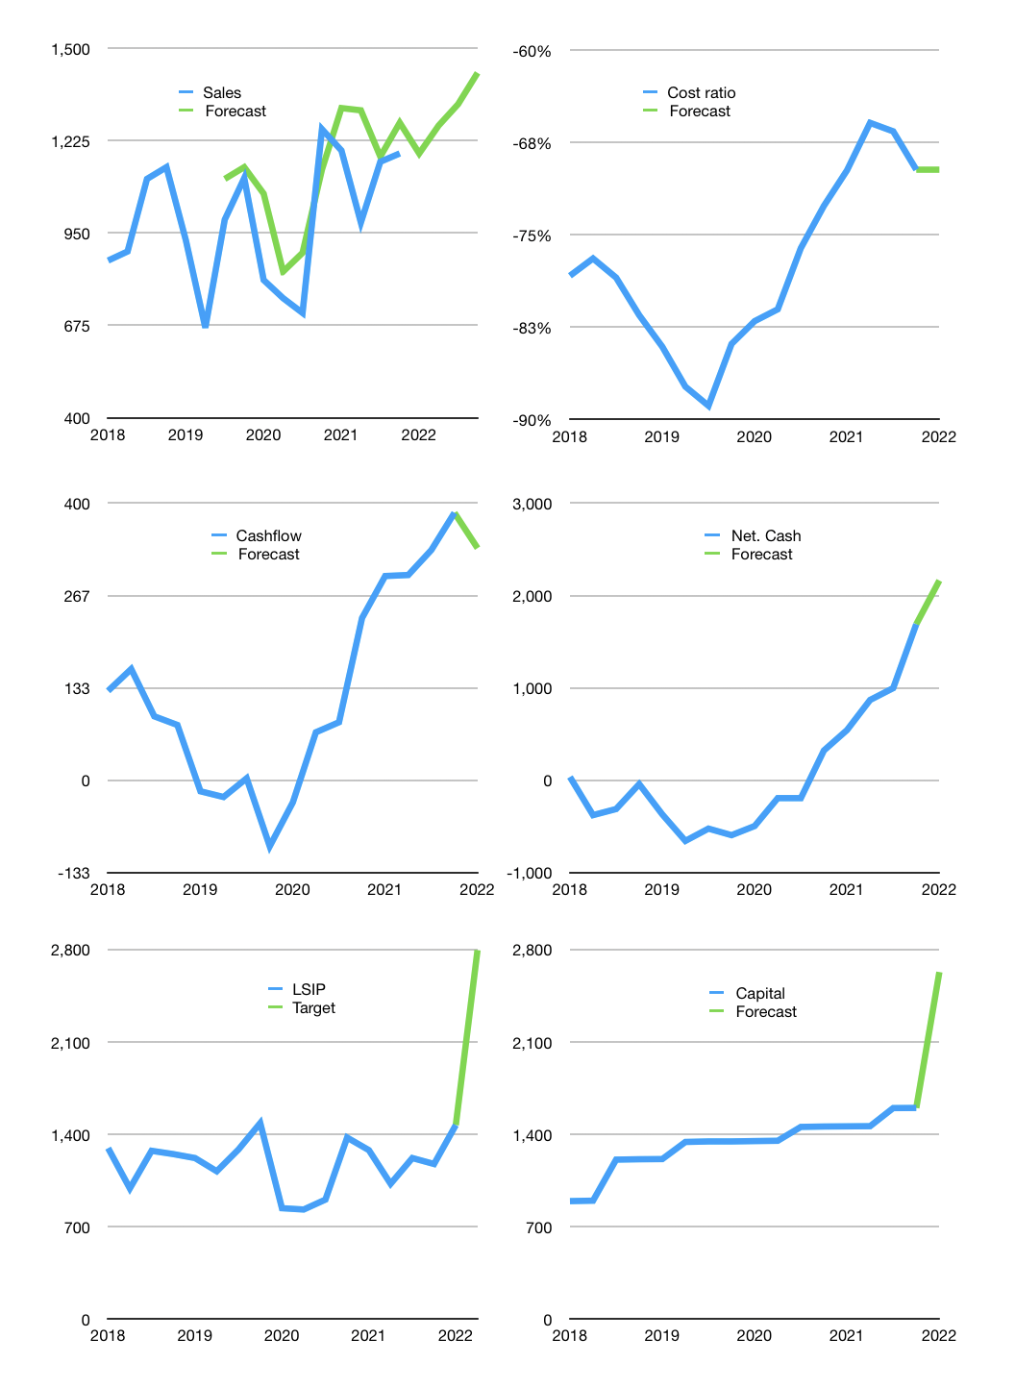
Financial model
Rpbn |  |  |  | 4Q 2022
Cashflow | -1% |  |  | 5%
Sales growth | 0% | 7% | 5% | 7%
Sales | 1,187 | 1,270 | 1,333 | 1,427
Cost ratio | -70% | -70% | -70% | -70%
Cash costs | -827.59757172 | -885.52940174 | -929.80587182 | -994.89228285
Operating | 359 | 384 | 404 | 432
Investment | -96.9 | -96.9 | -96.9 | -96.9
Financial | -242.23145697 | -253.12465896 | -260.67064191 | -273.83680184
Liabilities | -83.95 | -79.7525 | -75.764875 | -71.97663125
Equity | -158 | -173 | -185 | -202
Before revolver | 20.170971313 | 34.428939305 | 46.105636271 | 61.19681581
Revolver | 0 | 0 | 0 | 0
Beginning | 3368 | 3388.1709713 | 3422.5999106 | 3468.7055469
Change | 20.170971313 | 34.428939305 | 46.105636271 | 61.19681581
Ending | 3388.1709713 | 3422.5999106 | 3468.7055469 | 3529.9023627
Profit
Depreciation | -96 | -96 | -96 | -96
Net profit | 264 | 289 | 308 | 336
Balance sheet
Other assets | 13231.2 | 13328.1 | 13425 | 13521.9
Depreciation | 4746.8 | 4842.3 | 4937.8 | 5033.3
Net other assets | 8484.4 | 8485.8 | 8487.2 | 8488.6
Liabilities | 1595.05 | 1515.2975 | 1439.532625 | 1367.5559937
Revolver | 0 | 0 | 0 | 0
Equity | 10277.520971 | 10393.102411 | 10516.372922 | 10650.946369
Check | 3E-11 | 2E-11 | 4E-11 | 1E-11
Net cash | 1793.1209713 | 1907.3024106 | 2029.1729219 | 2162.3463689
Valuation
Capital | 1841.991457 | 2095.1161159 | 2355.7867578 | 2629.6235597
Current value |  |  |  | 10025340917760
Current value |  |  |  | 10025.340918
P/assets |  |  |  | 0.83
Yield |  |  |  | 7%
Cashflow |  |  |  | 1191.7659224
Payback |  |  |  | 7.118008529
Valuation |  |  |  | 8.4121728349
Forecast |  |  |  | 16
Value |  |  |  | 19068.254758
Shares |  |  |  | 6.819959808
Target |  |  |  | 2795.9482599
Current |  |  |  | 1470
V target |  |  |  | 90%
12 month growth |  |  |  | -6%
Sales forecasts |  |  |  | 11%

Capital
Capital paid
 | Related | Liabilities | Equity | Total | Total
2001
2002
2003
2004
2005
2006 |  | 89 | -82 | 7 | 7
2007 |  | -12 | 0 | -12 | -5
2008 |  | 5 | -45 | -40 | -45
 | Related | Liabilities | Equity
2006 |  | 88.927 | -82.05
2007 |  | -11.722 | 0
2008 |  | 4.793 | -44.5
2009 |  | -609.8 | -92
2010 |  | -211.588 | -285.076
2011 |  | 7.288 | -416.016
2012 |  | 0.279 | -682.086
2013 |  | -4.663 | -453.447
2014 |  | -34.546 | -313.628
2015 |  | -19.495 | -361.353
2016 |  | -11.427 | -252.265
2017 |  | -9.382 | -238.627
2018 | -11.5 | -11.49 | -306.82
2019 | -5.625 | -5.625 | -129.546
2020 | 0 | -10.621 | -102.273
2021 |  | -3 | -136
2009 |  | -610 | -92 | -702 | -746
2010 |  | -212 | -285 | -497 | -1,243
2011 |  | 7 | -416 | -409 | -1,652
2012 |  | 0 | -682 | -682 | -2,334
2013 |  | -5 | -453 | -458 | -2,792
2014 |  | -35 | -314 | -348 | -3,140
2015 |  | -19 | -361 | -381 | -3,521
2016 |  | -11 | -252 | -264 | -3,784
2017 |  | -9 | -239 | -248 | -4,032
2018 | -12 | -11 | -307 | -318 | -4,351
2019 | -6 | -6 | -130 | -135 | -4,486
2020 | 0 | -11 | -102 | -113 | -4,599
2021 |  | -3 | -136 | -139 | -4,738

