Model
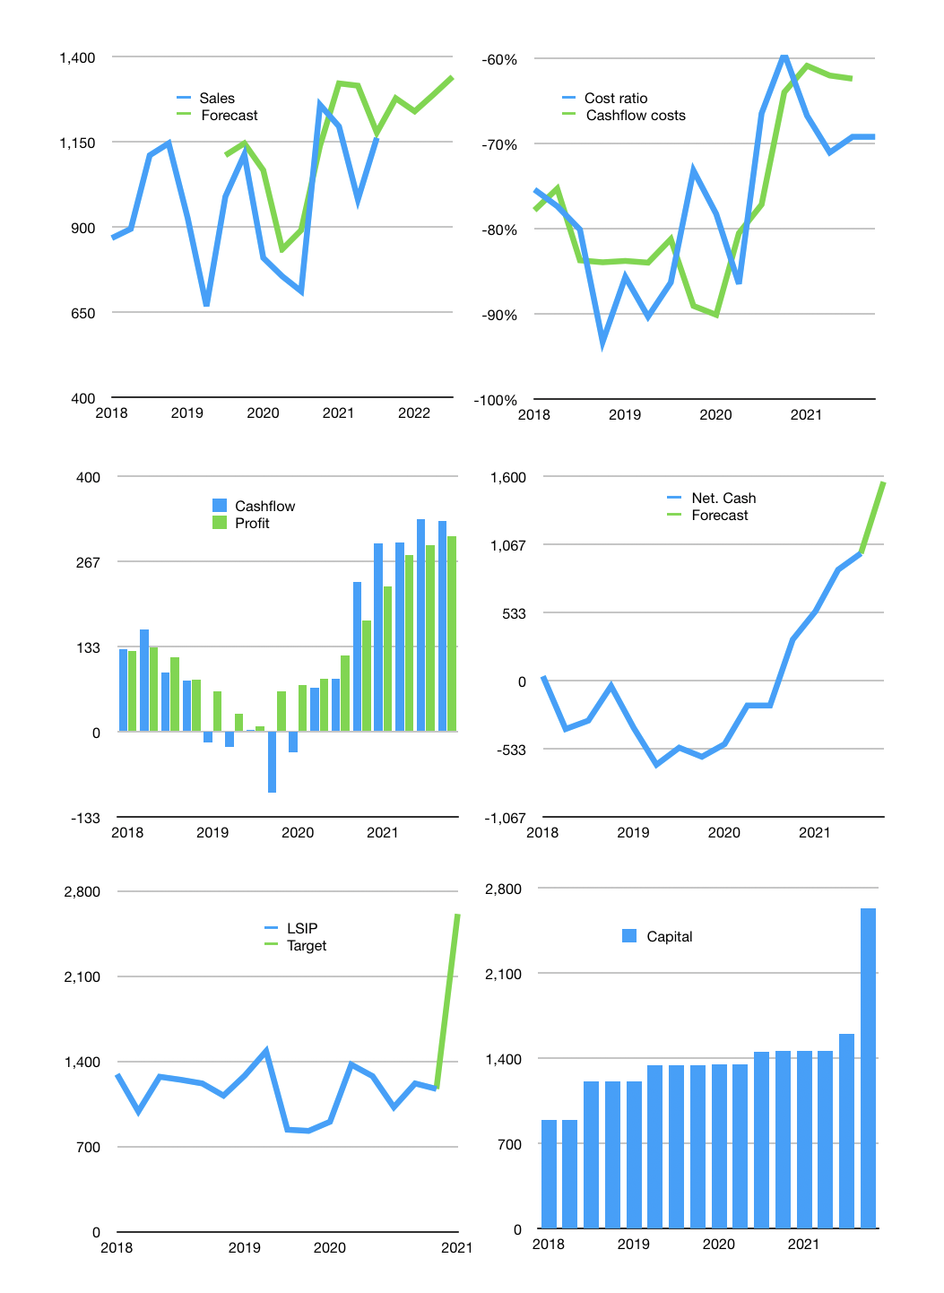
Financial model
Rpbn | 4Q 2021
Cashflow | 18% |  |  | 4%
Sales growth | 10.0% | -3% | 4% | 4%
Sales | 1,278 | 1,240 | 1,290 | 1,341
Cost ratio | -69% | -69% | -69% | -69%
Cash costs | -884.84 | -858.2948 | -892.626592 | -928.33165568
Operating | 393 | 382 | 397 | 413
Investment | -82.8 | -82.8 | -82.8 | -82.8
Financial | -264.432 | -252.72204 | -257.4858966 | -262.83595871
Liabilities | -92.55 | -87.9225 | -83.526375 | -79.35005625
Equity | -172 | -165 | -174 | -183
Before revolver | 46.238 | 46.14386 | 56.6466394 | 67.173878726
Revolver | 0 | 0 | 0 | 0
Beginning | 2848 | 2894.238 | 2940.38186 | 2997.0284994
Change | 46.238 | 46.14386 | 56.6466394 | 67.173878726
Ending | 2894.238 | 2940.38186 | 2997.0284994 | 3064.2023781
Profit
Depreciation | -107 | -107 | -107 | -107
Net profit | 286 | 275 | 290 | 306
Balance sheet
Other assets | 13551.8 | 13634.6 | 13717.4 | 13800.2
Depreciation | 4563 | 4670 | 4777 | 4884
Net other assets | 8988.8 | 8964.6 | 8940.4 | 8916.2
Liabilities | 1758.45 | 1670.5275 | 1587.001125 | 1507.6510687
Revolver | 0 | 0 | 0 | 0
Equity | 10023.588 | 10133.45436 | 10249.427374 | 10371.751309
Check | -101 | -101 | -101 | -101
Net cash | 1135.788 | 1269.85436 | 1410.0273744 | 1556.5513094
Valuation
Capital | 1863.132 | 2115.85404 | 2373.3399366 | 2636.1758953
Current value |  |  |  | 8457
P/assets |  |  |  | 0.71
Yield |  |  |  | 8%
Cashflow |  |  |  | 1253.6782734
Payback |  |  |  | 7.1086818595
Valuation |  |  |  | 6.7457498301
Forecast |  |  |  | 15
Value |  |  |  | 18805.174102
Shares |  |  |  | 7.1974468085
Target |  |  |  | 2612.7562456
Current |  |  |  | 1175
V target |  |  |  | 122%
12 month growth |  |  |  | 63%
Sales forecasts |  |  |  | 11%

