Model
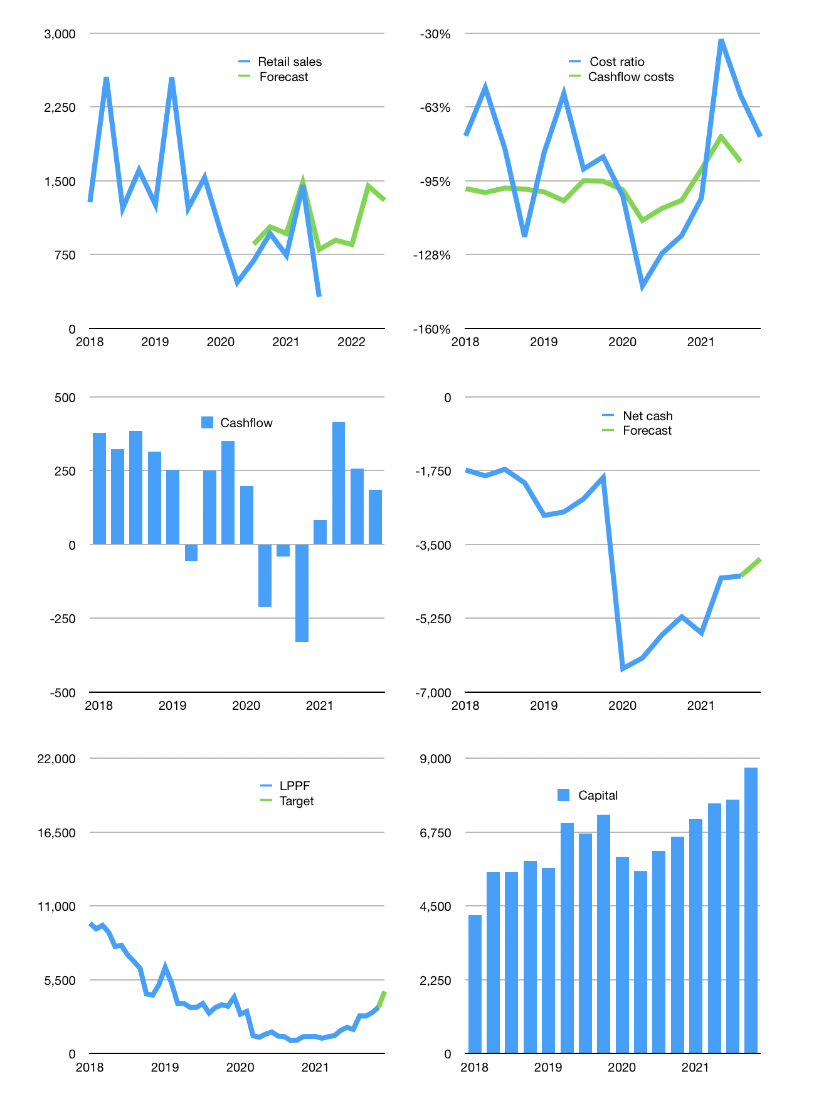
Financial model
Rpbn | 4Q 2021
Cashflow | 9% |  |  | 59%
Growth | 180% | -5% | 70% | -10%
Sales | 895 | 850 | 1,446 | 1,301
Cost ratio | -76% | -76% | -76% | -76%
Cash costs | -677 | -643 | -1094 | -984
Operating | 218 | 207 | 352 | 317
Investment | -9 | -9 | -9 | -9
Leases | -79 | -79 | -79 | -79
Finance | -209 | -198 | -334 | -243
Liabilities | -236 | -224 | -213 | -202
Revolver | 37 | 33 | -71 | 0
Equity | -11 | -8 | -51 | -40
Before revolver | -37 | -33 | 79 | 65
Beginning | 469 | 469 | 469 | 478
Change | 0 | 0 | 9 | 65
Ending | 469 | 469 | 478 | 543
Profit
Non cash costs | -182 | -182 | -182 | -182
Net profit | 36 | 25 | 170 | 135
Balance sheet
Other assets | 8,759 | 8,768 | 8,776 | 8,785
Depreciation | 3,625 | 3,807 | 3,989 | 4,171
Net other assets | 5,134 | 4,960 | 4,787 | 4,614
Liabilities | 4,481 | 4,257 | 4,044 | 3,842
Revolver | 37 | 71 | 0 | 0
Equity | 1,084 | 1,102 | 1,221 | 1,315
Check | 0 | 0 | 0 | 0
Net cash | -4,519 | -4,328 | -4,044 | -3,842
Valuation
Capital | 7,951 | 8,150 | 8,484 | 8,727
Current value |  |  |  | 6,749
P/assets |  |  |  | 1.31
Yield |  |  |  | 2%
Cashflow |  |  |  | 742
Payback |  |  |  | 7
Valuation |  |  |  | 9
Forecast |  |  |  | 15
Value |  |  |  | 11,135
Shares |  |  |  | 2
Target |  |  |  | 4,636
Current |  |  |  | 2,810
V target |  |  |  | 65%
12 month growth |  |  |  | -53%
Sales v forecast |  |  |  | 23%

