Model
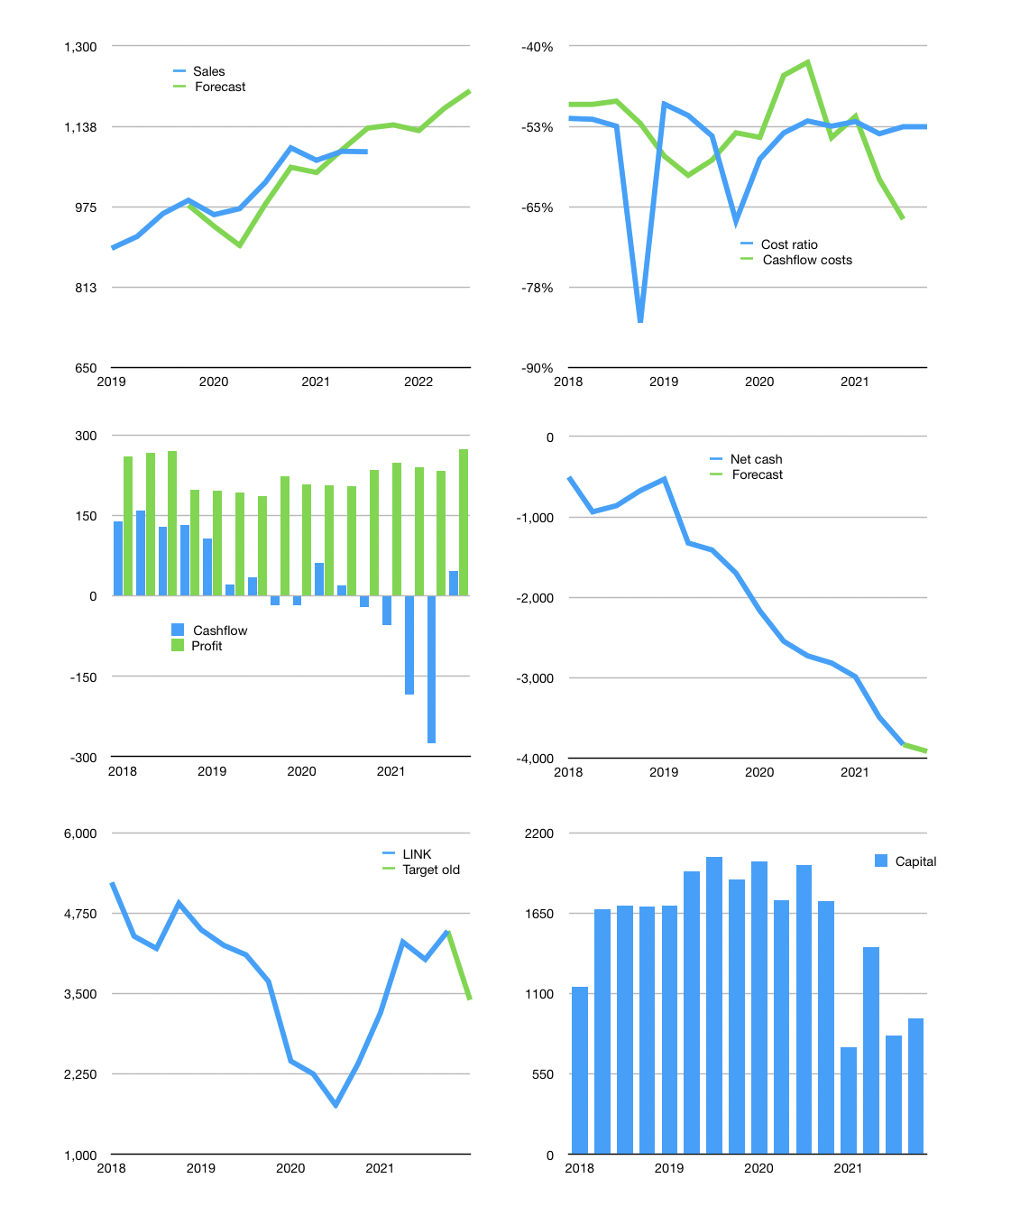
Financial model
Rpbn | 4Q 2021
Cashflow | 2% |  |  | 3%
Growth | 5% | -1% | 4% | 3%
Sales | 1,140 | 1,129 | 1,174 | 1,209
Cost ratio | -53% | -53% | -53% | -53%
Cash costs | -599 | -593 | -617 | -636
Operating | 541 | 535 | 557 | 574
Investment | -523 | -523 | -523 | -523
Leases | -4 | -4 | -4 | -4
Liabilities | -213 | -202 | -192 | -182
Equity | -48 | -47 | -51 | -55
Before revolver | -243 | -236 | -209 | -186
Revolver | 243 | 236 | 209 | 186
Finance | -18 | -13 | -34 | -51
Beginning | 426 | 426 | 426 | 426
Change | 0 | 0 | 0 | 0
Ending | 426 | 426 | 426 | 426
Profit
Non cash costs | -300 | -300 | -300 | -300
Net profit | 241 | 235 | 257 | 274
Balance sheet
Other assets | 15,392 | 15,914 | 16,437 | 16,959
Depreciation | 6,307 | 6,607 | 6,907 | 7,207
Net other assets | 9,085 | 9,307 | 9,530 | 9,752
Liabilities | 4,043 | 3,841 | 3,649 | 3,467
Revolver | 243 | 479 | 688 | 874
Equity | 5,225 | 5,413 | 5,619 | 5,837
Check | 0 | 0 | 0 | 0
Net cash | -3,860 | -3,894 | -3,911 | -3,915
Valuation
Capital | 834 | 847 | 881 | 932
Current value |  |  |  | 12,300
P/assets |  |  |  | 0.71
Yield |  |  |  | 2%
Cashflow |  |  |  | 187
Payback |  |  |  | 47
Valuation |  |  |  | 66
PE |  |  |  | 12
Forecast |  |  |  | 50
Value |  |  |  | 9,358
Shares |  |  |  | 3
Target |  |  |  | 3,401
Current |  |  |  | 4,470
V target |  |  |  | -24%
12 month growth |  |  |  | 6%
Sales forecasts |  |  |  | -2%

